Coversheet
Geometric Imperfection Data of 12 thin-walled cylindrical shells with R/t-Ratio of 147

Tobias S. Hartwich1; Stefan Panek1; Dieter Krause1

1Institute of Product Developement and Mechanical Engineering Design, Hamburg University of Technology

1. Specimen specification

The twelve cylindrical shells were manufactured at the Institute of Composite Structures and Adaptive Systems of DLR in Braunschweig. The measurement of the surface in order to determine the geometric imperfections was also carried out there utilising an ATOS system from GOM. The nominal geometric specifications of the shells are summarised in the table below. Further information concerning the manufacturing process and the specification of the existing geometry can be found in the following Open Access publication.
[1] Hartwich, T. S., Panek, S., Wilckens, D., Bock, M., Krause, D.: The influence of the manufacturing process and test boundary conditions on the buckling load of thin-walled cylindrical CFRP shells, Composite Structures, 2023.
https://doi.org/10.1016/j.compstruct.2023.116674

 | Set 1: Z1L1 – Z3L1 | Set 2: Z1L2 – Z3L2 | Set 3: Z1W2 – Z6W2
Nominal Radius [mm] | 115 | 115 | 115
Total length [mm] | 255 | 255 | 255
Free length [mm] | 215 | 215 | 215
Nominal R/t-ratio | 147 | 147 | 147
Fibre/Matrix | AS7/8552 | AS7/8552 | AS7/8552
Nominal Lay-up | [90°, -30°,30°,-30°,30°,90°] | [90°, -30°,30°,-30°,30°,90°] | [90°, -30°,30°]s
Manufacturing process | Laid layer by layer | Laid layer by layer | Filament winding
No. of specimens | 3 | 3 | 6
Test rig | Hexapod TUHH | Hexapod TUHH, UTM | Hexapod TUHH, UTM, DLR buckling facility

2. Structure of the provided data
The given geometric imperfection data is provided on the twelve excel-sheets following this one in the form of Fourier coefficients of a double Fourier series in phase shift representation. The circumferential mode is described by full waves, the axial modes by a half-wave representation. In order to be able to map imperfections in the boundary zones of the shells, the cosine approach is taken. Thus, the first matrix of coefficients of each shell contains the dimensionless amplitudes ξkl and the second matrix contains the phase shift angles ϕkl in degrees.
$$\overline{W}\left(x,y\right)=2t\sum_{k=0}^{n_{1}}{\sum_{l=0}^{n_{2}}{\overline{ξ}\cos{\frac{kπx}{L}}\cos\left(\frac{ly}{R}−\overline{φ_{kl}}\right)}}$$
Where t is the wall thickness, R is the radius and L is the measured (i.e. free) length of the shell.

3. Reference to experimental test results

The description of the test execution and the test results including the buckling loads and load imperfections are available in the following two open access publications.
[1] Hartwich, T. S., Panek, S., Wilckens, D., Bock, M., Krause, D.: The influence of the manufacturing process and test boundary conditions on the buckling load of thin-walled cylindrical CFRP shells, Composite Structures, 2023. https://doi.org/10.1016/j.compstruct.2023.116674
[2] Panek, S.; Hartwich, T. S.; Kriegesmann, B.; Krause, D.: Guidelines for Test Conditions and Documentation of Buckling Experiments with Cylindrical CFRP Shells, Proceedings of the 23rd International Conference on Composite Materials (ICCM23), Belfast, Northern Ireland, 2023.

4. Acknowlegdements

This research was funded by German Research Foundation (DFG) via the project Development of a Reliability-Based Design Approach for Unstiffened CFRP-Cylinders under Material and Structural Uncertainties (Project number 353469698).

Z1L1
Z1L1
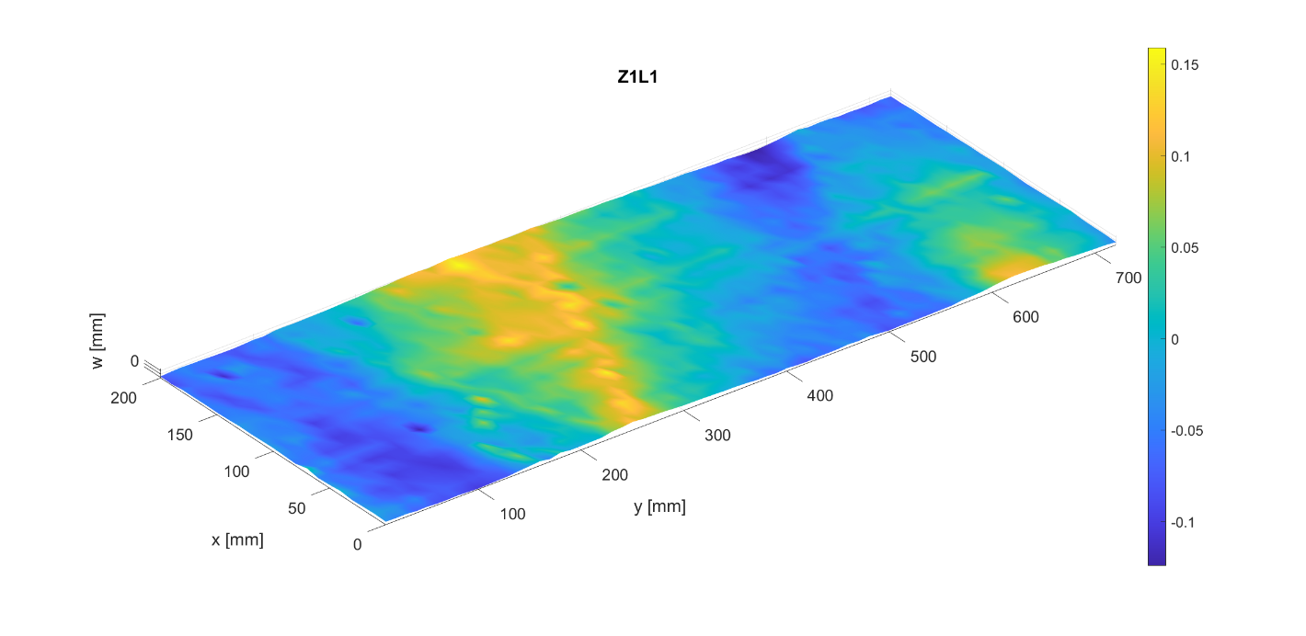

Imperfection amplitude
 |  | Circumferential modes
Axial modes |  | 0 | 1 | 2 | 3 | 4 | 5 | 6 | 7 | 8 | 9 | 10 | 11 | 12 | 13 | 14 | 15 | 16 | 17 | 18 | 19 | 20 | 21 | 22 | 23 | 24 | 25 | 26 | 27 | 28 | 29 | 30 | 31 | 32 | 33 | 34 | 35 | 36
 | 0 | 0.0019146228818 | 0.067271783606 | 0.067515382292 | 0.021951027591 | 0.012599561813 | 0.0063709651829 | 0.0062494841503 | 0.0029542060582 | 0.0012192936111 | 0.0032426189151 | 0.00050184181195 | 0.001170263386 | 0.0015072145333 | 0.00062540696958 | 0.00037473131267 | 0.00019193887873 | 0.00024592645317 | 0.00055700854897 | 0.00025673419891 | 4.43E-05 | 0.00024470366745 | 0.00020038153354 | 0.00033050161307 | 0.00041431248725 | 0.00022971628273 | 0.00010912729989 | 0.00031747746451 | 8.90E-05 | 9.88E-05 | 5.26E-05 | 0.0001113088927 | 8.35E-05 | 8.61E-05 | 5.42E-05 | 6.97E-05 | 1.08E-05 | 3.90E-17
 | 1 | 0.0051611948025 | 0.048571453092 | 0.035292720925 | 0.0092322047828 | 0.0065835624705 | 0.0095053732335 | 0.004661373494 | 0.0041817227084 | 0.0019586384748 | 0.0011001421679 | 0.0013600027357 | 0.0015591786072 | 0.0020660164282 | 0.0018185154261 | 0.00084594351726 | 0.00068579212686 | 0.0014727571628 | 0.00088150067393 | 0.00045260621847 | 0.00098343758264 | 0.000762883151 | 0.00044861001413 | 0.0008745644176 | 0.0011872959172 | 0.00022636020382 | 6.61E-05 | 0.00011183695579 | 0.00037678641384 | 0.00030030795057 | 0.00034316547744 | 0.00015956052278 | 0.00016577629035 | 0.00018785196577 | 4.50E-05 | 0.0001331230023 | 6.25E-05 | 4.38E-17
 | 2 | 0.0094891466438 | 0.0018684124887 | 0.0033269779847 | 0.0029060896888 | 0.0083462652469 | 0.0034483207388 | 0.009137888798 | 0.0067476409035 | 0.0044629617171 | 0.0052649195205 | 0.004155982329 | 0.0036048936946 | 0.00095725694652 | 0.00097343030734 | 0.0014946935968 | 0.0009442834284 | 0.0013409890617 | 0.00094484817485 | 0.00033838594132 | 8.20E-05 | 0.00032018872503 | 0.00083249999872 | 0.00051453965382 | 0.00043333874737 | 0.00057977632738 | 0.00041568676405 | 0.00029006675563 | 0.0003924512984 | 0.00045667381811 | 0.00048742546181 | 0.00029757084165 | 0.00026466218897 | 5.99E-05 | 0.00011189530454 | 3.97E-05 | 2.75E-05 | 1.12E-17
 | 3 | 0.0028342377131 | 0.0059460769386 | 0.0031685743315 | 0.00046134939145 | 0.0022259667706 | 0.0038814222447 | 0.0029390045402 | 0.0023428277865 | 0.0058464781768 | 0.0042725739669 | 0.0019879494368 | 0.0032977568573 | 0.0016246624873 | 0.0023511510615 | 0.00068913394025 | 0.00092873845943 | 0.0011634787136 | 0.0012582214137 | 0.0010187834576 | 0.00045070806899 | 0.00031992039689 | 0.0014441996503 | 0.00067364814962 | 0.00066100465472 | 0.00072650226577 | 9.69E-05 | 8.52E-05 | 0.00028035136 | 0.00028331739979 | 0.0001114752703 | 0.00042375690322 | 5.70E-05 | 9.41E-05 | 1.39E-05 | 3.93E-05 | 2.37E-05 | 1.16E-17
 | 4 | 0.0026467723156 | 0.0004595538058 | 0.0015808144753 | 0.0024732937205 | 0.0025034044068 | 0.002060480302 | 0.0011162414161 | 0.0020543696315 | 0.00088726481843 | 0.0020339497124 | 0.0026729879746 | 0.003323827779 | 0.0012128206724 | 0.0029870321579 | 0.001133553472 | 0.0016971611718 | 0.0019869432103 | 0.0010210911484 | 0.00074836198164 | 0.0011586263054 | 0.00047296475063 | 0.00064790209624 | 0.00033111611053 | 0.00011143679665 | 0.00041383472066 | 0.00042138450825 | 0.00045055100024 | 0.00024354729813 | 0.0001613800327 | 0.00024070622976 | 0.00019716586433 | 0.00025078205776 | 5.59E-05 | 6.30E-05 | 7.55E-05 | 4.32E-05 | 1.16E-17
 | 5 | 0.0053225362549 | 0.0043324756575 | 0.0015290067298 | 0.0001604224826 | 0.0016192073157 | 0.0034595760777 | 0.0010956716179 | 0.00059705988825 | 0.0013467190656 | 0.0010402303012 | 0.0006757096968 | 0.00022749760795 | 0.0015540966711 | 0.0020626097223 | 0.0012918004773 | 0.0012029544068 | 0.00090988264874 | 0.0025874456 | 0.00037359577196 | 0.0014022816929 | 0.00082631004732 | 0.00082331221999 | 0.00061661104778 | 0.00052586107081 | 0.0003997992562 | 0.00016247547112 | 0.00033960624078 | 0.00019569907475 | 0.00023825764803 | 0.00035426732246 | 0.00028556656783 | 0.0002467659303 | 6.13E-05 | 9.95E-05 | 5.51E-05 | 3.25E-05 | 6.17E-18
 | 6 | 0.001892904252 | 0.0028877400242 | 0.0012419729295 | 0.0015900789658 | 0.0017480275776 | 0.0019140154095 | 0.0016479152597 | 0.0017965900903 | 0.0017382159057 | 0.001505697825 | 0.0021308236903 | 0.0015034357196 | 0.00083525692415 | 0.00029360869379 | 0.00067203985758 | 0.00019937995289 | 0.0015619314437 | 0.0012707391696 | 0.00053410757671 | 0.0020412181683 | 0.00050525772418 | 0.00094894117339 | 0.00059505793703 | 0.00039341448689 | 0.00050395959915 | 0.00044042926384 | 0.00075188713759 | 2.00E-05 | 0.00061007439082 | 0.00065278412003 | 0.00046267885441 | 0.00015900969786 | 0.00010543334245 | 1.85E-05 | 7.66E-05 | 2.82E-05 | 7.90E-18
 | 7 | 0.0042997516128 | 0.0011778638248 | 0.00030163213677 | 0.002171665956 | 0.00048572686208 | 0.0018226854977 | 0.00043083689922 | 0.00080537514261 | 0.0012825674476 | 0.00078184633144 | 0.00089451754949 | 0.00082438880404 | 0.00071372841895 | 0.00069709089864 | 0.00049931122936 | 0.00041458074623 | 0.00092500449394 | 0.0011655990929 | 0.00061360894415 | 0.00066769239922 | 0.0005952133727 | 0.00072188370882 | 8.91E-05 | 0.0011347777454 | 0.0008922363674 | 3.03E-05 | 0.00047389329308 | 0.00024266697643 | 9.39E-05 | 0.00016505323277 | 0.00032282162793 | 8.24E-05 | 0.00016379100417 | 7.84E-05 | 7.78E-05 | 2.86E-05 | 7.72E-18
 | 8 | 0.0022375378232 | 0.0024678848037 | 0.0037266711267 | 0.0007605960443 | 0.00050596787676 | 0.00017964951032 | 0.00073588143062 | 0.00060044164238 | 0.00062367792758 | 0.000629174652 | 0.00093992787377 | 0.0018331256893 | 0.00090834691413 | 0.0011060655314 | 0.00056115255601 | 0.00028619926134 | 0.00035848068463 | 0.00080934052811 | 0.00058731550035 | 0.0010340905105 | 0.00075644946432 | 0.00037730105321 | 0.0011008489637 | 0.00089862419824 | 0.00083882199207 | 0.00083443208065 | 0.0005934406856 | 0.00070183813225 | 0.00060499998808 | 0.00044598633902 | 0.0002191110896 | 0.000231331959 | 0.00022318862938 | 4.61E-05 | 4.96E-05 | 4.65E-06 | 8.63E-18
 | 9 | 1.08E-05 | 0.0030159022007 | 0.0019098788898 | 0.00045376056664 | 0.0010844218592 | 0.00057596092641 | 0.00061158069568 | 0.0007099422577 | 0.00081623237605 | 0.00064286960606 | 0.00077110339186 | 0.00062721872139 | 0.00060770220402 | 0.00050610196225 | 0.0005647134062 | 0.00016352197971 | 0.00055714219242 | 0.00078281374457 | 0.0010514870365 | 0.00047034936401 | 0.00050708986929 | 0.00053339671825 | 0.00055000011489 | 0.00066752837238 | 0.00024719559412 | 0.00032185721892 | 0.00058210943533 | 0.00039305488391 | 0.00032533665096 | 0.00063098919567 | 0.00043974010929 | 8.80E-05 | 0.00013873708392 | 0.00014028611317 | 5.06E-05 | 2.46E-05 | 8.17E-18
 | 10 | 0.0010982010211 | 0.00148868066 | 0.00057895179009 | 0.00066325199498 | 0.00024607878689 | 0.0013161774021 | 0.00059737211295 | 0.00043078614537 | 0.00055988093162 | 0.00086759262543 | 0.00083072704119 | 0.00023005360438 | 0.0002765698146 | 0.00073791958416 | 0.00054128498128 | 0.00099660818651 | 0.00054589894784 | 0.00031554729197 | 0.00054821434327 | 0.00043111035914 | 0.00010139380475 | 0.00053811829111 | 0.00072898204839 | 0.00063863501419 | 0.00017556151305 | 0.00051552783499 | 0.00057550162528 | 0.00010165804765 | 0.00021633657577 | 0.00021232261855 | 0.00041880326172 | 0.00011737868724 | 0.0001357364462 | 0.00010821607021 | 5.57E-05 | 2.39E-05 | 1.08E-17
 | 11 | 0.0008910583161 | 0.0019648288225 | 0.0026792789288 | 0.0010679840444 | 0.00049912848422 | 0.00070679322606 | 0.00065483166964 | 0.00040753896246 | 0.00033688709966 | 0.00041845812698 | 0.0007368119624 | 7.87E-05 | 0.00082400014312 | 0.00091083232277 | 0.00053587511388 | 0.00024510931917 | 0.0003058821577 | 0.00061164669727 | 0.00045497052602 | 0.00023380015174 | 0.00051972163201 | 0.00043423557297 | 0.00016186127176 | 0.00020017764236 | 0.0005447524536 | 0.00023874690092 | 0.00033982783985 | 0.00018019628889 | 0.00015246470386 | 7.40E-05 | 9.15E-05 | 0.00016125850491 | 0.00011236161383 | 0.00012608807966 | 5.29E-05 | 2.01E-05 | 2.20E-18
 | 12 | 0.00016340870721 | 0.00092926107985 | 0.0011149841095 | 0.00027618582308 | 0.00097374581488 | 0.0010834179763 | 0.0011576196865 | 0.00068766563473 | 0.00077403570998 | 0.00035788210742 | 0.00057201978026 | 0.00047023997796 | 0.00052186377602 | 0.000598296528 | 0.0010040948009 | 0.00023504384505 | 0.00076291731846 | 0.00082261434873 | 0.00066395772816 | 0.00014439353383 | 0.00029413828948 | 0.00050430815192 | 0.0004217260124 | 0.00038089034584 | 0.00014113067958 | 0.00029920240694 | 6.27E-05 | 0.00023628463592 | 5.08E-05 | 0.00022869674154 | 0.00013309900254 | 7.09E-05 | 3.01E-05 | 9.78E-05 | 5.07E-05 | 2.11E-05 | 1.33E-18
 | 13 | 0.0010897333999 | 0.00045342790054 | 0.00029484299811 | 0.00084255228615 | 0.00047680841174 | 0.00064541560304 | 0.00058481482638 | 0.00039668206667 | 0.00021091173116 | 0.000138318402 | 0.00044141848262 | 0.00023194630585 | 0.00021722025233 | 0.00086979111189 | 0.00066336006966 | 0.00015382439161 | 0.00020175740784 | 0.00054056138478 | 0.00024382562372 | 0.00021392528983 | 0.00032976062048 | 0.00023708196078 | 0.00017256071054 | 0.00020870611326 | 3.37E-05 | 9.09E-05 | 0.0001104633398 | 0.00012770886376 | 0.00034487935426 | 6.79E-05 | 0.00038310820353 | 0.00022597646089 | 0.00010822628271 | 0.00018552513192 | 7.26E-05 | 3.44E-05 | 1.37E-18
 | 14 | 0.0012744840973 | 0.0022742870515 | 0.001095819818 | 0.00075390972003 | 0.0011180306394 | 0.00015456068376 | 0.00039918659062 | 0.00047740031726 | 0.00065574262561 | 0.00028474056651 | 0.0003287605337 | 0.00043899554165 | 0.00048558563214 | 0.00037519719705 | 0.00035761413968 | 0.00036357257571 | 0.00021305973274 | 0.00042674668417 | 0.00010065998218 | 0.00043587879953 | 0.00037049834354 | 0.00029192216857 | 0.00017634392382 | 0.00014220231413 | 0.00044686982272 | 4.84E-05 | 0.00046866141202 | 0.00019361095919 | 0.00013855399805 | 7.13E-05 | 0.00017910473941 | 9.22E-05 | 5.46E-05 | 2.75E-05 | 1.32E-06 | 8.17E-06 | 2.26E-18
 | 15 | 0.00043890648101 | 0.00075143107661 | 0.0018343519568 | 0.00034418564752 | 0.00070325683506 | 0.00090943450642 | 0.00015746906275 | 0.00047368915978 | 0.00035558031172 | 0.00021328006471 | 0.000135219657 | 7.25E-05 | 0.00038202757888 | 3.81E-05 | 0.00017243949325 | 0.00035066987649 | 0.00030382052814 | 0.00023642921548 | 0.0001617246612 | 0.00025706425642 | 0.00030172041407 | 0.00021859551479 | 7.79E-05 | 0.00011813489963 | 0.00013206489874 | 0.00019536747785 | 0.00024974121963 | 0.00036119664184 | 8.83E-05 | 0.00017189351724 | 9.48E-05 | 0.00014870879069 | 5.54E-05 | 8.01E-05 | 3.57E-05 | 2.05E-05 | 5.29E-18
 | 16 | 0.00050191912033 | 0.00046760643344 | 0.00037446774612 | 0.00024334837783 | 0.00025188136244 | 0.00031578408339 | 0.00021601172868 | 0.00012927472669 | 0.00014667905741 | 0.00014964931535 | 0.00035764477265 | 0.00017551794581 | 0.00025272345783 | 1.64E-05 | 0.00031819620851 | 0.00014069200876 | 0.00022780288296 | 0.00010102875881 | 0.00019589054288 | 0.00015984342222 | 9.15E-05 | 0.00010020180615 | 5.83E-05 | 0.00038303476042 | 0.0002269574147 | 0.00013884508538 | 0.0001152032694 | 6.23E-05 | 2.94E-05 | 9.13E-05 | 8.78E-05 | 7.09E-05 | 1.90E-05 | 3.07E-06 | 2.48E-05 | 1.41E-05 | 4.27E-19
 | 17 | 0.00033888375348 | 0.0005711178975 | 0.00053813626809 | 0.00027956302257 | 0.0002169534071 | 0.00034183909189 | 0.00021405138122 | 0.00032276116807 | 0.00023283942693 | 0.0001313612734 | 0.00021181564842 | 0.00016099283232 | 0.00016661664168 | 0.00016183102231 | 6.56E-05 | 4.60E-05 | 0.00018977510316 | 0.00036658609265 | 0.00015085113418 | 0.00010829686588 | 0.00021564375378 | 0.00018720211222 | 0.00016556553448 | 5.59E-05 | 0.00012722792038 | 9.40E-05 | 0.00010342907355 | 8.75E-05 | 0.00011440361308 | 0.00011748384049 | 0.00014276535189 | 6.09E-05 | 2.51E-05 | 4.01E-05 | 5.03E-05 | 1.02E-05 | 2.12E-18
 | 18 | 0.00061827212633 | 0.00036855157039 | 0.00010912065507 | 0.00026559946135 | 0.00022398869924 | 0.00012126392613 | 0.00017966700585 | 0.00012879837333 | 8.85E-05 | 0.000289430762 | 7.13E-05 | 6.67E-05 | 0.00020985629228 | 0.00013818458636 | 0.00014685334634 | 8.65E-05 | 0.00021925331576 | 8.14E-05 | 0.00018706171881 | 1.07E-05 | 0.00013175613335 | 0.00012079610653 | 2.69E-05 | 7.40E-05 | 3.57E-05 | 0.00010230000704 | 3.23E-05 | 3.13E-05 | 1.86E-05 | 4.03E-05 | 2.67E-05 | 5.85E-05 | 8.00E-06 | 3.69E-06 | 1.58E-05 | 2.13E-06 | 3.35E-18
 | 19 | 0.00010749157736 | 0.00013892207218 | 9.08E-05 | 9.13E-05 | 0.00010340470614 | 3.46E-05 | 3.96E-05 | 3.99E-05 | 8.24E-05 | 5.66E-05 | 5.74E-05 | 1.99E-05 | 9.00E-05 | 7.29E-05 | 3.41E-05 | 7.01E-05 | 7.14E-05 | 8.95E-05 | 3.56E-05 | 1.87E-05 | 1.40E-05 | 3.59E-05 | 5.42E-05 | 2.00E-05 | 4.86E-05 | 3.15E-05 | 1.94E-05 | 1.71E-05 | 3.11E-05 | 1.07E-05 | 1.64E-05 | 1.08E-05 | 1.12E-05 | 1.69E-05 | 4.12E-06 | 1.19E-06 | 4.16E-19
 | 20 | 3.69E-18 | 5.05E-17 | 4.05E-17 | 1.11E-17 | 6.60E-18 | 4.19E-18 | 4.88E-18 | 5.85E-18 | 4.65E-18 | 1.79E-18 | 1.72E-18 | 2.62E-18 | 3.18E-19 | 4.01E-18 | 2.32E-18 | 2.18E-18 | 3.53E-18 | 2.79E-18 | 2.82E-18 | 3.16E-18 | 1.35E-18 | 2.62E-18 | 1.15E-18 | 1.97E-18 | 1.90E-18 | 1.96E-18 | 2.11E-18 | 5.25E-19 | 1.36E-18 | 1.84E-18 | 4.53E-19 | 2.14E-19 | 4.16E-19 | 2.18E-19 | 2.56E-19 | 3.11E-20 | 1.80E-32

Phase angle [°]
 |  | Circumferential modes
Axial modes |  | 0 | 1 | 2 | 3 | 4 | 5 | 6 | 7 | 8 | 9 | 10 | 11 | 12 | 13 | 14 | 15 | 16 | 17 | 18 | 19 | 20 | 21 | 22 | 23 | 24 | 25 | 26 | 27 | 28 | 29 | 30 | 31 | 32 | 33 | 34 | 35 | 36
 | 0 | 0.000 | 148.618 | 275.525 | 272.021 | 206.033 | 63.304 | 55.430 | 180.037 | 269.268 | 245.229 | 241.552 | 41.681 | 73.387 | 128.481 | 279.889 | 3.290 | 17.646 | 36.556 | 281.403 | 132.730 | 222.702 | 43.182 | 328.565 | 12.216 | 35.519 | 78.467 | 322.773 | 335.723 | 275.404 | 332.124 | 340.519 | 348.450 | 310.502 | 51.469 | 2.602 | 27.688 | 359.184
 | 1 | 180.000 | 334.117 | 239.935 | 230.093 | 115.290 | 315.095 | 35.285 | 173.455 | 300.215 | 358.543 | 99.921 | 11.694 | 79.533 | 206.044 | 145.947 | 9.149 | 331.730 | 1.220 | 95.573 | 257.141 | 19.872 | 349.061 | 43.141 | 111.951 | 356.902 | 45.696 | 333.360 | 227.021 | 204.487 | 288.158 | 293.070 | 116.074 | 301.835 | 315.197 | 355.348 | 32.019 | 179.318
 | 2 | 180.000 | 83.182 | 64.770 | 50.937 | 149.857 | 192.322 | 40.734 | 66.769 | 254.639 | 215.818 | 262.553 | 15.680 | 56.128 | 77.056 | 251.622 | 287.801 | 144.871 | 108.574 | 152.305 | 7.601 | 59.720 | 173.936 | 176.379 | 346.112 | 192.920 | 6.043 | 75.045 | 321.522 | 35.703 | 126.988 | 162.368 | 246.399 | 294.579 | 79.858 | 136.938 | 183.035 | 359.289
 | 3 | 0.000 | 342.363 | 215.572 | 228.335 | 95.746 | 90.243 | 319.632 | 149.560 | 219.748 | 6.551 | 125.059 | 336.341 | 131.859 | 188.271 | 319.139 | 31.646 | 315.383 | 64.028 | 223.164 | 276.768 | 198.201 | 54.870 | 90.581 | 119.682 | 118.970 | 296.172 | 150.586 | 295.967 | 55.890 | 169.742 | 209.734 | 296.489 | 182.593 | 117.612 | 111.427 | 218.320 | 0.171
 | 4 | 0.000 | 270.153 | 219.644 | 18.604 | 150.670 | 188.231 | 335.063 | 82.967 | 110.221 | 28.912 | 96.232 | 167.014 | 189.745 | 83.959 | 260.335 | 209.648 | 163.770 | 41.610 | 311.310 | 209.019 | 283.460 | 95.630 | 228.408 | 139.724 | 190.657 | 294.441 | 327.948 | 99.994 | 95.370 | 197.463 | 239.045 | 332.503 | 21.175 | 81.356 | 149.762 | 302.755 | 358.797
 | 5 | 180.000 | 325.749 | 15.482 | 142.986 | 177.709 | 105.316 | 182.840 | 256.014 | 229.569 | 269.022 | 177.137 | 184.219 | 333.068 | 52.467 | 193.554 | 238.951 | 102.265 | 61.764 | 68.400 | 266.258 | 20.464 | 21.149 | 58.261 | 118.221 | 284.031 | 221.906 | 23.678 | 279.329 | 187.777 | 241.706 | 6.689 | 57.921 | 101.801 | 172.697 | 327.470 | 37.277 | 182.578
 | 6 | 180.000 | 67.142 | 180.861 | 45.589 | 84.581 | 86.743 | 101.937 | 273.375 | 329.088 | 358.584 | 97.164 | 165.275 | 210.324 | 228.850 | 13.395 | 78.471 | 13.403 | 143.568 | 163.145 | 132.164 | 330.746 | 113.442 | 224.023 | 71.337 | 182.415 | 222.176 | 43.687 | 301.960 | 183.847 | 264.573 | 15.782 | 100.315 | 35.644 | 222.404 | 342.581 | 341.350 | 357.483
 | 7 | 0.000 | 94.109 | 235.637 | 281.259 | 234.035 | 75.487 | 222.528 | 152.716 | 230.008 | 11.236 | 58.274 | 157.663 | 219.245 | 339.589 | 276.233 | 28.303 | 125.951 | 242.868 | 285.917 | 20.147 | 293.660 | 215.697 | 301.391 | 26.601 | 343.450 | 157.271 | 270.041 | 27.289 | 208.812 | 19.224 | 357.232 | 120.160 | 94.234 | 124.075 | 204.657 | 356.636 | 1.288
 | 8 | 0.000 | 319.718 | 226.358 | 198.910 | 198.356 | 149.325 | 90.047 | 114.310 | 325.658 | 75.282 | 85.550 | 175.292 | 231.207 | 258.841 | 49.040 | 18.055 | 117.456 | 191.522 | 245.037 | 350.731 | 58.560 | 25.008 | 112.904 | 212.370 | 325.603 | 204.112 | 34.344 | 76.566 | 256.752 | 227.062 | 241.330 | 252.355 | 243.576 | 286.247 | 124.920 | 108.497 | 357.464
 | 9 | 180.000 | 279.054 | 44.699 | 109.085 | 254.424 | 54.174 | 308.878 | 289.317 | 29.869 | 156.481 | 342.191 | 84.159 | 252.673 | 269.012 | 359.209 | 61.811 | 205.389 | 170.982 | 217.410 | 354.117 | 176.323 | 162.556 | 240.650 | 244.276 | 107.900 | 309.442 | 84.165 | 260.795 | 157.880 | 306.166 | 74.931 | 24.763 | 351.710 | 125.092 | 166.663 | 280.315 | 177.078
 | 10 | 180.000 | 159.578 | 29.725 | 70.580 | 109.349 | 91.546 | 107.201 | 61.312 | 309.727 | 39.729 | 152.313 | 317.807 | 250.170 | 346.817 | 142.179 | 275.351 | 355.781 | 237.102 | 340.409 | 225.366 | 327.904 | 356.289 | 96.356 | 167.344 | 255.857 | 94.115 | 130.538 | 143.109 | 268.828 | 5.518 | 79.697 | 171.835 | 240.570 | 334.667 | 337.600 | 42.265 | 358.890
 | 11 | 180.000 | 346.586 | 276.749 | 22.951 | 81.619 | 116.405 | 168.625 | 325.877 | 47.740 | 225.223 | 63.298 | 313.204 | 339.925 | 97.427 | 7.261 | 21.680 | 27.129 | 103.330 | 358.480 | 64.668 | 277.405 | 267.699 | 338.250 | 15.541 | 300.222 | 228.738 | 37.827 | 311.169 | 269.010 | 340.664 | 204.858 | 88.865 | 193.749 | 43.846 | 159.113 | 294.694 | 175.470
 | 12 | 180.000 | 319.488 | 16.544 | 23.845 | 324.349 | 65.731 | 188.140 | 267.581 | 49.308 | 58.191 | 49.362 | 255.105 | 326.716 | 100.513 | 163.067 | 246.176 | 290.105 | 338.459 | 64.232 | 82.285 | 290.530 | 319.808 | 17.314 | 111.930 | 311.626 | 184.325 | 129.706 | 171.454 | 198.305 | 351.200 | 329.401 | 358.565 | 117.935 | 300.081 | 63.621 | 20.410 | 216.927
 | 13 | 180.000 | 218.731 | 18.877 | 136.730 | 256.941 | 82.295 | 273.913 | 357.154 | 126.306 | 305.479 | 224.893 | 351.809 | 237.362 | 349.268 | 115.449 | 251.730 | 132.647 | 246.281 | 97.242 | 106.986 | 153.556 | 201.892 | 276.228 | 54.404 | 101.202 | 215.024 | 231.677 | 170.945 | 0.865 | 103.295 | 160.635 | 119.815 | 30.468 | 316.989 | 141.636 | 215.075 | 356.356
 | 14 | 180.000 | 159.328 | 105.154 | 235.886 | 164.416 | 285.851 | 353.825 | 102.867 | 26.325 | 308.162 | 204.188 | 191.334 | 321.855 | 345.381 | 284.068 | 169.018 | 198.425 | 231.939 | 236.982 | 67.035 | 166.616 | 129.043 | 182.550 | 200.331 | 118.484 | 220.169 | 175.926 | 186.459 | 80.478 | 25.841 | 232.197 | 155.732 | 290.234 | 332.954 | 290.635 | 168.518 | 192.892
 | 15 | 180.000 | 41.110 | 217.314 | 102.326 | 156.277 | 272.417 | 57.693 | 158.368 | 305.863 | 164.289 | 282.762 | 51.587 | 208.321 | 236.211 | 146.903 | 158.867 | 143.402 | 151.522 | 258.880 | 81.315 | 128.442 | 168.930 | 237.496 | 140.629 | 33.703 | 106.662 | 225.723 | 341.406 | 205.942 | 74.540 | 154.178 | 242.966 | 236.220 | 307.116 | 106.117 | 140.098 | 0.000
 | 16 | 0.000 | 224.251 | 24.211 | 235.217 | 264.798 | 91.110 | 222.658 | 73.720 | 261.539 | 197.619 | 200.170 | 323.689 | 123.554 | 49.591 | 91.329 | 316.279 | 63.527 | 17.796 | 176.603 | 248.287 | 181.953 | 18.391 | 166.508 | 267.344 | 343.121 | 113.593 | 295.432 | 253.998 | 317.448 | 350.422 | 17.678 | 158.532 | 136.972 | 42.437 | 20.169 | 78.309 | 234.352
 | 17 | 180.000 | 70.752 | 58.193 | 6.567 | 224.347 | 126.160 | 226.591 | 205.591 | 128.095 | 291.903 | 37.233 | 217.489 | 4.956 | 139.757 | 82.098 | 6.778 | 302.197 | 55.206 | 129.937 | 26.294 | 260.987 | 321.222 | 68.592 | 291.739 | 279.920 | 279.150 | 64.895 | 201.420 | 201.506 | 323.091 | 48.940 | 119.647 | 231.326 | 273.405 | 352.562 | 43.016 | 184.702
 | 18 | 180.000 | 334.656 | 321.052 | 3.683 | 26.064 | 96.656 | 347.941 | 21.853 | 275.629 | 341.889 | 236.372 | 295.962 | 29.320 | 118.591 | 347.990 | 295.429 | 189.366 | 179.297 | 23.316 | 316.539 | 324.497 | 281.476 | 325.060 | 210.128 | 31.057 | 42.449 | 355.887 | 130.946 | 267.874 | 14.574 | 354.406 | 76.200 | 217.994 | 313.991 | 13.194 | 61.644 | 176.582
 | 19 | 180.000 | 204.662 | 253.569 | 301.557 | 153.280 | 201.366 | 283.818 | 270.383 | 43.903 | 72.914 | 186.777 | 112.025 | 188.338 | 338.832 | 162.816 | 19.734 | 253.622 | 260.502 | 317.245 | 184.354 | 356.123 | 61.191 | 139.999 | 344.488 | 168.057 | 339.011 | 152.521 | 137.367 | 179.238 | 287.464 | 249.323 | 246.633 | 234.458 | 309.343 | 89.072 | 90.283 | 302.445
 | 20 | 180.000 | 147.500 | 273.418 | 268.034 | 210.407 | 61.016 | 77.782 | 250.542 | 10.341 | 269.544 | 83.046 | 171.010 | 215.932 | 223.653 | 23.830 | 89.068 | 333.779 | 126.295 | 169.364 | 104.693 | 100.616 | 85.701 | 195.060 | 215.994 | 149.362 | 230.870 | 55.242 | 140.132 | 190.991 | 254.300 | 299.023 | 293.773 | 300.713 | 237.660 | 13.732 | 194.425 | 356.080

Z2L1
Z2L1
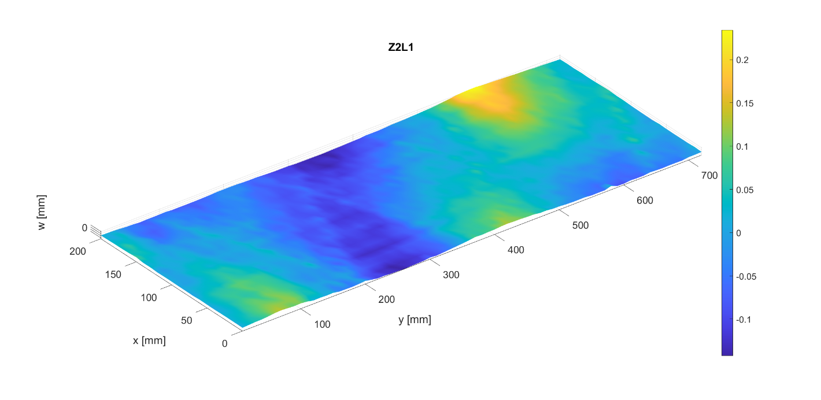

Imperfection amplitude
 | Circumferential modes
Axial modes |  | 0 | 1 | 2 | 3 | 4 | 5 | 6 | 7 | 8 | 9 | 10 | 11 | 12 | 13 | 14 | 15 | 16 | 17 | 18 | 19 | 20 | 21 | 22 | 23 | 24 | 25 | 26 | 27 | 28 | 29 | 30 | 31 | 32 | 33 | 34 | 35 | 36
 | 0 | 0.00045473233412 | 0.090333851065 | 0.034477641306 | 0.021012613283 | 0.012591768511 | 0.0023570706738 | 0.0060546133073 | 0.0027842239129 | 0.001586655468 | 0.0041778014917 | 0.00075652812546 | 0.00065680791613 | 0.00091112037092 | 2.32E-05 | 0.0004506897375 | 0.00038022837846 | 0.00013473321386 | 0.00022202744348 | 0.0003275510145 | 0.00036293868826 | 0.00041866930456 | 0.00047968204908 | 0.00016606970785 | 0.00013941688422 | 0.00018395668453 | 8.79E-05 | 8.77E-05 | 5.15E-05 | 6.73E-05 | 7.85E-05 | 0.00011210707808 | 9.08E-05 | 0.0001105939115 | 3.24E-05 | 6.48E-05 | 4.15E-06 | 1.56E-16
 | 1 | 0.00013523612545 | 0.06537679147 | 0.09450480951 | 0.0065274930723 | 0.0050597793962 | 0.017636135807 | 0.007102257535 | 0.004356975212 | 0.0047278973916 | 0.00061803635751 | 0.0014597221936 | 0.00080896621031 | 0.001358931085 | 0.00038282195758 | 0.00056402360577 | 0.00036019060195 | 4.41E-05 | 0.00053738172457 | 0.00055387819579 | 0.00081788227176 | 0.0002228731907 | 0.0001093999653 | 0.0003424905681 | 0.00052054026832 | 0.00025685762706 | 0.00015456895318 | 0.00010622162958 | 6.58E-05 | 4.70E-05 | 5.83E-05 | 0.00016183886718 | 3.12E-05 | 0.00017185873224 | 4.98E-05 | 5.75E-05 | 2.34E-05 | 2.61E-16
 | 2 | 0.0037421417892 | 0.0022794222633 | 0.00046864480939 | 0.0019413918686 | 0.0084954315981 | 0.0020071433979 | 0.0015563413757 | 0.0041176507356 | 0.010332896582 | 0.0077119789471 | 0.0025664465129 | 0.0012400932574 | 0.00024797001818 | 0.00088339501486 | 0.00091694459201 | 0.00037762560228 | 0.00013720765745 | 0.0004059269254 | 0.00040253307066 | 0.00039180898636 | 0.00014605129062 | 0.00062426940662 | 0.00079613547652 | 0.00025035348428 | 0.00028631235604 | 0.00014826979412 | 0.0001095482152 | 0.00029950461381 | 0.00014966569263 | 8.26E-05 | 0.00012418294318 | 1.73E-05 | 7.49E-05 | 9.96E-05 | 4.31E-05 | 2.84E-05 | 1.51E-17
 | 3 | 0.0020355543295 | 0.0068545483097 | 0.010596469009 | 0.0017854476092 | 0.0013369902499 | 0.0029762645086 | 0.002254394581 | 0.0026309671213 | 0.0014410261214 | 0.00087696595084 | 0.004253535378 | 0.0031644475327 | 0.0039931402381 | 0.0012501405684 | 0.0013165147603 | 0.00039234816532 | 0.00018396660307 | 0.00028813188307 | 0.00049007825227 | 0.00070766982332 | 0.0001373489324 | 0.00048349416156 | 0.00032775975126 | 0.00034488984001 | 0.00020153617434 | 7.40E-05 | 0.00020136327734 | 0.00022128769689 | 0.00022802518537 | 0.00010363790114 | 0.00019738978036 | 5.45E-05 | 0.00013657487898 | 7.36E-05 | 5.04E-05 | 3.92E-05 | 4.11E-17
 | 4 | 0.0032437276409 | 0.0023082742238 | 0.0027567046484 | 0.00046377439955 | 0.0019067888026 | 0.00085306595781 | 0.00087642755025 | 0.00049003505719 | 0.002769265792 | 0.0048950239653 | 0.0035623292602 | 0.0018729102419 | 0.0013688722853 | 0.0035365485909 | 0.001229982792 | 0.0020520108602 | 0.0015375848786 | 0.00072720218602 | 0.00053047213136 | 0.000198156058 | 0.00046954770482 | 0.00066530666208 | 0.00073854806833 | 0.00010485592239 | 0.00030095225489 | 7.75E-05 | 0.0001951495599 | 0.00018869806474 | 0.00012870400392 | 9.24E-05 | 0.00020927604452 | 7.12E-05 | 4.29E-05 | 7.40E-05 | 1.70E-05 | 9.09E-06 | 2.58E-17
 | 5 | 0.00041892964694 | 0.0024763157049 | 0.0032986116889 | 0.0010467243622 | 0.00071694531129 | 0.0016230933482 | 0.0012519820653 | 0.00040498179639 | 0.00086962689895 | 0.00011509223713 | 0.00081711283923 | 0.00082733356373 | 0.0024260444447 | 0.00069478135691 | 0.0015018274227 | 0.00064033800503 | 0.0028937972405 | 0.0030384036572 | 0.00046256530999 | 0.00090178264076 | 0.00059242644119 | 0.0001140418731 | 0.00029369430762 | 0.00061390149641 | 0.00027487533679 | 0.00012069367482 | 0.00012408974134 | 4.78E-05 | 2.13E-05 | 5.69E-05 | 0.0001409329841 | 6.14E-05 | 0.00020020719936 | 8.72E-05 | 6.85E-05 | 4.68E-05 | 4.06E-18
 | 6 | 3.38E-05 | 0.0023089148295 | 0.00027258504623 | 0.00070672747448 | 0.00048750594089 | 0.0003015301955 | 0.0008554654317 | 0.00062795277602 | 0.00085281990459 | 0.0010353016436 | 0.0013922209326 | 0.00026500815655 | 0.00029346591241 | 0.00045441428328 | 0.0010343153175 | 0.00094104574858 | 0.00093649850604 | 0.00075100461651 | 0.001701240656 | 0.001808073334 | 0.00044297579895 | 0.00096763009131 | 0.0011294027435 | 0.00050195895111 | 0.00032952733486 | 0.00012030075862 | 0.00016152434873 | 1.73E-05 | 5.31E-05 | 0.00020840335579 | 6.44E-05 | 0.00010405537933 | 5.65E-05 | 0.00014253582398 | 2.52E-05 | 3.71E-05 | 4.83E-18
 | 7 | 0.0009203841763 | 0.00071361271786 | 0.0029317279018 | 0.00065024617143 | 0.00061966565714 | 0.00084317455042 | 0.00079383976186 | 0.00058727294883 | 0.00038227708626 | 0.00030451155302 | 0.00034092950572 | 0.00058003383597 | 0.00031045722566 | 0.00042928561232 | 0.00038637658296 | 0.00028341612519 | 0.00062289519642 | 0.00050359840158 | 0.00051566307548 | 0.0010459016753 | 0.00080176860267 | 0.0016002278586 | 0.00035209417317 | 0.00091221013415 | 0.00053462469136 | 0.00045359808268 | 0.00028787164284 | 0.00014807886861 | 0.00034873560667 | 0.00024635479173 | 0.00018387697803 | 0.00013334718207 | 8.31E-05 | 6.60E-05 | 1.53E-05 | 1.89E-05 | 1.15E-17
 | 8 | 0.00074028692381 | 0.0024674760751 | 0.0012584543217 | 0.00035441093771 | 0.00031863545889 | 0.00068638109601 | 0.00060595838535 | 4.63E-05 | 0.00075268543898 | 0.00056570155232 | 0.00043301163265 | 0.00012724988826 | 7.79E-05 | 0.00010472770709 | 0.00059531185128 | 5.19E-05 | 8.33E-05 | 0.00045559346913 | 0.00037739922511 | 0.00032595737303 | 2.82E-05 | 0.00048177806228 | 0.00083023678508 | 0.00049244672282 | 0.00033657699253 | 0.00042490443198 | 0.0012676210607 | 0.00066366322383 | 0.00025396357396 | 9.19E-05 | 0.00019288570184 | 2.58E-05 | 2.49E-05 | 1.08E-05 | 1.78E-05 | 4.82E-06 | 9.66E-19
 | 9 | 0.00078539314141 | 0.00063435403509 | 0.0010095330746 | 0.00045304334188 | 0.00089047023106 | 0.00036264270199 | 0.00033854736157 | 0.00052677790701 | 0.00046121257739 | 0.00033717573104 | 0.00046971029188 | 0.00024901715371 | 0.00049851508407 | 0.00066237376421 | 0.00013884920104 | 0.00041755926536 | 0.00025639809583 | 0.000247152613 | 0.00015112589529 | 0.00029815533432 | 0.0003742087469 | 0.00049326239218 | 0.00011365515309 | 0.00020355124728 | 0.00037147214478 | 0.00029432200402 | 0.00010967666879 | 0.00041410594412 | 0.00026480815573 | 0.000468565503 | 0.00046136286819 | 3.80E-05 | 0.00017185146243 | 0.00013486790264 | 1.00E-05 | 2.20E-05 | 9.78E-19
 | 10 | 0.00034195359526 | 0.0029669227986 | 0.00039696541109 | 0.00062451366128 | 0.00075178913012 | 0.00065374266439 | 0.00087667949943 | 0.00028495151129 | 0.00035777832243 | 0.00056458595974 | 0.00017090524593 | 0.00024478934153 | 0.00053579756814 | 0.00019507782163 | 7.11E-05 | 0.00034539701741 | 0.0004411286553 | 0.00054304537145 | 0.00045449394415 | 0.00035841764163 | 2.11E-05 | 0.00017728135779 | 0.00034189556761 | 0.00010798613451 | 0.00021321605897 | 8.82E-05 | 0.00015689633024 | 0.00017848693647 | 7.25E-05 | 0.00017401709826 | 0.0002343909385 | 0.00024502473816 | 0.00010449732216 | 0.00018565866673 | 8.29E-05 | 4.06E-05 | 3.38E-19
 | 11 | 0.0021122791415 | 0.0022446968221 | 0.0005318896793 | 0.00022979383331 | 0.00064155343253 | 0.00055736010161 | 0.00045966816229 | 0.00012868519291 | 0.00037313533506 | 0.00021258550886 | 7.31E-05 | 0.00018489744192 | 0.00051235832823 | 0.00022780622548 | 9.03E-05 | 0.00010551774701 | 0.00026238908389 | 0.00026440691067 | 0.00017083079632 | 0.00012793623874 | 0.00013920859806 | 7.61E-05 | 0.00010826006734 | 0.00024254061091 | 1.29E-05 | 0.00028147452454 | 0.00021868361183 | 9.26E-05 | 0.00016500738201 | 0.00041063336601 | 0.00012193557492 | 4.17E-05 | 0.00031407461297 | 8.91E-05 | 8.28E-05 | 5.70E-05 | 7.56E-18
 | 12 | 0.0012846843585 | 0.0017826204776 | 0.00052722529387 | 0.00024619218154 | 0.00062524889392 | 0.00028836576207 | 0.00023048110747 | 0.00024965825987 | 6.34E-05 | 0.00018501802624 | 0.00032016785601 | 0.00025183349348 | 0.00029265050438 | 0.00032841189217 | 0.00033620052937 | 0.0002059315543 | 4.52E-05 | 0.00013795169651 | 0.00037859606948 | 0.00019446195035 | 7.15E-05 | 9.53E-05 | 0.00031360276366 | 8.29E-05 | 9.59E-05 | 0.00010403991188 | 0.00022927065856 | 0.00014382710781 | 0.00013906584158 | 0.00012940435041 | 5.85E-05 | 6.70E-05 | 7.68E-05 | 0.00015676786147 | 0.00011183155474 | 5.26E-05 | 3.45E-18
 | 13 | 0.00010443007143 | 0.001298800413 | 0.00056353652539 | 0.00089033237547 | 0.00040916141763 | 6.31E-05 | 0.00030923377312 | 0.0004187233944 | 0.00032158631956 | 0.00039654250221 | 0.00070121369918 | 0.00035473813966 | 0.00016537595709 | 0.00032643231327 | 0.00022206914711 | 9.28E-05 | 0.00044352654251 | 0.0001810256716 | 8.42E-05 | 7.47E-05 | 0.00019570883357 | 0.0001082863404 | 0.00010676060867 | 0.00013362051219 | 0.00012441995857 | 0.00014343118559 | 2.38E-05 | 0.00012645620474 | 0.00019185986038 | 0.00027995434662 | 0.00034490271729 | 6.53E-05 | 0.00011434201281 | 2.98E-05 | 6.42E-05 | 3.41E-05 | 3.65E-18
 | 14 | 0.0012319979472 | 0.00067493696244 | 0.00068489503015 | 0.00022123299128 | 0.00049029660061 | 0.00022839686746 | 0.00016290494938 | 0.00019397035673 | 0.00016392901986 | 0.00035303517348 | 0.00060233894646 | 7.70E-05 | 0.00042950400219 | 0.00010052632563 | 0.00019394567726 | 0.00015636062241 | 3.83E-05 | 0.00025716629426 | 0.00021878339251 | 0.00011354233769 | 5.76E-05 | 0.00010086987169 | 4.84E-05 | 0.00031551348481 | 0.00013510888285 | 0.00026877446078 | 0.0003230194379 | 0.00035004024933 | 0.00012678963958 | 0.00012209058534 | 0.0002113768626 | 0.000129241607 | 1.43E-05 | 2.15E-05 | 4.68E-05 | 1.62E-05 | 3.53E-18
 | 15 | 0.00091144261326 | 0.00076360399975 | 0.00076733992906 | 0.00012835339413 | 0.00011562070192 | 0.00039919127194 | 0.00012239009981 | 0.00018375092053 | 5.85E-05 | 0.00019953144037 | 0.0001153655151 | 0.00013762326933 | 0.00012061395067 | 0.00014053434655 | 1.98E-05 | 0.00019275824898 | 0.00011521101307 | 0.00020030450011 | 0.00011768427918 | 5.35E-05 | 3.60E-05 | 0.00016309879834 | 6.99E-05 | 0.00012834088037 | 8.86E-05 | 0.00015215100264 | 0.00027065485481 | 0.0001145106601 | 0.00020051315144 | 3.61E-05 | 5.30E-05 | 5.55E-05 | 6.39E-06 | 1.31E-05 | 1.03E-05 | 1.24E-05 | 4.19E-18
 | 16 | 0.00022996125691 | 0.00063831543889 | 0.0011333249254 | 0.0002097047593 | 0.00019575413126 | 0.00011908435509 | 8.39E-05 | 0.0001753342048 | 0.00021573459261 | 0.00018547450889 | 0.00011371522765 | 5.93E-05 | 0.0001253570564 | 0.00010323600048 | 0.00011309216725 | 0.00017764118195 | 5.03E-05 | 0.00024236257843 | 0.00016379979425 | 0.00018070422494 | 0.0001460381535 | 0.00015574157455 | 0.00018333156319 | 0.00047762150839 | 9.60E-05 | 3.99E-05 | 0.00010384034285 | 3.79E-05 | 4.97E-05 | 7.30E-05 | 3.56E-05 | 8.22E-05 | 1.15E-05 | 2.22E-05 | 2.00E-05 | 4.40E-06 | 4.14E-18
 | 17 | 2.78E-05 | 0.00054137115011 | 0.00027291293582 | 8.99E-05 | 0.0001914483588 | 7.56E-05 | 0.0002856133646 | 0.00018164281728 | 0.00014123159255 | 0.00011242610052 | 0.00010479098409 | 3.87E-05 | 0.00018238077127 | 0.00012104133907 | 5.53E-05 | 3.30E-05 | 7.40E-05 | 0.00019212289061 | 7.74E-05 | 7.44E-05 | 7.52E-05 | 0.00015188797056 | 8.79E-05 | 2.52E-05 | 5.32E-05 | 6.70E-05 | 3.17E-05 | 8.07E-05 | 5.28E-05 | 8.86E-06 | 1.47E-05 | 4.30E-05 | 6.59E-06 | 2.66E-05 | 1.67E-05 | 3.99E-06 | 8.21E-19
 | 18 | 9.13E-05 | 0.00016153189895 | 0.00032740721493 | 9.32E-05 | 0.00011581012047 | 9.80E-05 | 5.19E-05 | 8.75E-05 | 8.75E-05 | 7.59E-05 | 0.00013012226737 | 6.33E-05 | 9.08E-05 | 0.00011506659202 | 0.00012826345911 | 0.0001757351856 | 0.00015866903726 | 0.00016694751418 | 6.36E-05 | 2.52E-05 | 7.73E-05 | 3.21E-05 | 8.05E-05 | 6.88E-05 | 6.96E-06 | 4.53E-05 | 1.58E-05 | 1.09E-05 | 3.10E-05 | 2.15E-05 | 2.62E-05 | 3.66E-06 | 1.08E-05 | 5.77E-06 | 6.08E-06 | 3.47E-06 | 2.49E-19
 | 19 | 2.65E-05 | 7.36E-05 | 0.00012629248618 | 6.71E-05 | 0.00017809594136 | 6.65E-05 | 3.49E-05 | 3.21E-05 | 1.31E-05 | 2.87E-05 | 5.64E-05 | 4.82E-05 | 7.28E-05 | 1.16E-05 | 3.46E-05 | 7.83E-05 | 4.64E-05 | 7.01E-05 | 3.30E-05 | 1.50E-05 | 1.85E-05 | 1.93E-05 | 2.37E-05 | 3.39E-05 | 1.91E-05 | 3.00E-05 | 8.59E-06 | 2.17E-05 | 1.14E-05 | 1.67E-05 | 4.12E-06 | 9.21E-06 | 8.00E-06 | 5.31E-06 | 5.19E-06 | 4.22E-07 | 1.40E-19
 | 20 | 6.83E-18 | 7.51E-17 | 1.94E-17 | 1.49E-17 | 6.26E-18 | 1.65E-18 | 4.81E-18 | 3.95E-18 | 1.75E-18 | 3.38E-18 | 2.25E-18 | 2.06E-18 | 2.53E-18 | 2.22E-18 | 2.37E-18 | 1.72E-18 | 1.84E-18 | 1.82E-18 | 4.23E-18 | 1.60E-18 | 4.80E-19 | 1.16E-18 | 1.53E-18 | 2.17E-18 | 1.05E-19 | 9.06E-19 | 1.95E-18 | 6.42E-19 | 7.96E-19 | 4.23E-19 | 6.76E-19 | 5.55E-19 | 3.77E-19 | 1.98E-19 | 7.40E-20 | 6.18E-20 | 1.88E-31

Phase angle [°]
 | Circumferential modes
Axial modes |  | 0 | 1 | 2 | 3 | 4 | 5 | 6 | 7 | 8 | 9 | 10 | 11 | 12 | 13 | 14 | 15 | 16 | 17 | 18 | 19 | 20 | 21 | 22 | 23 | 24 | 25 | 26 | 27 | 28 | 29 | 30 | 31 | 32 | 33 | 34 | 35 | 36
 | 0 | 0 | 306.59823342 | 97.909489683 | 188.63389964 | 74.172779059 | 347.00519652 | 219.47124676 | 163.23617775 | 40.135748801 | 74.605835004 | 75.755907722 | 293.44357854 | 191.34585322 | 248.12578298 | 280.46020538 | 325.549729 | 70.485768264 | 236.60341686 | 131.27505998 | 120.06133149 | 285.17190822 | 222.51817492 | 274.85343679 | 21.010564145 | 352.27695219 | 279.96901899 | 211.8373594 | 237.83136827 | 354.13757162 | 92.154143231 | 0.35149113142 | 151.68916847 | 113.09142703 | 101.94806936 | 267.41410306 | 31.413177837 | 179.90942391
 | 1 | 0 | 127.34208808 | 50.630031195 | 204.61897439 | 212.28593599 | 159.42249729 | 169.94259997 | 199.11051643 | 254.35865411 | 272.97392991 | 295.9589015 | 288.63558118 | 281.94959981 | 241.18517962 | 253.01452915 | 252.92133412 | 183.92217683 | 166.822552 | 100.48557951 | 337.87322289 | 90.258462481 | 292.68164874 | 0.30813141523 | 50.813810007 | 13.33849308 | 74.215300826 | 190.36992065 | 191.17626594 | 158.34034942 | 144.02042073 | 257.72270183 | 165.46532916 | 134.36925195 | 124.45063216 | 198.1934617 | 269.83623603 | 0.046331308053
 | 2 | 180 | 45.252128391 | 121.52966893 | 304.58589726 | 93.728428887 | 98.94913391 | 218.15338636 | 319.42724531 | 37.470036636 | 86.500118911 | 25.987262254 | 123.91670407 | 203.4274866 | 180.6583684 | 287.22858563 | 326.12356624 | 320.30719276 | 41.831393513 | 23.521594877 | 337.40235167 | 174.40862961 | 189.95188901 | 217.27462057 | 118.83841097 | 46.913482066 | 221.97799606 | 264.18583255 | 228.21479904 | 55.163797643 | 289.02021345 | 281.72843511 | 265.05819618 | 72.896162517 | 110.56443921 | 250.63025897 | 311.80356496 | 358.66070621
 | 3 | 0 | 125.41626409 | 53.999756156 | 222.97119141 | 166.55839653 | 349.08564184 | 65.454493693 | 350.19131452 | 359.68830406 | 223.70029505 | 292.49714888 | 262.07335799 | 296.78330579 | 184.96108467 | 284.39926761 | 76.098400316 | 287.35866081 | 196.7514745 | 85.914286144 | 347.542879 | 168.93291929 | 237.28187869 | 217.19383704 | 105.80641702 | 25.682274897 | 280.31304162 | 273.81439438 | 125.65117976 | 110.02720035 | 181.39666735 | 266.09462219 | 350.14601518 | 90.213388159 | 65.519984117 | 235.00935618 | 244.01153897 | 0.29419897851
 | 4 | 180 | 238.81888461 | 191.78934136 | 23.565941471 | 76.006914588 | 253.03571027 | 282.15524008 | 250.7539963 | 210.74110731 | 266.10545329 | 240.28382526 | 217.66030534 | 37.316788218 | 132.83299222 | 179.08475708 | 288.95250243 | 39.220911984 | 40.366796513 | 300.59373509 | 278.61051897 | 243.58673426 | 194.72558594 | 217.89111797 | 101.1330071 | 12.299965605 | 16.455563318 | 302.47951383 | 219.55271397 | 49.015676323 | 214.34439131 | 339.25469079 | 222.82351882 | 71.634000543 | 78.938414279 | 276.89657926 | 302.39903149 | 0.078347145351
 | 5 | 0 | 114.75129487 | 51.52435512 | 155.68330408 | 116.55801646 | 9.1740379559 | 49.132885668 | 328.27243514 | 335.93307878 | 185.39432254 | 76.618544352 | 52.255165269 | 103.95714039 | 35.351210579 | 93.270534013 | 321.3394833 | 357.55414565 | 132.50199314 | 139.80915852 | 357.90030914 | 347.73829662 | 166.16545937 | 78.636555383 | 52.802539771 | 24.159203153 | 27.394756437 | 199.07636607 | 72.390279382 | 26.744104992 | 351.2473289 | 298.06425139 | 217.74996893 | 128.85924816 | 123.41974739 | 222.13031111 | 297.77750847 | 356.52110608
 | 6 | 180 | 7.6403727285 | 73.11440086 | 223.86105151 | 105.10044431 | 153.59058292 | 217.37998916 | 212.08083421 | 259.25880676 | 298.66794879 | 297.04461377 | 347.64950029 | 323.09716148 | 23.606420026 | 8.4115689892 | 76.365161557 | 216.72851718 | 194.12313768 | 101.79519546 | 202.68872869 | 216.35159178 | 189.31415988 | 238.74262915 | 273.07872817 | 9.3073737167 | 313.95627888 | 343.72026225 | 286.02003551 | 110.03598229 | 298.48351072 | 243.58790412 | 170.29980629 | 109.77745959 | 153.81205765 | 292.62853716 | 298.80402447 | 183.86453844
 | 7 | 180 | 28.666930903 | 26.467759921 | 236.95353337 | 48.873152549 | 30.046040324 | 89.480641796 | 323.72810111 | 80.280748556 | 224.9645878 | 73.66462788 | 115.3192617 | 40.047092731 | 185.62950255 | 335.47580525 | 8.1651189076 | 220.05379111 | 326.45217993 | 227.6834323 | 171.30516889 | 215.41809592 | 203.3689241 | 60.508308441 | 50.557990526 | 7.4039508698 | 91.654828742 | 147.64517014 | 113.82633146 | 211.18811828 | 228.53565039 | 265.45398559 | 249.2104065 | 83.678725548 | 147.28541168 | 199.80092446 | 289.87649621 | 359.82462995
 | 8 | 0 | 302.20373268 | 61.066117647 | 239.63339667 | 28.251914492 | 152.53000363 | 181.92445088 | 205.73671696 | 225.79364139 | 285.69179829 | 298.52868159 | 347.89649418 | 90.135925227 | 342.5487438 | 46.633242977 | 119.55812316 | 117.90995748 | 177.31795171 | 102.61880501 | 341.47987884 | 262.66705364 | 358.54876106 | 45.192861951 | 70.482172206 | 4.2368687249 | 125.34144565 | 292.02782939 | 283.02576206 | 16.396965133 | 141.61091402 | 242.34079012 | 175.77881064 | 148.22348103 | 64.993858676 | 248.40044429 | 270.65296567 | 331.1195902
 | 9 | 180 | 266.31937546 | 82.91200102 | 334.91549338 | 281.92300767 | 291.48871001 | 308.16141907 | 269.06316455 | 285.52017997 | 220.60064853 | 85.681398554 | 49.570787973 | 149.48010404 | 137.64143008 | 289.5949834 | 290.92533517 | 116.24747936 | 329.05685567 | 347.95212425 | 166.43840017 | 176.04823471 | 209.55958169 | 245.57013078 | 31.65779445 | 123.70954709 | 279.65330844 | 288.67104386 | 58.966690231 | 94.726524906 | 191.07311787 | 236.59931791 | 3.4303754932 | 57.78710519 | 130.61770699 | 205.93568056 | 296.28556893 | 346.46361401
 | 10 | 180 | 234.42975553 | 139.64254378 | 36.718648256 | 96.025682093 | 327.65253781 | 233.77298992 | 288.23822978 | 233.73905976 | 212.40788763 | 206.75975885 | 332.33730517 | 118.51462007 | 319.66278271 | 43.986861856 | 147.05351362 | 61.801498498 | 182.44759318 | 184.40539611 | 330.94210182 | 313.09497807 | 33.029857153 | 72.589390905 | 57.664061042 | 189.78304793 | 29.185655857 | 127.54701164 | 151.95387598 | 170.7258942 | 233.29193209 | 8.4416385204 | 221.49969185 | 308.78315844 | 79.994873544 | 270.99661244 | 27.930399121 | 220.59151321
 | 11 | 180 | 87.433482218 | 15.989088181 | 53.26496606 | 184.34722522 | 354.46840425 | 289.5657653 | 253.81124697 | 41.791342096 | 146.67620495 | 22.770108365 | 133.26074308 | 102.44833215 | 108.12194512 | 325.17940812 | 26.238701458 | 132.67601511 | 161.28054016 | 319.24803284 | 269.46445256 | 145.12764226 | 25.447225794 | 157.45729855 | 132.8849502 | 339.47570565 | 295.27828084 | 80.259068006 | 193.53378085 | 315.68383924 | 0.8488057444 | 21.429816367 | 105.85014331 | 282.57833398 | 258.14266533 | 47.77829051 | 249.11124384 | 1.9339553972
 | 12 | 180 | 286.67359607 | 146.78998202 | 44.681021437 | 29.08147915 | 65.391832969 | 267.40972894 | 96.169332276 | 261.6799341 | 305.93161777 | 227.42627559 | 332.51517254 | 101.9573865 | 206.9214198 | 315.69315799 | 278.18624581 | 174.88406554 | 137.5570892 | 30.556413668 | 41.35179395 | 226.63920532 | 308.63358124 | 74.804322834 | 25.199377287 | 164.46081192 | 282.98605433 | 160.70776161 | 165.71142988 | 130.31027768 | 336.6091892 | 324.98218093 | 213.5921751 | 27.680589795 | 246.65040667 | 122.68269514 | 248.16242128 | 1.1701074006
 | 13 | 0 | 211.22907115 | 56.11091238 | 88.193430563 | 113.77124871 | 288.45315074 | 195.23442737 | 328.78315069 | 35.179375264 | 245.48894108 | 300.43143869 | 350.90902227 | 349.64607287 | 79.520116406 | 230.59091253 | 281.17061873 | 146.40927879 | 16.322693564 | 241.80036265 | 218.92417709 | 315.77967523 | 173.02428424 | 314.90180691 | 326.99589906 | 278.67593269 | 257.63202129 | 161.03047243 | 200.52318477 | 4.0815402073 | 330.03181943 | 8.9499449645 | 195.24159264 | 314.32176031 | 178.55987492 | 324.56285809 | 97.668841646 | 4.701497593
 | 14 | 0 | 131.63306784 | 262.31988465 | 123.12178462 | 107.09310831 | 89.905211589 | 230.04679715 | 118.04598009 | 167.5543073 | 294.62974459 | 288.51653362 | 264.91558977 | 250.15495471 | 62.209295193 | 289.63118076 | 332.14291502 | 15.423860973 | 170.13191064 | 69.331282197 | 19.895646001 | 64.729877277 | 200.76761374 | 40.735718017 | 146.33370379 | 259.26896171 | 292.65357134 | 171.80755328 | 100.89656213 | 200.6504951 | 145.94429827 | 306.98693499 | 44.089489202 | 199.5905913 | 63.350141911 | 54.664278681 | 248.24248289 | 170.09412212
 | 15 | 0 | 81.453072946 | 255.33258442 | 329.59535752 | 156.1114393 | 252.37896699 | 148.41059534 | 156.99607528 | 47.182094638 | 81.908325429 | 310.38458384 | 352.58182078 | 222.52995005 | 77.63175038 | 208.76413117 | 345.82124007 | 96.754167526 | 148.49607835 | 43.65409891 | 202.28354243 | 183.51540238 | 238.183919 | 76.255624427 | 4.9188067667 | 92.532565273 | 277.24721341 | 289.72836088 | 359.52658658 | 122.19397867 | 221.6084875 | 184.67197513 | 138.68503708 | 243.20679334 | 252.26535095 | 316.12318218 | 84.320921152 | 188.44714602
 | 16 | 0 | 195.49515456 | 314.23361848 | 315.05424525 | 66.068671759 | 84.022441681 | 273.27722098 | 139.38507171 | 168.34136348 | 151.06459648 | 324.39821763 | 214.87487277 | 149.18162364 | 103.32922215 | 149.22827917 | 346.09919494 | 338.76110808 | 160.36157714 | 58.21238653 | 20.183633502 | 78.949524385 | 195.8491637 | 320.34034646 | 49.973123479 | 19.872587871 | 94.081966501 | 318.79435613 | 310.82331233 | 159.12341765 | 329.13827824 | 22.680049012 | 72.989531219 | 91.605085365 | 270.37387378 | 347.72262174 | 248.09297535 | 177.98996599
 | 17 | 0 | 175.5486845 | 173.5902029 | 195.92906053 | 323.80857768 | 88.690548584 | 248.37111923 | 151.7825402 | 193.81574041 | 139.38109476 | 162.26140302 | 330.09312097 | 174.56638822 | 111.1734026 | 24.726968106 | 311.63114986 | 178.02514266 | 164.27241001 | 165.12330439 | 276.70548872 | 277.20054265 | 156.36804875 | 140.9731603 | 191.42834076 | 257.17541193 | 351.43217502 | 18.024017339 | 145.84264552 | 115.89722641 | 178.10040646 | 69.812522758 | 121.08739287 | 221.42854992 | 319.53295074 | 342.46583086 | 196.58397173 | 137.93504793
 | 18 | 180 | 86.562016336 | 204.07032217 | 252.82852636 | 55.532129935 | 323.99221192 | 146.57214652 | 195.49505555 | 255.90255605 | 305.86366567 | 15.770528971 | 348.11728288 | 104.29541432 | 97.478736049 | 265.86926221 | 338.70962924 | 56.474702148 | 147.55471052 | 163.40159593 | 230.48813386 | 296.49401934 | 116.68272859 | 61.439450489 | 15.954720547 | 52.874119012 | 3.9780448149 | 98.048078415 | 326.13230756 | 204.8736159 | 325.69712467 | 31.583307281 | 66.003474737 | 188.0717906 | 0.60164428303 | 306.10736843 | 195.65262232 | 271.05735031
 | 19 | 0 | 113.13200332 | 64.564031904 | 306.1090684 | 65.795393976 | 295.06909516 | 204.99677873 | 47.121464777 | 7.067487548 | 307.69760851 | 248.1508373 | 61.837085337 | 91.374538118 | 278.14968752 | 74.737165071 | 318.7698757 | 190.97297888 | 46.145720195 | 4.8459402539 | 125.7153672 | 281.00609623 | 154.53570614 | 128.01641308 | 240.13769706 | 294.48371321 | 322.39078086 | 220.87286419 | 185.20563748 | 160.79112824 | 335.75705371 | 52.239626188 | 174.80498224 | 248.31492431 | 1.8727528322 | 24.636983497 | 289.25522444 | 54.972697029
 | 20 | 0 | 310.46987938 | 142.5415945 | 189.79546674 | 60.597011838 | 322.05136825 | 229.52897443 | 149.38850533 | 256.86412119 | 30.848986736 | 312.1737515 | 324.95802584 | 247.02956981 | 341.8394327 | 11.318344211 | 85.391712374 | 216.15054169 | 193.1677034 | 85.508714834 | 209.08785055 | 12.305619213 | 21.363100251 | 250.55609924 | 237.90440206 | 251.12486551 | 265.11096337 | 294.55747139 | 321.53375135 | 47.537649041 | 105.92064335 | 208.9614583 | 72.616096415 | 118.54956485 | 224.81458459 | 87.20397082 | 242.14242471 | 180.51408535

Z3L1
Z3L1
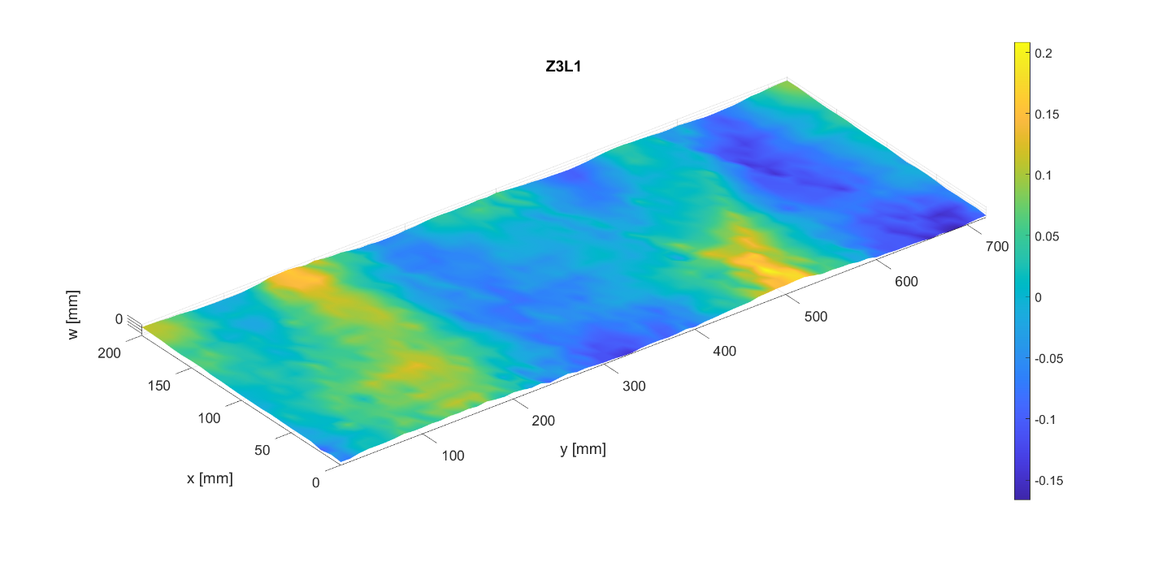

Imperfection amplitude
 | Circumferential modes
Axial modes |  | 0 | 1 | 2 | 3 | 4 | 5 | 6 | 7 | 8 | 9 | 10 | 11 | 12 | 13 | 14 | 15 | 16 | 17 | 18 | 19 | 20 | 21 | 22 | 23 | 24 | 25 | 26 | 27 | 28 | 29 | 30 | 31 | 32 | 33 | 34 | 35 | 36
 | 0 | 0.00050756215887 | 0.038178668203 | 0.087350843359 | 0.013708336473 | 0.043927633212 | 0.0017805109417 | 0.0081397199221 | 0.0014547374887 | 0.0016796039575 | 0.0029024241241 | 0.0013361949479 | 0.0005577116964 | 0.00056286091294 | 0.00046558187767 | 0.00063796752448 | 0.00037768922489 | 0.00067817348582 | 0.00026975668368 | 0.0002293891439 | 0.00037558359436 | 0.00042714528567 | 0.00015594094558 | 0.00034317006761 | 0.00024348783171 | 0.00027468078291 | 8.79E-05 | 0.0003548974377 | 0.00023416598304 | 0.00025117638641 | 0.00019517220014 | 0.00010365607618 | 0.00015013190611 | 1.78E-05 | 7.03E-05 | 2.13E-05 | 1.73E-05 | 1.54E-16
 | 1 | 0.0010492823509 | 0.029479199023 | 0.062022861729 | 0.019188493347 | 0.037382897219 | 0.014878666073 | 0.0054755544271 | 0.0038347452226 | 0.00021755655009 | 0.0015264457578 | 0.0030041857106 | 0.00083274498257 | 0.0013457124926 | 0.000547517317 | 0.0014163313252 | 0.00051819457562 | 6.20E-05 | 0.0010467474864 | 0.0014051667824 | 0.00030040779503 | 0.00029232901594 | 0.00016676231388 | 0.0005278112878 | 0.0002100576041 | 0.00013634465462 | 0.00032694529662 | 0.0005071334446 | 6.79E-05 | 0.00037002956201 | 0.00025743870295 | 0.00020480603925 | 0.00020227443229 | 2.59E-05 | 0.00012657376175 | 7.95E-06 | 1.15E-05 | 4.68E-17
 | 2 | 0.0022836315208 | 0.0023904692362 | 0.0037267670293 | 0.0030893466183 | 0.0053052887267 | 0.0051369601977 | 0.0080716777921 | 0.0020308664872 | 0.0071264178193 | 0.0062807808198 | 0.0054986687945 | 0.0026070236585 | 0.0014807258467 | 0.00091140334434 | 0.0015678397835 | 0.00082097933298 | 0.00097477874016 | 0.0011214902582 | 4.65E-05 | 0.00050324181446 | 0.00096490668042 | 0.00034010041334 | 0.00034385851087 | 0.00017258742921 | 0.00052301128876 | 1.75E-05 | 0.00023356757372 | 0.00014766048869 | 0.00024612893585 | 0.00028473072009 | 0.00010600150589 | 0.00012882981153 | 1.83E-05 | 9.30E-05 | 4.67E-05 | 4.21E-05 | 1.15E-17
 | 3 | 0.013811858923 | 0.0024710061395 | 0.0072082146281 | 0.0048599151043 | 0.0038144970046 | 0.0015795125338 | 0.00079080929926 | 0.0044556028508 | 0.0060608395487 | 0.006755352645 | 0.0073533091103 | 0.0018839738104 | 0.0029615236851 | 0.0017381805214 | 0.0017421250208 | 0.00071028632583 | 0.0017889422938 | 0.0014871540033 | 0.00093577371372 | 0.00054933389412 | 0.00041311433874 | 0.00062060308942 | 0.0012266093352 | 0.00023167570735 | 0.00014525678661 | 0.00048982735188 | 0.00037881610377 | 0.00018371369123 | 0.00032839395786 | 0.00028074173303 | 0.00026070173391 | 0.00010175074367 | 0.00010781660456 | 9.98E-05 | 2.38E-05 | 2.12E-05 | 3.82E-17
 | 4 | 0.0036922821665 | 0.0011333069513 | 0.00066416647197 | 0.00097978421139 | 0.0024835210809 | 0.00051283339444 | 0.0016192989096 | 0.0014907462921 | 0.0020163276432 | 0.0029474183678 | 0.0018795956088 | 0.0036221358413 | 0.0028477203519 | 0.0018354592548 | 0.0024065984514 | 0.0030071008756 | 0.0016174763417 | 0.0013806209295 | 0.00036953281645 | 0.00091471687493 | 0.00066960601925 | 0.00073157548085 | 0.00032900270274 | 0.00027531848051 | 0.00053187200884 | 0.00057400179128 | 5.90E-05 | 0.00034644415333 | 8.84E-05 | 0.00025826206014 | 2.28E-05 | 0.000155666656 | 4.72E-05 | 7.33E-05 | 4.72E-05 | 4.86E-05 | 4.71E-18
 | 5 | 0.0055547883511 | 0.0039976295725 | 0.0045007704288 | 0.0011049676759 | 0.0012687154298 | 0.0015009693087 | 0.0002309525793 | 0.0011551401 | 0.0010281138575 | 0.0009225234019 | 0.0011742166072 | 0.00058438296831 | 0.0013430767725 | 0.0025315809897 | 0.0010499667468 | 0.0015257737321 | 0.0026514275309 | 0.002740292242 | 0.0017586753803 | 0.0015749852384 | 0.00098439461956 | 0.00040559329684 | 0.00065405578319 | 0.00018663688994 | 0.00024712602796 | 0.00032583994811 | 0.00073923208764 | 0.00025136236481 | 5.00E-05 | 0.00052740786648 | 0.00024759156134 | 2.68E-05 | 4.01E-05 | 0.00016468062882 | 0.00010923624308 | 5.48E-06 | 8.29E-18
 | 6 | 0.0052732631561 | 0.0022709724667 | 0.00087425489818 | 0.0003565115821 | 0.0017767374658 | 0.0015628598299 | 0.00056699553864 | 0.00074396577308 | 0.00059434220502 | 0.0011634808557 | 0.00062365704883 | 0.00050013055567 | 0.00061927976945 | 0.0012123529736 | 0.0013411499627 | 0.00047710066382 | 0.0021272025891 | 0.0019533453923 | 0.0012726202851 | 0.0024128145313 | 0.001140960731 | 0.00062641560225 | 0.00095172930581 | 0.00057024068382 | 0.00025409556088 | 7.72E-05 | 0.00018977242812 | 0.00036098123193 | 0.00036442297684 | 0.00027954996226 | 0.00020517823995 | 0.00014342692894 | 0.00011614446918 | 0.00010119944099 | 7.46E-05 | 3.88E-05 | 3.41E-18
 | 7 | 0.0010460154304 | 0.00078847728258 | 0.00083493278073 | 0.0015273893188 | 0.00044854431664 | 0.00025760715727 | 0.00047402439441 | 0.00071788576104 | 0.00045258551222 | 0.00048644887437 | 0.00022151361878 | 0.0011259665189 | 0.00044824000906 | 0.00085407648536 | 0.00071842431607 | 0.00096254211069 | 0.00040945221571 | 0.00060548858542 | 0.0004301087783 | 0.0014469407787 | 0.00070437390185 | 0.0023162681716 | 0.0014847883194 | 0.00056072653959 | 0.0011204868226 | 0.00039010867823 | 0.00098389006078 | 0.00033695417433 | 0.00045460853847 | 0.00024904853395 | 0.0002046123617 | 0.00010154270644 | 4.80E-05 | 4.62E-05 | 3.77E-05 | 2.74E-05 | 3.30E-18
 | 8 | 0.0018987656966 | 0.0013192345313 | 0.0015934532174 | 0.00094330921177 | 0.00093996555609 | 0.0002382882983 | 0.00053611753238 | 0.00061646774775 | 0.0006385123718 | 0.0004223822424 | 0.00076069897362 | 0.00047387132582 | 0.00093510960673 | 0.00056098232755 | 0.00042948426622 | 0.0005787328476 | 0.00064819798845 | 0.00061047594377 | 0.00064988199175 | 0.00042084842072 | 0.00067514096205 | 0.00058947933114 | 0.0010182250863 | 0.0005750521281 | 0.0010308481474 | 0.0011079881416 | 0.0010273202722 | 0.00049636364752 | 0.0011114066413 | 0.00022328022811 | 0.00018673713868 | 0.00016832975424 | 0.00011390168299 | 7.95E-05 | 8.94E-05 | 3.70E-05 | 3.41E-18
 | 9 | 0.00016974098704 | 0.0010767034111 | 0.0016837865095 | 0.00058082898399 | 0.00059012501333 | 0.00044652466697 | 0.00043443669006 | 0.0002941044769 | 0.00053326869059 | 0.00017264324537 | 0.0006499538424 | 0.00055090435657 | 0.0004129966749 | 0.00022090085923 | 0.00018590936202 | 0.00026933242344 | 0.00031314557119 | 0.00055137785822 | 0.00026077237498 | 0.00085470493181 | 0.00068002023654 | 0.00045265702725 | 0.00067144385348 | 0.00052990461105 | 0.00051124356418 | 0.00050250608026 | 0.00013314434091 | 0.0005401749458 | 0.00064344286751 | 0.00068115743641 | 0.00030067938239 | 8.88E-05 | 0.00011527035122 | 3.50E-05 | 2.28E-05 | 6.22E-05 | 9.48E-18
 | 10 | 0.0038294980793 | 0.00030847836509 | 0.00098067708791 | 0.0012652964779 | 0.00040064275185 | 0.00032370181884 | 0.0003448574677 | 0.00048613894549 | 0.00018329579429 | 0.00023768720297 | 0.00036777660069 | 0.00012900560438 | 0.00039440389009 | 0.0004397431934 | 0.00015281942542 | 0.00047672048261 | 0.00054997060694 | 0.0006612977229 | 0.00045882014745 | 0.00042676383804 | 6.83E-05 | 2.37E-05 | 0.00022309922576 | 0.00039222092377 | 0.00047779183291 | 0.00028307568898 | 0.00051470760849 | 0.0002280691562 | 0.00032204425402 | 0.00028261064067 | 0.00064032074998 | 0.00027575271808 | 0.00036739232209 | 0.00029251087576 | 8.60E-05 | 2.82E-05 | 9.90E-18
 | 11 | 0.0018409751884 | 0.0013915207043 | 0.00079699106258 | 0.0011510538193 | 0.00066468967404 | 0.00045540848833 | 0.00056609908275 | 0.00072809755451 | 6.31E-05 | 9.72E-05 | 0.00054085776558 | 0.00052695643125 | 0.00020842674184 | 0.00030576756582 | 0.00037712006147 | 0.00012333987223 | 0.00020144962101 | 0.00051417242482 | 0.00042135359762 | 0.0005653936394 | 0.00065691195511 | 3.27E-05 | 0.00026790859079 | 0.00037199538159 | 0.00041971179036 | 0.000140919965 | 0.00038714716562 | 0.00013212465988 | 0.00030958900519 | 0.00041468210014 | 3.72E-05 | 5.46E-05 | 0.00020237125102 | 0.00025177303719 | 5.71E-05 | 0.00010266006683 | 5.92E-18
 | 12 | 7.27E-05 | 0.00032874319989 | 0.00090893631294 | 0.00073136923025 | 0.0004467335546 | 0.00016046617377 | 0.00027530054119 | 0.000490655182 | 0.00015552197623 | 0.00029272279197 | 0.00046495579706 | 0.00023096119557 | 0.00033350843003 | 0.00074567137411 | 0.00042402925514 | 0.00020909484775 | 0.00023051130954 | 0.00082082269274 | 0.00051082187323 | 0.00019340261347 | 0.00044813935985 | 0.00027294445712 | 0.00022231051691 | 7.04E-05 | 0.0004223664643 | 0.00019717721288 | 0.00034204103312 | 0.00022230119849 | 0.00010544213583 | 0.00016086106037 | 6.97E-05 | 0.00031254264529 | 8.01E-05 | 1.93E-05 | 5.50E-05 | 5.03E-05 | 1.13E-18
 | 13 | 0.00045506713642 | 0.0014411593404 | 0.00060127830436 | 0.00053304079102 | 0.00030176309583 | 0.00037927513497 | 0.00049041864748 | 0.0003149273958 | 0.00060194028264 | 0.0001886731016 | 0.00017177497825 | 0.00026717212643 | 0.00079075272438 | 0.000297373992 | 0.00048490081672 | 0.00014178114658 | 0.00014788229395 | 0.00023314800964 | 0.00014633771125 | 1.60E-05 | 0.00024917917341 | 0.00014758695969 | 0.0001935748579 | 0.00010703509892 | 0.00022933249447 | 5.84E-05 | 0.00037511960426 | 0.00013365679735 | 0.00017217166988 | 0.00038828644442 | 7.74E-05 | 9.03E-05 | 0.00016010379451 | 0.0001035567118 | 8.68E-05 | 5.34E-05 | 5.93E-18
 | 14 | 0.00055884232324 | 0.0016775837839 | 0.0001033394926 | 0.0007808576839 | 0.00095497666557 | 0.00028197490254 | 0.00027528309222 | 0.000685058176 | 0.00025893915361 | 0.00099066563902 | 0.00085759387893 | 0.00023869590332 | 0.000394735613 | 0.00014704223444 | 0.00030552553825 | 0.00013070541651 | 0.00033360798321 | 0.00016246932565 | 0.00014146631421 | 0.00013273405836 | 0.00014650670972 | 0.00022467764194 | 0.00021119164779 | 0.00040348442142 | 0.00032627541957 | 0.00026328881358 | 0.00019837737116 | 0.0002430996554 | 0.00031827723607 | 0.00035001946286 | 7.83E-05 | 6.73E-05 | 4.02E-05 | 7.49E-05 | 2.27E-05 | 1.31E-05 | 2.05E-18
 | 15 | 5.16E-05 | 0.0010076666294 | 0.00027255026711 | 0.00064589476457 | 0.00042122555632 | 0.00041973518872 | 0.00061589099227 | 0.00094689038087 | 0.00023295401864 | 0.00068399281648 | 0.00021925806323 | 8.32E-05 | 0.00010675816155 | 0.00020485994827 | 0.000203480536 | 3.46E-05 | 0.00020100038348 | 7.37E-05 | 7.06E-05 | 0.00011717135585 | 0.00022965050414 | 0.00019071314153 | 0.00027558636101 | 8.01E-05 | 0.00013330129109 | 0.00033626952112 | 0.00013759919787 | 0.00010054763119 | 0.00013412689878 | 0.00033502679149 | 0.00010337156484 | 7.12E-05 | 1.98E-05 | 5.35E-05 | 2.88E-05 | 2.72E-05 | 6.60E-18
 | 16 | 0.00027885099607 | 0.0003337770341 | 0.00012266012002 | 8.64E-05 | 0.00047331435597 | 0.00048693221022 | 7.09E-05 | 1.73E-05 | 0.00047393854063 | 0.00054578164838 | 0.00024280416977 | 0.00036067740117 | 0.00017380682934 | 4.19E-05 | 0.0001508502512 | 4.86E-05 | 0.0002410385967 | 9.41E-05 | 4.35E-05 | 0.00017650672315 | 5.93E-05 | 0.00030317037528 | 0.0001165916387 | 0.00029155062566 | 0.00017803778721 | 0.00029541292906 | 0.00018172682216 | 9.18E-05 | 0.00014811855395 | 0.00014118705402 | 2.28E-05 | 6.04E-05 | 6.80E-05 | 7.55E-05 | 3.23E-05 | 3.47E-06 | 2.38E-18
 | 17 | 0.00050916669746 | 0.00027614817105 | 0.00077298215837 | 0.00015962111807 | 0.00034477324075 | 0.00023781702101 | 5.96E-05 | 6.58E-05 | 0.00012844704361 | 7.62E-05 | 5.62E-05 | 0.00020509181044 | 0.00020711325973 | 0.00016771101439 | 9.97E-05 | 0.00010961070752 | 9.65E-05 | 0.00023669739497 | 9.89E-05 | 0.00010695044484 | 0.00018624421519 | 0.00013247405453 | 0.00016279451064 | 0.00015377773397 | 8.49E-05 | 5.18E-05 | 6.25E-05 | 3.47E-05 | 2.22E-05 | 9.92E-05 | 1.38E-05 | 1.48E-05 | 2.58E-05 | 3.36E-05 | 5.29E-06 | 3.86E-06 | 3.13E-18
 | 18 | 0.00036366215276 | 0.00020559745821 | 0.00017182983827 | 0.00016781832308 | 0.00012853460152 | 0.00028794218015 | 6.50E-05 | 0.0001260131276 | 0.00012839168195 | 5.24E-05 | 2.58E-05 | 7.14E-05 | 2.27E-05 | 0.00010777499269 | 9.17E-05 | 0.00013107533811 | 0.00016680493662 | 0.00022322795088 | 0.00022182327093 | 9.01E-05 | 2.78E-05 | 0.00019701448848 | 4.35E-05 | 5.26E-05 | 6.27E-05 | 2.79E-05 | 7.21E-05 | 2.34E-05 | 3.84E-05 | 3.14E-05 | 1.45E-05 | 2.38E-05 | 3.79E-05 | 3.60E-05 | 8.10E-06 | 7.71E-06 | 6.76E-19
 | 19 | 0.00011698254528 | 0.00023427275885 | 5.04E-05 | 9.17E-05 | 0.00016695652966 | 7.08E-05 | 0.00011338877486 | 7.08E-05 | 3.10E-05 | 6.27E-05 | 4.93E-05 | 6.14E-05 | 0.0001158797262 | 7.34E-05 | 0.000110240278 | 6.85E-05 | 7.46E-05 | 7.78E-05 | 7.71E-05 | 4.65E-05 | 7.14E-05 | 3.31E-05 | 4.75E-05 | 2.18E-05 | 3.01E-05 | 2.71E-05 | 1.66E-05 | 1.48E-05 | 1.84E-05 | 1.56E-05 | 3.27E-06 | 1.11E-05 | 6.23E-06 | 7.35E-06 | 2.50E-06 | 2.24E-06 | 5.61E-19
 | 20 | 1.25E-17 | 2.79E-17 | 4.63E-17 | 1.01E-17 | 3.77E-17 | 5.82E-18 | 4.54E-18 | 8.52E-19 | 1.63E-18 | 1.10E-18 | 1.98E-18 | 1.06E-18 | 1.35E-18 | 1.92E-18 | 2.31E-18 | 4.51E-18 | 3.40E-18 | 2.83E-18 | 1.84E-18 | 3.78E-18 | 2.77E-18 | 4.31E-18 | 4.03E-18 | 1.13E-18 | 1.74E-18 | 1.87E-18 | 2.84E-18 | 1.75E-18 | 2.29E-18 | 6.25E-19 | 6.10E-19 | 2.17E-19 | 5.38E-19 | 1.71E-19 | 1.32E-19 | 4.94E-20 | 1.09E-31

Phase angle [°]
 | Circumferential modes
Axial modes |  | 0 | 1 | 2 | 3 | 4 | 5 | 6 | 7 | 8 | 9 | 10 | 11 | 12 | 13 | 14 | 15 | 16 | 17 | 18 | 19 | 20 | 21 | 22 | 23 | 24 | 25 | 26 | 27 | 28 | 29 | 30 | 31 | 32 | 33 | 34 | 35 | 36
 | 0 | 180 | 70.986233554 | 119.89265658 | 358.79188434 | 344.46126476 | 332.42872029 | 139.55225672 | 68.260952991 | 224.1367849 | 56.77143974 | 322.31245144 | 148.28513728 | 77.298051156 | 7.1530728146 | 288.67575085 | 110.37370936 | 259.90667538 | 90.312869529 | 242.8816643 | 221.93260937 | 154.25974005 | 17.799112335 | 280.06424992 | 80.649453453 | 148.93219363 | 93.462827932 | 192.1587322 | 34.998226937 | 294.6967411 | 128.11435537 | 342.22157201 | 291.62736876 | 96.02943071 | 344.20226979 | 192.06522726 | 69.393435123 | 0.039176500392
 | 1 | 180 | 240.5345541 | 135.2655321 | 53.127784751 | 183.1944738 | 151.02147683 | 15.485700173 | 294.28147619 | 212.61382339 | 103.35793865 | 291.0335305 | 189.86452247 | 31.195476693 | 222.7462627 | 251.72987617 | 28.648541667 | 316.03697631 | 289.23587246 | 165.93138934 | 40.580796825 | 5.6418712276 | 334.748197 | 257.06913882 | 9.2120040731 | 114.18628761 | 322.6344276 | 265.45375738 | 254.33821554 | 116.01830662 | 158.03218692 | 250.63241655 | 42.233760365 | 232.24298092 | 144.27491211 | 325.15258844 | 169.29496251 | 179.31003276
 | 2 | 0 | 248.3371013 | 205.75687995 | 134.5169485 | 21.801037605 | 62.144484021 | 49.296528158 | 152.66482307 | 214.18070869 | 69.333474085 | 3.3072925209 | 199.96047877 | 25.279808108 | 42.633212092 | 267.22438461 | 229.83794211 | 279.86793115 | 272.38478184 | 70.440819179 | 2.9893095371 | 201.51253475 | 341.8118599 | 284.2718832 | 46.782578267 | 327.6216491 | 329.72804317 | 32.771774257 | 78.237743758 | 299.75654394 | 227.24234491 | 191.6271342 | 359.78897366 | 60.199040132 | 257.88092072 | 114.86173336 | 343.50810054 | 0
 | 3 | 180 | 243.27651179 | 141.43228477 | 35.503480547 | 172.43904048 | 4.3456689585 | 312.9658619 | 176.16461164 | 44.589928891 | 66.527596313 | 269.41799966 | 249.46269526 | 110.52137486 | 343.72937617 | 210.71005362 | 69.295123816 | 279.03750028 | 296.16312287 | 219.55227314 | 12.43715657 | 298.43630369 | 21.950139407 | 227.89152226 | 204.78766081 | 36.523650651 | 285.70538045 | 169.97988449 | 351.48549655 | 230.7185836 | 135.891578 | 262.42633903 | 307.52541749 | 76.03653413 | 221.29540758 | 60.939844551 | 353.49572034 | 180.63323967
 | 4 | 180 | 199.45423486 | 91.758769542 | 119.71320849 | 38.359196299 | 34.821401778 | 164.08476812 | 343.62357031 | 327.45832272 | 247.37966556 | 131.33622739 | 31.908352763 | 177.43535259 | 262.67175431 | 238.96631025 | 208.97966143 | 355.1701285 | 257.59862863 | 313.95866383 | 67.807666544 | 209.33876155 | 32.319407832 | 309.91386528 | 308.55907451 | 184.20242915 | 256.88812895 | 20.461779582 | 38.092304364 | 359.60104979 | 112.01987886 | 236.34873436 | 287.08819164 | 120.35883715 | 199.4572833 | 162.49880478 | 347.4116837 | 352.27043864
 | 5 | 180 | 292.52791623 | 128.46890592 | 84.457815043 | 218.6140402 | 267.19898211 | 216.33012502 | 153.58201343 | 15.436291352 | 290.57197475 | 22.014311556 | 32.446571275 | 224.61247646 | 116.63799039 | 23.991111701 | 212.64028602 | 183.42091287 | 278.65527531 | 200.64748257 | 24.808098271 | 332.49442205 | 38.203894693 | 232.29820732 | 342.79132304 | 268.62202802 | 341.47928562 | 243.62454673 | 81.819682591 | 217.261086 | 109.31380291 | 12.454254287 | 149.47155064 | 58.109101822 | 50.9167856 | 291.06069554 | 118.61908097 | 178.53978116
 | 6 | 0 | 311.87299089 | 239.14693775 | 345.06527797 | 348.5348144 | 345.76943438 | 29.208227459 | 343.38120797 | 140.37710182 | 272.60457326 | 16.371383584 | 356.04151357 | 169.07150012 | 170.10997797 | 14.40861101 | 12.860546806 | 133.34472801 | 2.6780061066 | 278.30936859 | 184.83195447 | 72.832342225 | 91.996607697 | 356.42460687 | 239.69634111 | 301.93851039 | 287.87901652 | 124.71981512 | 53.244338607 | 274.2155488 | 171.9174371 | 73.800333609 | 330.44188703 | 92.521810584 | 69.32336676 | 193.2953404 | 99.836718121 | 189.50574758
 | 7 | 0 | 225.63732895 | 103.3631853 | 220.89051655 | 177.75654376 | 94.268748489 | 354.09766767 | 62.966959056 | 72.828968402 | 279.81549283 | 203.39080695 | 259.80917065 | 237.19380285 | 118.05796396 | 24.981219675 | 235.75539997 | 172.19737023 | 74.17066137 | 351.08014809 | 143.86443556 | 196.03079063 | 326.36224505 | 173.45683421 | 49.201982721 | 1.1417177855 | 29.118752157 | 246.08068488 | 143.63663655 | 199.25129397 | 157.72504175 | 60.264290407 | 340.43475223 | 219.78250169 | 214.9501717 | 83.016637677 | 137.13110957 | 175.10890361
 | 8 | 0 | 224.45197508 | 349.27743706 | 245.03398513 | 19.535919577 | 106.80524132 | 351.34282968 | 320.49111599 | 193.84862792 | 241.48461583 | 343.20876309 | 337.58250736 | 176.25101477 | 255.36015303 | 18.502078582 | 30.237215598 | 131.47537864 | 300.36731306 | 217.71003976 | 206.02064906 | 353.48304025 | 42.244747575 | 239.06226961 | 85.22180835 | 105.5323664 | 249.7658382 | 6.1830408985 | 10.663910837 | 236.74029095 | 205.78488058 | 29.734801939 | 322.23985576 | 41.721964811 | 312.30274099 | 169.33856527 | 91.179585219 | 176.45143433
 | 9 | 180 | 248.23336612 | 94.954764399 | 338.48295264 | 38.080005174 | 72.85413454 | 256.52819772 | 326.34668585 | 316.68148639 | 123.7567646 | 119.16129094 | 235.09312286 | 140.59360452 | 111.68012985 | 13.491772196 | 16.011807997 | 91.998266588 | 60.71997157 | 105.67422934 | 223.33694526 | 142.38857841 | 39.333899249 | 330.81327101 | 331.10096474 | 108.47329619 | 289.68488374 | 77.953364176 | 20.655739901 | 284.04873772 | 96.824836258 | 35.193777677 | 110.78895554 | 351.65738817 | 340.90889729 | 181.82709438 | 187.87488432 | 181.27683633
 | 10 | 180 | 192.59787968 | 207.49290751 | 25.37986206 | 76.642929797 | 280.2229611 | 120.92342859 | 336.40893269 | 192.06015781 | 189.90828232 | 216.29205315 | 109.73528063 | 104.71387531 | 78.313412259 | 286.37074094 | 107.29439304 | 124.8490455 | 310.8090597 | 242.73035081 | 197.76369951 | 183.74424869 | 282.77147044 | 131.39601091 | 9.2125496829 | 100.63179922 | 113.06812071 | 313.04593668 | 93.763017412 | 115.19493888 | 293.66332699 | 0.62052405755 | 303.01928016 | 3.2250268709 | 7.2307129347 | 182.44316786 | 165.70117968 | 178.77748242
 | 11 | 0 | 42.430725241 | 18.543124816 | 15.462739163 | 66.189303258 | 220.39993307 | 106.8836175 | 292.60405953 | 106.48719131 | 43.753161753 | 242.82419965 | 147.67871033 | 49.752893289 | 141.72044671 | 91.990674415 | 189.33404635 | 197.97116644 | 356.71934654 | 286.98012637 | 217.4264686 | 54.192210138 | 301.89258614 | 28.049362318 | 266.37776709 | 106.64413445 | 60.649342289 | 356.20721686 | 91.141009993 | 287.02972021 | 347.6497208 | 224.75887089 | 46.897055178 | 330.75794296 | 40.849071199 | 257.40384926 | 133.11683264 | 356.25081129
 | 12 | 180 | 4.6958201991 | 305.61839424 | 79.428627277 | 234.76099929 | 334.24982467 | 12.196363794 | 243.32465013 | 83.593862645 | 174.64458718 | 275.87185363 | 40.028485903 | 175.01228318 | 208.08720026 | 18.739993966 | 74.253108354 | 207.1471107 | 356.33094824 | 330.39847181 | 293.90752519 | 15.756380182 | 210.21515054 | 94.563964581 | 34.073332561 | 116.17371311 | 73.159818489 | 325.87368769 | 55.713629252 | 277.0301295 | 298.64393296 | 228.01491426 | 120.64442627 | 147.26227757 | 303.88357067 | 211.75449696 | 305.3835115 | 8.9281669449
 | 13 | 0 | 30.468472891 | 132.91382895 | 84.629581976 | 100.63826325 | 319.33699336 | 308.9662975 | 221.00263188 | 35.736560503 | 145.1362412 | 153.72352482 | 286.22605816 | 250.18561932 | 146.4784242 | 52.691343657 | 264.81711328 | 306.70133556 | 314.01917942 | 347.83152872 | 322.49629372 | 79.353126176 | 211.6534772 | 94.302176907 | 99.044736286 | 80.602975346 | 250.68314323 | 358.98833365 | 207.32058049 | 150.31806106 | 3.3385130234 | 182.40327391 | 205.06622615 | 285.33598771 | 169.88121963 | 117.7504174 | 349.85824049 | 4.4232104872
 | 14 | 0 | 321.53034729 | 81.35315842 | 21.031758412 | 233.07207952 | 75.090342866 | 30.132788941 | 139.29024734 | 11.909087142 | 236.9629108 | 169.82887023 | 37.316874843 | 167.24804172 | 71.769737798 | 12.236259407 | 49.060160815 | 144.92627755 | 25.003183094 | 260.14080908 | 232.74388908 | 112.9407264 | 267.28925485 | 81.241841881 | 29.202555241 | 55.82726169 | 145.85601046 | 71.447444577 | 92.032570645 | 213.27276121 | 315.39526414 | 142.18976834 | 85.908029978 | 272.75410749 | 120.05809375 | 356.21430125 | 308.63587196 | 11.91625737
 | 15 | 180 | 185.72643533 | 67.60239598 | 130.32480008 | 143.99768621 | 22.89442075 | 325.88140543 | 143.63739315 | 340.33230176 | 199.32583051 | 202.61825407 | 14.340538667 | 269.31797389 | 60.835848739 | 339.70076541 | 209.60777591 | 134.55265399 | 54.307966959 | 218.51299517 | 116.02317524 | 5.8295657635 | 230.42108895 | 74.925421946 | 75.539784608 | 69.420499863 | 135.74521994 | 247.00791375 | 206.93713165 | 289.9723492 | 252.78103505 | 127.02091093 | 77.851923648 | 134.50640819 | 199.92641636 | 111.3762066 | 312.60909978 | 186.58927792
 | 16 | 180 | 184.87103043 | 294.67399768 | 116.41801763 | 57.031480023 | 154.52274237 | 139.76018208 | 330.50075209 | 24.442409804 | 224.91545921 | 184.03708852 | 281.63756517 | 217.44957543 | 294.54027214 | 36.597010257 | 4.4913215482 | 169.68904867 | 144.25809414 | 288.46515857 | 14.675048313 | 11.511269947 | 183.82159984 | 148.99772391 | 61.126112348 | 112.95257055 | 304.60760545 | 275.92767314 | 168.67448053 | 139.56623948 | 307.53871352 | 322.45190577 | 74.651189069 | 231.05214349 | 147.16946419 | 333.53155146 | 8.375304824 | 4.2386307603
 | 17 | 180 | 299.5164349 | 276.32144712 | 18.38227602 | 54.205355182 | 159.70160986 | 277.04669343 | 213.2074888 | 182.39699053 | 218.3126861 | 310.61365935 | 217.52914409 | 298.43054021 | 168.01040443 | 78.752790178 | 304.49396637 | 210.41693378 | 160.91291038 | 38.396295007 | 216.96720992 | 209.21841885 | 249.91256949 | 44.210276625 | 13.95169156 | 210.95730156 | 133.28763482 | 9.4558763619 | 15.632786242 | 355.05153454 | 249.64250606 | 203.67203518 | 203.23594753 | 227.95168473 | 118.72326428 | 167.83864395 | 69.836274929 | 11.680888697
 | 18 | 180 | 274.82716162 | 107.11278735 | 163.51042659 | 138.74933286 | 154.76129237 | 154.03061747 | 255.09960728 | 278.72894037 | 25.53570183 | 193.09768164 | 227.67128479 | 278.87119957 | 8.3703419765 | 120.66872938 | 357.8627571 | 213.44880186 | 128.11866351 | 119.03269211 | 338.83902517 | 34.35806299 | 238.11811765 | 59.789923192 | 48.732173235 | 128.37485062 | 52.776965791 | 287.90112704 | 310.13906517 | 85.551901988 | 317.90985257 | 255.35050466 | 69.186020979 | 214.68599974 | 153.75642116 | 312.51815521 | 101.40896879 | 35.896430114
 | 19 | 180 | 201.44666747 | 153.41844608 | 108.87404665 | 209.51227141 | 219.58631659 | 76.572887349 | 133.50384521 | 23.848623389 | 76.057780668 | 274.2652445 | 112.81111696 | 353.5807374 | 289.41031408 | 215.73637911 | 181.37219312 | 173.88510504 | 122.6676824 | 174.17337601 | 301.68370003 | 219.54227123 | 165.76791293 | 88.136583138 | 28.820707466 | 287.46135406 | 177.67960494 | 355.78775678 | 108.63929554 | 42.647469688 | 284.6012977 | 162.29358719 | 157.49247558 | 153.02060171 | 177.85758369 | 165.28132083 | 291.79232626 | 354.14502506
 | 20 | 0 | 59.865110215 | 115.41993003 | 341.12753997 | 343.66111866 | 335.16546999 | 155.62378012 | 132.08766925 | 167.92217276 | 14.647986604 | 340.27099721 | 57.667612487 | 126.63294045 | 238.30260757 | 23.83686872 | 33.619477539 | 137.48047166 | 18.851949296 | 248.9707922 | 226.82841766 | 48.951227503 | 129.0485082 | 338.89767329 | 209.83118375 | 167.60037017 | 232.38477425 | 74.467911195 | 8.0025863292 | 274.78914357 | 163.89756785 | 157.47907856 | 123.7771522 | 132.97034964 | 175.11817682 | 207.48560499 | 11.913674379 | 0.65931706012

Z1L2
Z1L2
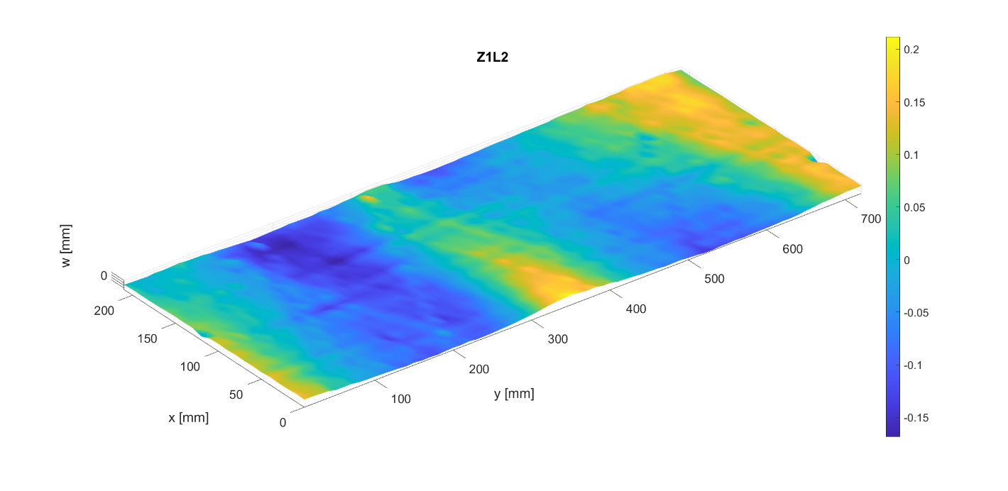

Imperfection amplitude
 | Circumferential modes
Axial modes |  | 0 | 1 | 2 | 3 | 4 | 5 | 6 | 7 | 8 | 9 | 10 | 11 | 12 | 13 | 14 | 15 | 16 | 17 | 18 | 19 | 20 | 21 | 22 | 23 | 24 | 25 | 26 | 27 | 28 | 29 | 30 | 31 | 32 | 33 | 34 | 35 | 36
 | 0 | 0.00049716647456 | 0.07144229777 | 0.11252524445 | 0.018948599399 | 0.029419920788 | 0.0019223069901 | 0.012059998771 | 0.00093535937503 | 0.0017771381803 | 0.001209637577 | 0.0024167825147 | 0.00059543048976 | 0.0009856612594 | 0.00034884522322 | 0.00063033699489 | 0.00097542557313 | 0.00063458157825 | 0.00010013325245 | 0.00031557088077 | 0.00037548966373 | 0.00030608803931 | 0.00023530081582 | 0.0003436716936 | 0.00026825829577 | 0.00014397421151 | 0.00033143541807 | 0.00040430802267 | 0.00013643513709 | 1.68E-05 | 9.42E-05 | 0.00016139609928 | 6.88E-05 | 0.00011533869259 | 4.14E-05 | 3.62E-05 | 4.65E-05 | 4.91E-16
 | 1 | 0.0037437160257 | 0.062390398891 | 0.055726923315 | 0.014395592974 | 0.032895256164 | 0.0098455614446 | 0.0084338232456 | 0.0024056610839 | 0.003596758158 | 0.0014734118627 | 0.00026093664181 | 0.0017717908264 | 0.0012438645189 | 0.0015003327857 | 0.0007533685273 | 0.00067566245787 | 0.0014925992837 | 0.0014551741138 | 6.63E-05 | 0.0002405301992 | 0.00069554031445 | 0.00052754639149 | 0.00059713687988 | 0.00032953700692 | 0.00020635017333 | 0.00059211548685 | 0.00054763653061 | 0.00022552241927 | 0.00062665336158 | 0.00032261399828 | 0.00031880048351 | 0.00016534759278 | 0.00010732312707 | 0.00012049293675 | 4.09E-05 | 6.10E-05 | 4.57E-16
 | 2 | 0.0051521442953 | 0.0028471861634 | 0.0030597867878 | 0.0032048433736 | 0.0036989209702 | 0.0039188735662 | 0.010133538834 | 0.0035557569059 | 0.0034834732784 | 0.0025484664178 | 0.0044231364692 | 0.00049110313183 | 0.00047380960523 | 0.0017714209342 | 0.0010037255462 | 0.0016108792569 | 0.00070382677408 | 0.0010612912763 | 0.00058741130148 | 0.00065557519629 | 0.00030643951005 | 0.00043310075268 | 0.00083893838325 | 0.00017256645933 | 0.00031008434948 | 0.00040639681031 | 0.0005596438503 | 0.00014769942128 | 0.00032333031916 | 0.00036844692588 | 0.00021104178338 | 0.00040273028512 | 0.00033911419198 | 5.95E-05 | 3.44E-05 | 4.13E-05 | 4.32E-17
 | 3 | 0.0034476579358 | 0.0053152171683 | 0.0081195817239 | 0.00056342712235 | 0.0013200730197 | 0.0037595891424 | 0.0029231540303 | 0.0032319336328 | 0.0028724092773 | 0.0020659138527 | 0.0042106619656 | 0.0012223190597 | 0.00068120290167 | 0.0030875866355 | 0.00032086674938 | 0.0012696368257 | 0.00059210565496 | 0.0018423237351 | 0.0011954705248 | 0.00087508785453 | 0.00050083011554 | 0.00040241271265 | 0.00084889783433 | 0.00054700527777 | 0.0005803755115 | 0.00025376772838 | 0.00035223184152 | 0.00021687768006 | 5.98E-05 | 0.00032710986064 | 0.00032906434048 | 0.00041301459501 | 0.00018941594493 | 2.55E-05 | 2.21E-05 | 3.81E-05 | 2.15E-17
 | 4 | 0.0011886390826 | 0.0031320862296 | 0.0022717713943 | 0.0021088263177 | 0.00040666636594 | 0.0016787829266 | 0.0016064817904 | 8.16E-05 | 0.0018407329093 | 0.002930575805 | 0.0035270189117 | 0.0026961724858 | 0.0013660032771 | 0.0045404173936 | 0.0011856585433 | 0.0031737588776 | 0.001004020692 | 0.00080318431214 | 0.00084075893465 | 0.0014025308091 | 0.00045985247164 | 0.0011427083274 | 0.00049205080675 | 0.00050849856975 | 0.00056514421152 | 0.00031366219413 | 0.00086415555403 | 0.00034802124058 | 0.00042734592035 | 0.00032666274242 | 0.00049639510626 | 0.00029486362384 | 0.00022668470606 | 8.62E-05 | 0.00012026164659 | 4.06E-05 | 4.17E-17
 | 5 | 0.00023413752497 | 0.0017838785694 | 0.0032801907241 | 0.0021085073659 | 0.0017072635276 | 0.0013772220024 | 0.0029100181979 | 0.00071379244146 | 0.0011678537311 | 0.00080436748735 | 0.00089854076672 | 0.0012039069363 | 0.00076790407435 | 0.0034236782009 | 0.0004721864424 | 0.0020411084137 | 0.0010440564732 | 0.0027138779923 | 0.0013171342276 | 0.00072987412941 | 0.00060260906204 | 0.00019900868587 | 0.00086048400724 | 0.00074282429962 | 0.00026384535165 | 0.00031557551665 | 0.00030631199657 | 0.00050995087453 | 0.00012375575 | 0.00028425729462 | 0.0001881375776 | 3.60E-05 | 7.32E-05 | 4.75E-05 | 2.76E-05 | 1.75E-05 | 2.75E-17
 | 6 | 0.00038586146652 | 0.0026212062857 | 0.00072017553343 | 0.00097618121527 | 0.00080730834482 | 0.00049939211818 | 0.0004921407448 | 0.00046988869241 | 0.00089285952977 | 0.0012230968535 | 0.0010370365582 | 0.00032818490387 | 0.00032153844479 | 0.0011804847984 | 0.00035767331907 | 0.0020435840875 | 0.0015715852006 | 0.0019946702873 | 0.0011650510042 | 0.0024996775614 | 0.00078042571048 | 0.0010763887306 | 0.0013611226381 | 0.0004484671944 | 0.00020579019878 | 0.00023806433687 | 0.00075957477521 | 0.00012250497134 | 0.00042336549808 | 5.81E-05 | 0.00018925521437 | 9.37E-05 | 2.59E-05 | 3.49E-05 | 1.61E-05 | 1.22E-05 | 8.98E-18
 | 7 | 0.0010197935042 | 0.0036731015236 | 0.0010050260277 | 0.0019996011331 | 0.0016870093646 | 0.00094477859215 | 0.0010806537673 | 0.00099514473451 | 0.00081634372081 | 0.0011715927212 | 0.00080056082966 | 0.0010486229631 | 0.00019043252618 | 0.00081635617504 | 0.00013313314868 | 0.00052312467837 | 0.00056061037307 | 0.0014889855793 | 0.001086438606 | 0.00029607822767 | 0.001282902617 | 0.00026500513196 | 0.0021141009566 | 0.0003813685649 | 0.00019231219567 | 0.00037108896723 | 0.00069300575856 | 0.00019940416513 | 0.00058147483486 | 0.000117921058 | 0.00011791735798 | 0.00035282118563 | 0.00027644546134 | 7.79E-05 | 3.49E-05 | 3.40E-05 | 9.27E-18
 | 8 | 0.0011592452965 | 0.0021166860548 | 0.0024902977163 | 0.0005343705143 | 0.00078280993555 | 0.0010441856961 | 0.0012976619552 | 0.0005559895547 | 0.00050666144293 | 0.00094293237978 | 0.0010049292155 | 0.00096608716085 | 0.00078127620884 | 0.00031754155866 | 0.00056740280386 | 0.00025921106011 | 0.00042541526187 | 0.00036169117203 | 0.00013526964261 | 0.00090009034149 | 0.00125896206 | 0.0018287800337 | 0.0014379243292 | 0.0018198309024 | 0.00016986271317 | 0.0012584852611 | 0.0019013632339 | 0.00043042666504 | 0.0001763989895 | 0.00034236917114 | 0.00037724429172 | 0.00025460841921 | 0.00030546264986 | 0.00014831174545 | 6.92E-05 | 1.91E-05 | 9.24E-19
 | 9 | 0.0032255855911 | 0.0021578040239 | 0.0029910631124 | 0.00089391675787 | 0.00063804317904 | 0.00068883926688 | 0.0011767367287 | 0.0010728920117 | 0.000913857994 | 0.00079936137773 | 0.0010032505243 | 0.00058208046735 | 0.00045130162133 | 0.00082787148553 | 0.00048594231114 | 0.00019773872349 | 0.00028795888108 | 0.00053496668986 | 0.00089574357439 | 0.00026833586817 | 0.00045666422406 | 0.00023415646855 | 0.00074555497826 | 0.00067021366469 | 0.00067066127576 | 0.0013476670609 | 0.00067405614891 | 0.00064365643392 | 0.0013389141203 | 0.00016616297235 | 0.00023044260574 | 0.00022293157935 | 0.00026015491015 | 6.65E-05 | 7.41E-05 | 1.94E-05 | 1.28E-17
...

Z2L2
Z2L2
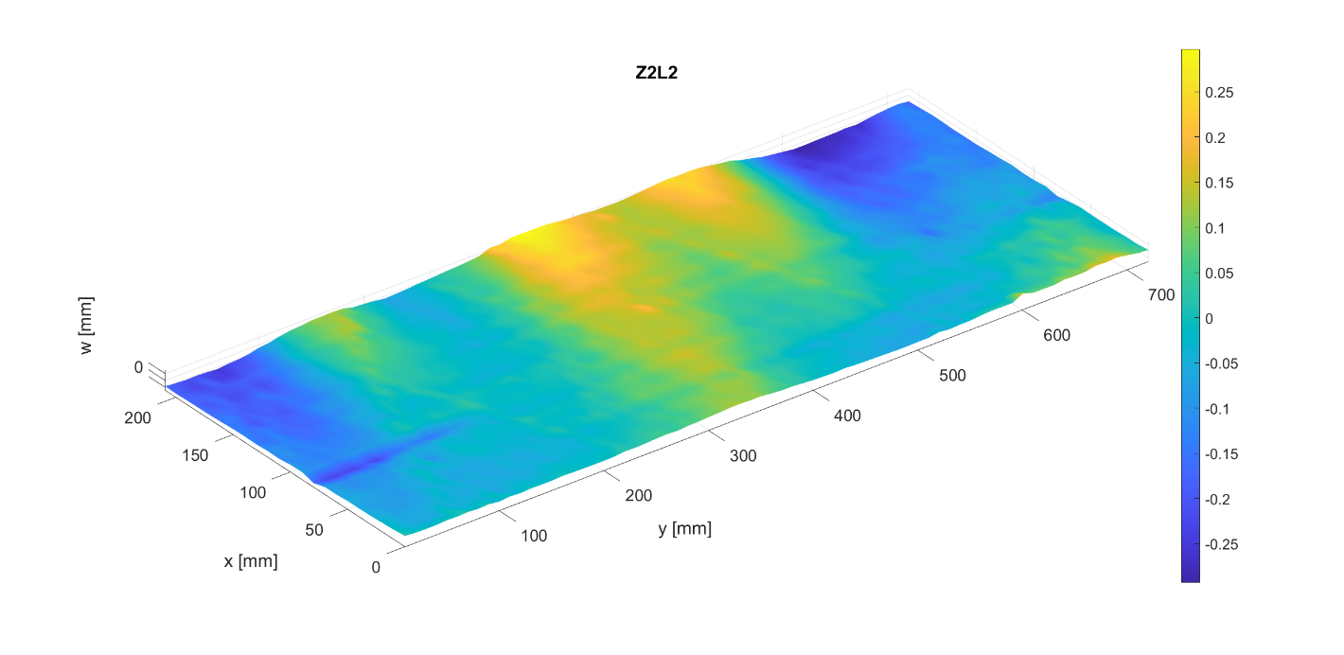

Imperfection amplitude
 | Circumferential modes
Axial modes |  | 0 | 1 | 2 | 3 | 4 | 5 | 6 | 7 | 8 | 9 | 10 | 11 | 12 | 13
 | 0 | 0.0017065425299 | 0.15423098614 | 0.02345246117 | 0.0094750821241 | 0.06585983957 | 0.0089852514016 | 0.003191308406 | 0.0027725191653 | 0.0035033402407 | 0.00084474676049 | 0.0023043402364 | 0.00063903636027 | 0.0007478057122 | 0.00020028814064
 | 1 | 0.001667520174 | 0.1191947547 | 0.092310881712 | 0.0065321286717 | 0.049570746037 | 0.0069357043382 | 0.016472469778 | 0.0066952066327 | 0.0017194413352 | 0.0015724561968 | 0.001745152265 | 0.001124598433 | 0.0012638702052 | 0.001707738582
 | 2 | 0.0057986820994 | 0.0069869689176 | 0.0045192257136 | 0.0030299848252 | 0.011662327899 | 0.0017603956722 | 0.0027498325739 | 0.0046675145355 | 0.0073320999004 | 0.0023050616612 | 0.0040620161108 | 0.0008634912245 | 0.00044506731887 | 0.00030042597129
 | 3 | 0.001951770994 | 0.019494770138 | 0.0091669615797 | 0.00080284610478 | 0.0066637158251 | 0.0011065471793 | 0.004337376238 | 0.0046363291694 | 0.0032676243425 | 0.0029677593321 | 0.0023284477094 | 0.0025337569879 | 0.00072890122256 | 0.0024979655802
 | 4 | 0.00069959690765 | 0.002367905371 | 0.001658650631 | 0.00053458789264 | 0.0029642634973 | 0.0018563491195 | 0.0017303508662 | 0.00030375351652 | 0.00055459020924 | 0.0019886839194 | 0.0034782655815 | 0.0026410871587 | 0.0040575102491 | 0.002587577971
 | 5 | 0.0010866744698 | 0.00099972990156 | 0.0054268552539 | 0.0031366492159 | 0.0016985323979 | 0.00016097721621 | 0.00098414147871 | 0.00045288217797 | 0.00079489784319 | 0.0011104827329 | 0.0010266886876 | 0.0015225426377 | 0.00013106966705 | 0.0030959842969
 | 6 | 0.00048853230359 | 0.0048620896293 | 0.0045573488977 | 0.00088178741477 | 0.0016952359912 | 0.0014603760616 | 0.00037107550811 | 0.00071650144054 | 0.001306462669 | 0.00083264250222 | 0.00095474467185 | 0.00061922887503 | 0.00099698162405 | 0.00075676451214
...

Z3L2
Z3L2
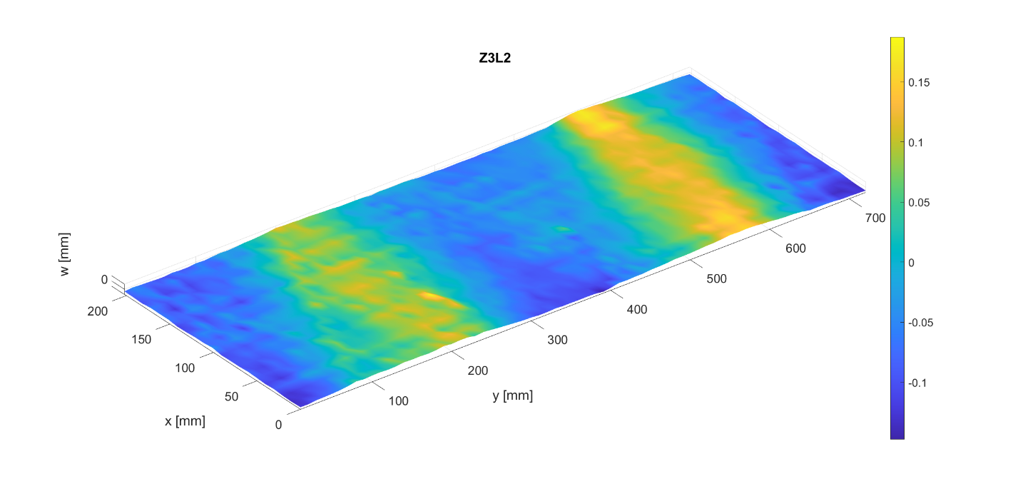

Imperfection amplitude
 | Circumferential modes
Axial modes |  | 0 | 1 | 2 | 3 | 4 | 5 | 6 | 7 | 8 | 9 | 10 | 11 | 12 | 13
 | 0 | 0.00022410143536 | 0.010896582571 | 0.12250861959 | 0.018811372061 | 0.030516351661 | 0.0032498060165 | 0.0041338428226 | 0.0017470355749 | 0.00063395341403 | 0.0018536109911 | 0.00094269307462 | 0.0017208442472 | 0.00026192565638 | 0.00065962221351
 | 1 | 0.0031633038402 | 0.0040663955106 | 0.045882514838 | 0.012606636768 | 0.010798100253 | 0.010677866945 | 0.0026200903671 | 0.0059278027194 | 0.00097820342775 | 0.0010027433643 | 0.0011777236624 | 0.00069308673379 | 0.0012375706029 | 0.00052058549514
 | 2 | 0.0079249724942 | 0.001695693673 | 0.002501684296 | 0.0048560903089 | 0.0024668231688 | 0.0026249429606 | 0.012826440567 | 0.0047844494647 | 0.0022018446072 | 0.0012750580491 | 0.0015771233343 | 0.0015507817511 | 0.0002694115309 | 0.0009724132242
 | 3 | 0.001519614229 | 0.0015960304454 | 0.0067576112556 | 4.48E-05 | 0.0017652402706 | 0.0023493529049 | 0.0049551453919 | 0.0052914455199 | 0.0025978920381 | 0.0035558968308 | 0.0028061421528 | 0.0033089165771 | 0.0025688197814 | 0.0010146892761
 | 4 | 0.00013570047081 | 0.0031418128439 | 0.00072701483492 | 0.00092157543006 | 0.00075371065782 | 0.00072820734699 | 0.001010609106 | 0.00059129714956 | 0.0010454268541 | 0.0018407512874 | 0.0037143752019 | 0.0037388726405 | 0.0029758684239 | 0.0045688759873
 | 5 | 0.0024139470126 | 0.0019749518126 | 0.0030799591157 | 0.0018104093375 | 0.00079400331215 | 0.00069003541652 | 0.001808623924 | 0.00023303064444 | 0.00053906874116 | 0.00067185606747 | 0.00071486737393 | 0.00010543189901 | 0.00097009218832 | 0.00076239122459
 | 6 | 0.0029772008725 | 0.0028082584116 | 0.0020098222737 | 0.0010330041717 | 0.00056693598739 | 0.0011584943394 | 0.00052586134425 | 0.00026745373583 | 0.00021891570008 | 0.00038235604773 | 0.00090862368556 | 0.00039378626552 | 0.00010388529516 | 0.00071948700751
...

Z1W2
Z1W2
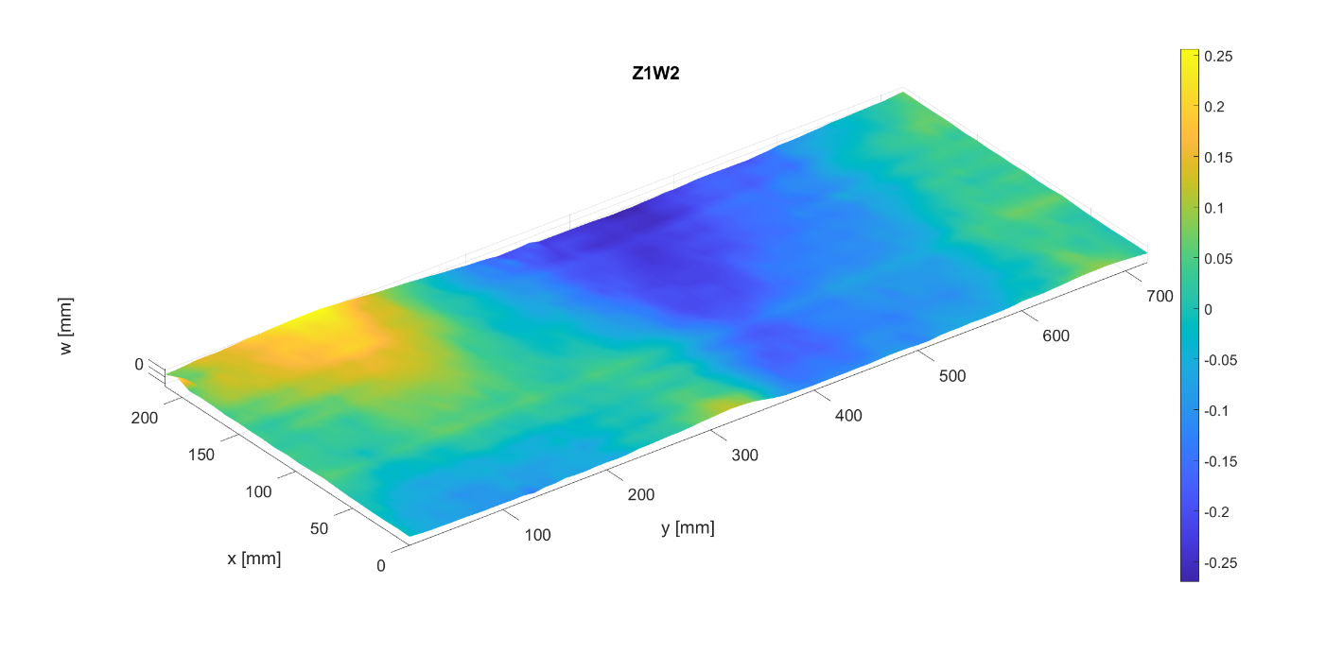

Imperfection amplitude
 | Circumferential modes
Axial modes |  | 0 | 1 | 2 | 3 | 4 | 5 | 6 | 7 | 8 | 9 | 10 | 11 | 12 | 13
 | 0 | 0.043575171853 | 0.14403737651 | 0.037025607033 | 0.0030513531799 | 0.024134574065 | 0.005554967737 | 0.00074383205876 | 0.0032708977225 | 7.00E-05 | 0.00073462232439 | 0.00026846809255 | 0.0009712861687 | 0.00040172570911 | 0.00060495805829
 | 1 | 0.005277141577 | 0.10655749673 | 0.057404274722 | 0.013568804758 | 0.013033452721 | 0.0029187394181 | 0.0082183995565 | 0.0026129972011 | 0.00088804081558 | 0.00070568263147 | 0.00091008170329 | 0.00099826874368 | 0.0023727582992 | 0.00082167479956
 | 2 | 0.0054081064674 | 0.0017669500469 | 0.0050670611893 | 0.0015380131068 | 0.0011059662019 | 0.0016384283771 | 0.0014809250255 | 0.0015801917518 | 0.0044707109272 | 0.0017227152045 | 0.001534882578 | 0.0015029149347 | 0.00039767333377 | 0.0008047364387
 | 3 | 0.0067694635566 | 0.011976004037 | 0.0082762844229 | 0.00038961463898 | 0.0022735351265 | 0.00062597371511 | 0.0054445796023 | 0.0016017625966 | 0.0025070049311 | 0.00097659959558 | 0.001530655661 | 0.00020313557628 | 0.0038611919821 | 0.0002761805393
 | 4 | 0.0010357673979 | 0.0016568590998 | 0.0012274275681 | 0.00051320876666 | 0.0011830809885 | 0.000475483406 | 0.00015008987351 | 0.00015223322927 | 0.00112954512 | 0.0016889572061 | 0.00060403373001 | 0.00042156314887 | 0.0042273718957 | 0.00067962484374
 | 5 | 0.0091508616941 | 0.0033976468218 | 0.0035168084351 | 0.00091119438551 | 0.00083151966524 | 0.00013875381489 | 0.0015120057417 | 0.00017986605855 | 0.00056553357837 | 0.00065992831942 | 0.00058297735327 | 0.00012954426461 | 0.0033835799067 | 0.00069785417796
...

Z2W2
Z2W2
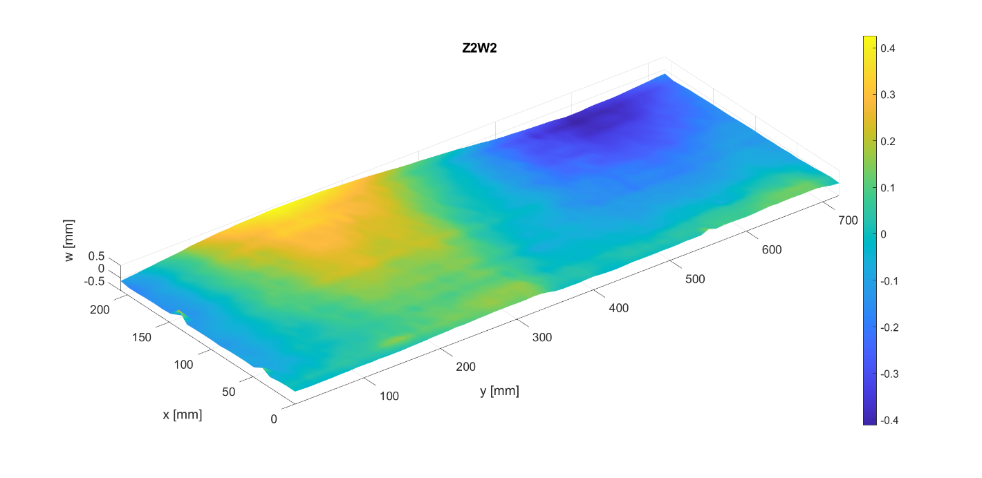

Imperfection amplitude
 | Circumferential modes
Axial modes |  | 0 | 1 | 2 | 3 | 4 | 5 | 6 | 7 | 8 | 9 | 10 | 11 | 12 | 13
 | 0 | 0.00098441625805 | 0.24282472785 | 0.025212831298 | 0.0013718664231 | 0.012497647944 | 0.00055800020038 | 0.013032151256 | 0.0012615928844 | 0.0016890784788 | 0.0014373435159 | 0.00082031729359 | 0.00060264758983 | 0.00041768807162 | 0.00083640456398
 | 1 | 0.026851038638 | 0.19026641632 | 0.03851504983 | 0.0022816676703 | 0.011186981118 | 0.00092653495931 | 0.0053442615781 | 0.0042245111418 | 0.0033705495689 | 0.0001521938822 | 0.00056841980227 | 0.00068380721128 | 0.0027273295191 | 0.00064631667103
 | 2 | 0.023611874561 | 0.0032940541514 | 0.0013197688928 | 0.0011709993154 | 0.00091199592016 | 0.0017675023491 | 0.00469884965 | 0.0036147433223 | 0.0018789712181 | 0.0027349859542 | 0.0020816521427 | 0.0008627758082 | 0.0020481533731 | 0.00037981843947
 | 3 | 0.01098421551 | 0.021118479499 | 0.0077484479431 | 0.0016292684364 | 0.0016262018196 | 0.0024784200685 | 0.0018381083587 | 0.0019640046618 | 0.00053208255276 | 0.0022899230178 | 0.0010937359335 | 0.0014550629543 | 0.0027053508788 | 0.0013774315559
 | 4 | 0.016995347592 | 0.0023327796969 | 0.0018331173416 | 0.00016832736239 | 0.0014371664537 | 0.0016057409953 | 0.0014970342101 | 0.00062322246064 | 0.0015493224432 | 0.00063155367296 | 0.0020497173935 | 0.00041905749379 | 0.0059569242225 | 0.00091733872123
 | 5 | 0.00083870460595 | 0.0068810828058 | 0.002686581308 | 0.0013904180611 | 0.00069707722432 | 0.00031800215185 | 0.00055534487696 | 0.0008834620564 | 0.00087053122196 | 0.00051433370071 | 0.00029988549872 | 0.00026380301873 | 0.0017572356037 | 0.00063626402461
...

Z3W2
Z3W2
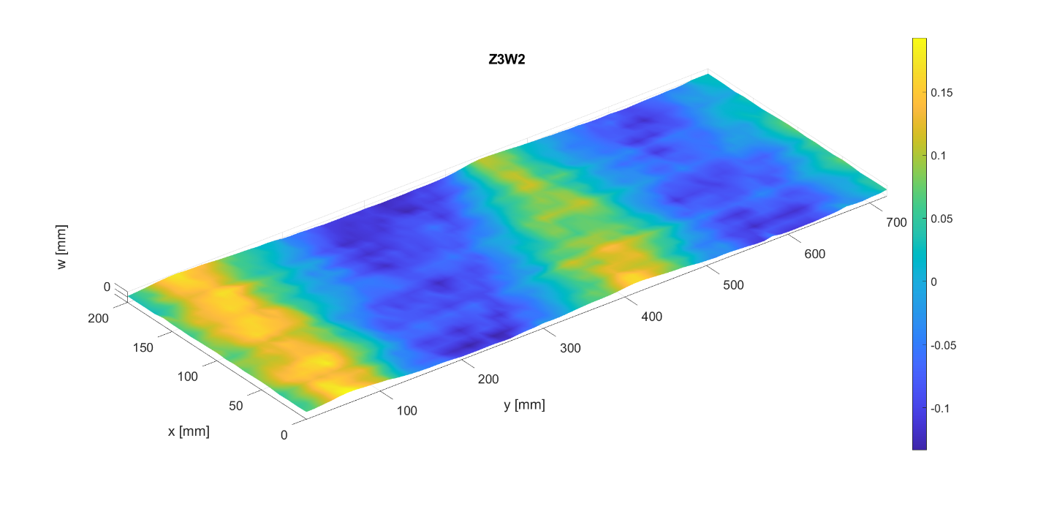

Imperfection amplitude
 | Circumferential modes
Axial modes |  | 0 | 1 | 2 | 3 | 4 | 5 | 6 | 7 | 8 | 9 | 10 | 11 | 12 | 13
 | 0 | 0.0011403569993 | 0.033918053948 | 0.12323575763 | 0.0094515718006 | 0.021336025033 | 0.0022630786944 | 0.0063856557659 | 0.0013301585581 | 0.0011295404603 | 0.0010054968704 | 8.05E-05 | 0.00011164689344 | 0.00032865588383 | 0.00051026258471
 | 1 | 0.0071254765877 | 0.027738353446 | 0.036045707928 | 0.010220064326 | 0.0087197149839 | 0.0074258714226 | 0.0094913050979 | 0.0025320249788 | 0.0012209286553 | 0.00016020155225 | 0.0015342670524 | 0.00032881316251 | 0.0018874886251 | 0.00068915257286
 | 2 | 0.0049710114439 | 0.0025481892957 | 0.0046349056482 | 0.00071011429731 | 0.0015973840093 | 0.0026216782208 | 0.0083457403892 | 0.0031419719544 | 0.0039124227402 | 0.0033797968051 | 0.0014211164669 | 0.00080913568315 | 0.00067252737982 | 0.0010568473573
 | 3 | 0.0034191392094 | 0.0032366550186 | 0.0051252523886 | 0.0024065287302 | 0.0011811273238 | 0.0002858559115 | 0.0065664804383 | 0.00049076818331 | 0.0010667726542 | 0.00091364114496 | 0.0017955750984 | 0.0014201789183 | 0.0021138147326 | 0.00046435449772
 | 4 | 0.0037307428007 | 0.0021439152737 | 0.00062896839073 | 0.0008445619404 | 0.001937036363 | 0.00038430452718 | 0.001701462722 | 0.00083265057673 | 0.0010276044388 | 0.00094714101474 | 0.0013981736232 | 0.00079954705816 | 0.0090396000674 | 0.00046610119197
 | 5 | 0.0063464252433 | 0.0021579911714 | 0.0033611364692 | 0.0015398353585 | 0.0014181621316 | 0.0011096135613 | 0.0013271237332 | 0.00097026351728 | 0.00058310279458 | 0.001069965668 | 0.00022327478769 | 0.00062457573052 | 0.00024727244154 | 0.0013036556291
 | 6 | 0.00020206857048 | 0.0026426172588 | 0.00168365979 | 0.00046916254199 | 0.00056568411587 | 0.00046595707857 | 0.0013250328876 | 0.00025973796717 | 0.00060872188007 | 0.00047128612118 | 0.001081131049 | 0.00017639723567 | 0.00069182997672 | 0.00092782138351
...

Z4W2
Z4W2
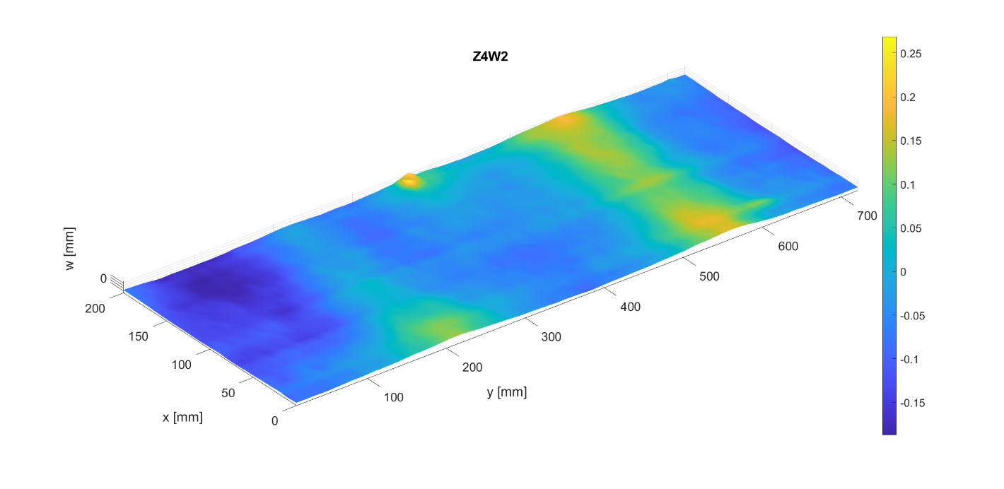

Imperfection amplitude
 | Circumferential modes
Axial modes |  | 0 | 1 | 2 | 3 | 4 | 5 | 6 | 7 | 8 | 9 | 10 | 11 | 12
 | 0 | 0.035621217348 | 0.075812944591 | 0.077604669788 | 0.011354797062 | 0.037596351704 | 0.0078625935369 | 0.01249501082 | 0.0012593505055 | 0.00049065009962 | 0.0015017014225 | 0.00082955661709 | 0.00095114186399 | 0.0013680624755
 | 1 | 0.018688859423 | 0.051831406324 | 0.033565847131 | 0.0078093861063 | 0.014353063736 | 0.0019834388676 | 0.0063012782076 | 0.0028782378123 | 0.0031547644748 | 0.0012953860169 | 0.0022195590611 | 0.0011649087697 | 0.00042644440692
 | 2 | 0.022419849517 | 0.001326380148 | 0.0024669858284 | 0.002548876068 | 0.0060347146857 | 0.0039029990536 | 0.0074509368202 | 0.0017587573158 | 0.0027753385719 | 0.0015597814382 | 0.0013519019765 | 0.0021559226736 | 0.00096693570557
 | 3 | 0.001752049489 | 0.007123934842 | 0.0073650806169 | 0.0017750871671 | 0.0040283902445 | 0.0014457897836 | 0.0025081854468 | 0.0018242940938 | 0.0006270436686 | 0.0019149412907 | 0.001842543911 | 0.00072027040214 | 0.00048549445141
 | 4 | 0.0092376839387 | 0.0020608083335 | 0.0027293172137 | 0.0021095059601 | 0.0021265010477 | 0.0012687850044 | 0.0018351664328 | 0.00063985253329 | 0.0019448831123 | 0.00047494389402 | 0.0030435594535 | 0.0022925677379 | 0.0048593241764
 | 5 | 0.0058602312914 | 0.002173576056 | 0.0020331589396 | 0.0016141971227 | 0.0012148575894 | 0.0017986262938 | 0.0010804671079 | 0.0017602349789 | 0.00099796343814 | 0.0012410745781 | 0.00034822232067 | 0.0016062638408 | 0.0012871479151
 | 6 | 0.0028222508839 | 0.0014304308744 | 0.00073621810263 | 0.00078869078703 | 0.0013700728062 | 0.0010319048375 | 0.00096131881168 | 0.0015129619716 | 0.0015917119487 | 8.68E-05 | 0.0017184778238 | 0.00065516957865 | 0.00053175805664
...

Z5W2
Z5W2
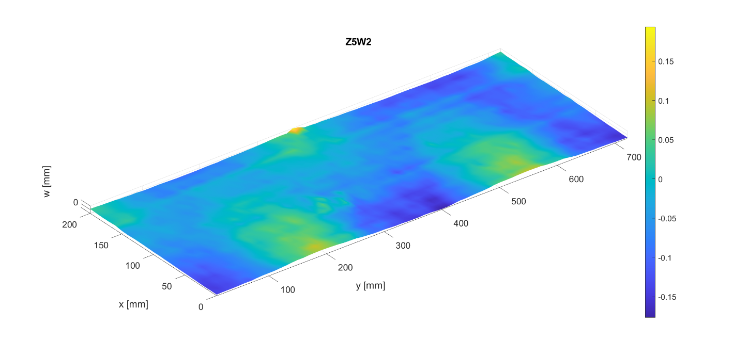

Imperfection amplitude
 | Circumferential modes
Axial modes |  | 0 | 1 | 2 | 3 | 4 | 5 | 6 | 7 | 8 | 9 | 10 | 11 | 12
 | 0 | 0.051793799189 | 0.023733715588 | 0.038925587911 | 0.011791251093 | 0.018420720818 | 0.0031683599141 | 0.0041954557505 | 0.0014625175921 | 0.00046551934419 | 0.0013722305467 | 0.0008698636731 | 0.00055451908395 | 0.00056733015895
 | 1 | 0.00079299627403 | 0.018149571047 | 0.089824125011 | 0.0044611555143 | 0.0019366715219 | 0.0030482621097 | 0.0043037178285 | 0.0023280934046 | 0.0012403693071 | 0.0021220454695 | 0.00059870765887 | 0.00049624112443 | 0.0024477904241
 | 2 | 0.0059045907955 | 0.0016177475047 | 0.0014123010425 | 0.0012390716717 | 0.0025918826189 | 0.0026372823173 | 0.0019067472737 | 0.0026322853037 | 0.0029957260838 | 0.00074002526109 | 0.00085292335939 | 0.0012933683472 | 0.00076676269164
 | 3 | 0.0034007202657 | 0.0031320978126 | 0.010607623933 | 0.001730282065 | 0.0017329553104 | 0.0020175161059 | 0.003741184591 | 0.00011416352048 | 0.0018913386512 | 0.00073208583089 | 0.0026925560391 | 0.001830409463 | 0.0032448784716
 | 4 | 0.0043469455796 | 0.00083925584094 | 0.0041976377928 | 0.001405483815 | 0.001679969086 | 0.0021711927098 | 0.00025697635952 | 0.00055054753121 | 0.0011309602405 | 0.00032092761335 | 0.00079912133266 | 0.00082853036651 | 0.0054211405189
 | 5 | 0.0038207321944 | 0.0013683507777 | 0.0033264653873 | 0.0014494043301 | 0.0016792028431 | 0.00083388086269 | 0.0026333100141 | 0.001343698709 | 0.00088203732347 | 0.00064857217951 | 0.00098163575767 | 0.00092332866743 | 0.0025721421781
 | 6 | 5.30E-05 | 0.0036220737538 | 0.0025662974289 | 0.0011305685522 | 0.00025700475219 | 0.00090268287827 | 0.0011288714265 | 0.00037192266051 | 0.00089006540175 | 0.00057162559535 | 0.00088756694421 | 0.00030778535792 | 0.00069489357444
...

Z6W2
Z6W2
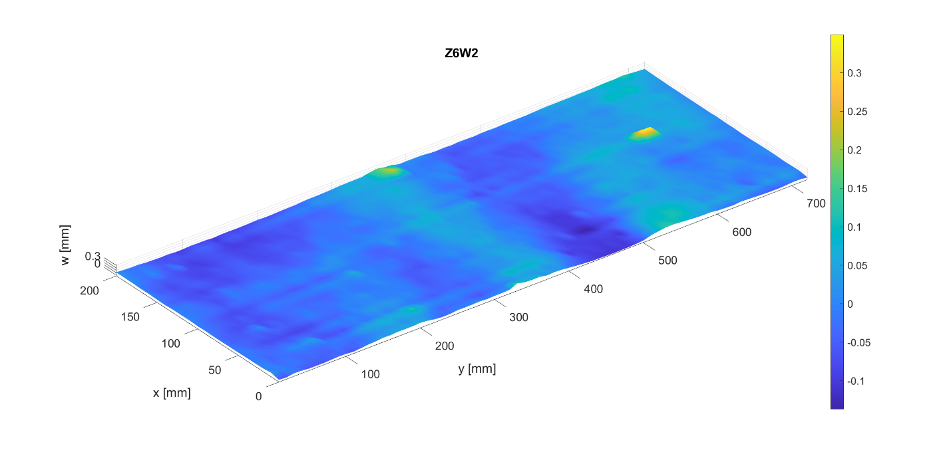

Imperfection amplitude
 | Circumferential modes
Axial modes |  | 0 | 1 | 2 | 3 | 4 | 5 | 6 | 7 | 8 | 9 | 10 | 11 | 12 | 13
 | 0 | 0.0028508964888 | 0.020347179173 | 0.041257919049 | 0.02242633772 | 0.028652082546 | 0.010206729331 | 0.0064338786468 | 0.00093849754378 | 0.0010223145277 | 0.0014225219161 | 0.00034967262193 | 0.001654929262 | 0.0013527238158 | 0.0003531496966
 | 1 | 0.0028618856732 | 0.013017376304 | 0.032818331708 | 0.012972149425 | 0.02545701563 | 0.0058942178244 | 0.0066381165299 | 0.002409715465 | 0.0048263152914 | 0.0016702556972 | 0.0016529959966 | 0.0016991253754 | 0.0035401439518 | 0.00085125265625
 | 2 | 0.00094021852467 | 0.0017757540672 | 0.0083781198996 | 0.0012339146129 | 0.0029191659209 | 0.0019728400043 | 0.0071353981869 | 0.00029705682226 | 0.0023971361901 | 0.0012252894155 | 0.0010889598665 | 0.00072289065512 | 0.00015316676869 | 0.0011232062281
 | 3 | 0.006662685395 | 0.0017892884058 | 0.0052283160513 | 0.0021505975037 | 0.0013147668354 | 0.00066370744704 | 0.00124707789 | 0.0022391656269 | 0.003614611605 | 0.0022332189613 | 0.0013951566742 | 0.0021629644985 | 0.006408755945 | 0.0011713535371
 | 4 | 0.0076418443811 | 0.00072113672279 | 0.0024248955416 | 0.0021057539227 | 0.0036754024376 | 0.00059060538702 | 0.0016155886358 | 0.00040111261471 | 0.0012204741331 | 0.0015432078682 | 0.001404752689 | 0.00120267946 | 0.0053460136134 | 0.0015392317082
 | 5 | 0.0057940983084 | 0.003213999853 | 0.00082325236303 | 0.00079828363959 | 0.0015876419993 | 0.00048561097033 | 0.00069405758959 | 0.00093893420824 | 0.00097759983227 | 0.00079366655574 | 0.0013767444404 | 0.00029017442135 | 0.0034514284215 | 0.00095612460895
 | 6 | 0.0016858622486 | 0.0012848157349 | 0.0027743239055 | 0.0014020400541 | 0.0011463663586 | 0.00059465556959 | 0.0011416965182 | 0.0012506051559 | 0.00077872590353 | 0.00056527676308 | 0.00070594705391 | 0.00031709231005 | 0.00077978236692 | 0.00052131216918
...

