Coversheet
Experimental results from multiaxial buckling tests on cylindrical CFRP shells with R/t-ratio of 375

Version 1.0 - Status as of 15.11.2024

Stefan Panek1,a; Tobias S. Hartwich1; Dieter Krause1

1Institute of Product Developement and Mechanical Engineering Design, Hamburg University of Technology (TUHH), Hamburg, Germany

aCorresponding author, e-mail: stefan.panek@tuhh.de | ORCID: 0000-0001-7498-2949

1. Test specimen specification

The investigated cylindrical CFRP shells were manufactured at the Institute of Composite Structures and Adaptive Systems of the German Aerospace Center (DLR) in Braunschweig. Table 1 summarises the specifications of these shells. The geometric imperfection patterns of each specimen were measured using a GOM ATOS system. For an in-depth description of the manufacturing process and further details on the measured and nominal geometric specifications please refer to the study presented in [1]. In addition, the measured geometric imperfections of all shells have been published with open access in [2], in the well established form of coefficients of a double Fourier series. All shells have previously been investigated in repeated buckling tests under pure axial compression load, without any detectable damage or degradation in visual inspection and analysis of stiffness and buckling load. A detailed report of this previous test series is given in the open access publication [1] as well.

Table 1: Geometric and material specification of tested CFRP shells
 | Z5LG |  | Z6LG
Inside Radius [mm] | 300.2 |  | 300.2
Total Length [mm] | 800 |  | 800
Free Length [mm] | 750 |  | 750
Wall Thickness [mm] | 0.84 |  | 0.85
Fibre/Matrix system | 1/4'' Prepreg Slit-tape, AS7/8552
Laminate Lay-up | [90.19,-30,30,-30,30,90.19]
Manufacturing process | semi-automatic, layer-by-layer

2. Test setup and procedure

The experimental campaigns were carried out on the Hexapod test rig at the University of Technology Hamburg (TUHH), in accordance with the guidelines presented in [3]. Each shell was mounted in the test rig with fully clamped boundary conditions at both edges, and loading was introduced in a displacement controlled manner. Axial compression force was applied by lowering the test platform at a constant rate of 0.045 mm/s, whereas bending and torsion were realised by rotation of the test platform about the mid-point of the shells at 0.01 °/s. All occurring loads at the were measured with a 6-DoF-load cell located at the bottom edge of the shell. An overview of the test setup can be seen in Figure 1. The buckling loads are determined as the acting forces and moments at the instant of maximum membrane shell stresses which are calculated from the raw test data using the equations given in EN-1993-1-6 [4] for the calculation of shell stress components. The magnitude and acting direction of bending moments and lateral forces at buckling are calculated based on the loads recorded in X- and Y-direction of the test rig coordinate system. Three optical displacement sensors were set up during the tests to measure the local displacement of the upper clamping, thus allowing to determine the magnitude and direction of any inclination of the upper shell edge. This way, systematic errors in the resulting tilt due to the stiffness of the different components of the test setup can be ruled out. Two test series are conducted with shell Z5LG and Z6LG, between which the shells were re-mounted within the test rig. A detailed description of the test setup, test procedure procedure and analyses of the results can be found in [5].

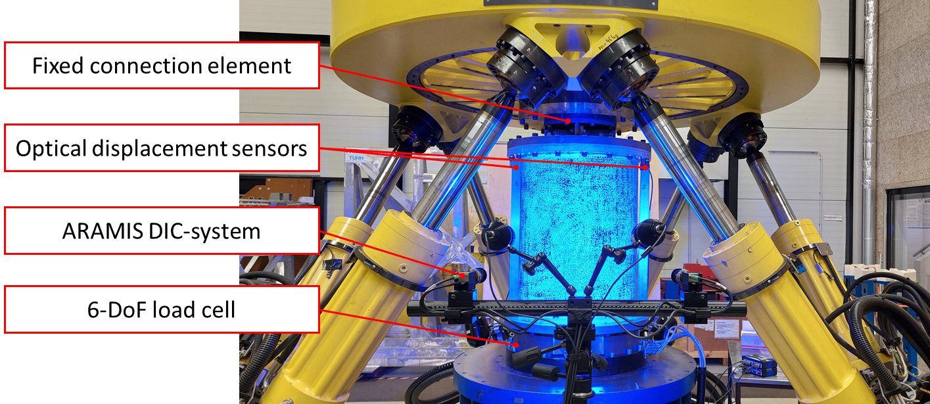

Figure 1: Test setup on the Hexapod test rig at TUHH

3. Structure of provided data

The results of all buckling tests carried out with each shell are provided in the correspondingly labelled spreadsheets following this one. Each sheet contains a table listing the individual test specifications and results. The column labels and used abbreviations are explained in Table 2. As five repeated tests were carried out at most test points, the mean and standard deviation of all numerical values are also given forthose points. Even though it is well known that the acting direction of loading imperfections, e.g., lateral forces or unintentional tilting, is generally not normally distributed, a standard deviation is calculated for these data for the sake of completeness. In cases where less than four repeated tests were done for a test point, no standard deviation is calculated.

Table 2: Column entries of data sheets
Column label | Explanation
Test Point | The designated number of the respective load ratio in the chronological testing sequence. In case of shells that were tested in multiple series, the number is prefaced "S<N>-" wherin N represents the number of the test series in chronological order. Example: "S2-4" represents the fourth test point of the second test series.

Test No. | The repetition number regarding the corresponding test point in chronological order.

Pre-Load | The applied pre-load types and levels during the test in order to achieve a certain load ratio. The following abbreviation and labelling is used:

 | C(Load) : | Axial compression force, with Load given in kN.
 | B(Dir,Load) : | Bending moment about the axis defined by Dir, with Load given in kNm. Example: B(X,-1.0) corresponds to negative Bending by 1 kNm about the X-axis.

 | T(Load) : | Torsional moment about the cylinder axis, with Load given in kNm.

Buckling inducing Load | The load types that were applied in a displacemant controlled manner after pre-loading to cause buckling. Generally the abbreviations and labelling follow the scheme defined above. Instead of numerical values for the Load in bending and torsion, it is only specified whether the load was applied in positive or negative direction with respect to the test rig coordinate system.

PB [Nm] | Magnitude of bending moment at buckling, given in Nm.
φMB [°] | Acting direction of bending moment PB with respect to the X-axis of the test rig. This does not designate the axis about which bending occurs. Example: φMB = 180° indicates negative bending about the Y-axis.

PT [Nm] | Acting torsional moment at buckling, given in Nm.
PC [kN] | Acting axial compression load at buckling, given in kN.
FLat [kN] | Magnitude of lateral force measured at buckling, given in kN.
φLat [°] | Acting direction of measured lateral force FLat with respect to the X-axis of the test rig.

ϴtilt [°] | Magnitude of tilting of the upper shell clamping relative to the lower fixture, calculated from optical displacement sensors.

φtilt [°] | Acting direction of tilting ϴtilt with respect to the X-axis of the test rig. This does not designate the axis about which the tilt occurs. Example: φtilt = 180° indicates negative tilt about the Y-axis.

4. Acknowledgements

This research was funded by the German Research Foundation (DFG) via the project "Experimental investigation and probabilistic analysis of the buckling load of cylindrical shells subjected to multiaxial load cases" (Project No. 463883313). The Hexapod test rig was also funded by the DFG.

References

[1] Hartwich, T. S.; Panek, S.; Wilckens, D.; Wille, T.; Krause, D.: The influence of R/t-ratio on the imperfection sensitivity of the buckling load of thin-walled CFRP cylindrical shells, Composite Structures, 2024. https://doi.org/10.1016/j.compstruct.2024.118216

[2] Hartwich, T. S.; Panek, S.; Krause, D.: Geometric Imperfection Data of 7 thin-walled cylindrical shells with R/t-Ratio of 375, TORE, 2024. https://doi.org/10.15480/882.9613

[3] Panek, S.; Hartwich, T. S.; Kriegesmann, B.; Krause, D.: Guidelines for Test Conditions and Documentation of Buckling Experiments with Cylindrical CFRP Shells, Proceedings of the 23rd International Conference on Composite Materials (ICCM23), Belfast, Northern Ireland, 2023.

[4] Eurocode 3 - Design of steel structures - Part 1-6: Strength and Stability of Shell Structures, EN 1993-1-6, European Committee for Standardization, Brussels, Belgium, 2007.

[5] Panek, S.; Reuter, N.; Hartwich, T. S.; Kriegesmann, B.; Krause, D.: Buckling Tests of Cylindrical Composite Shells in Multiaxial Loading, AIAA SciTech Forum 2025, Orlando, USA, 2025. https://doi.org/10.2514/6.2025-2335

