CSBI
 | Design according to the Constant Single-Buckle Imperfection (CSBI) Principle

Primary reference: |  | [Wag16]
Additional references: |  | [Wag17a]

Basic concept
The CSBI covers different types of imperfections in three steps. Firstly, the influence of geometric imperfections is taken into account by determining the metastable buckling load. Then load imperfections via applying an inclination angle are considered subsequently. Finally, material and other uncertainties are covered by a partial, probabilistic knockdown factor. To determine the metastable point, a buckle is generated in the middle of the shell by applying the displacement vmeta. A non-linear buckling load analysis is subsequently conducted by fixing the applied displacement vmeta. The reaction force is measured at the point of the applied displacement. The displacement is successively increased per iteration. The point with the highest reaction force represents the metastable buckling load. This state is taken in the second iteration and an incrementally increasing tilt is successively applied before the buckling load analysis. This is increased until the buckling load drops significantly. Afterwards, this buckling load is multiplied by the knockdown factor. As indicated in the flow diagram, the design can be determined using only the metastable load. This procedure is also known as the Single Perturbation Displacement Approach (SPDA). As described, the SPDA only covers the influence of geometric imperfections. |  |  |  | 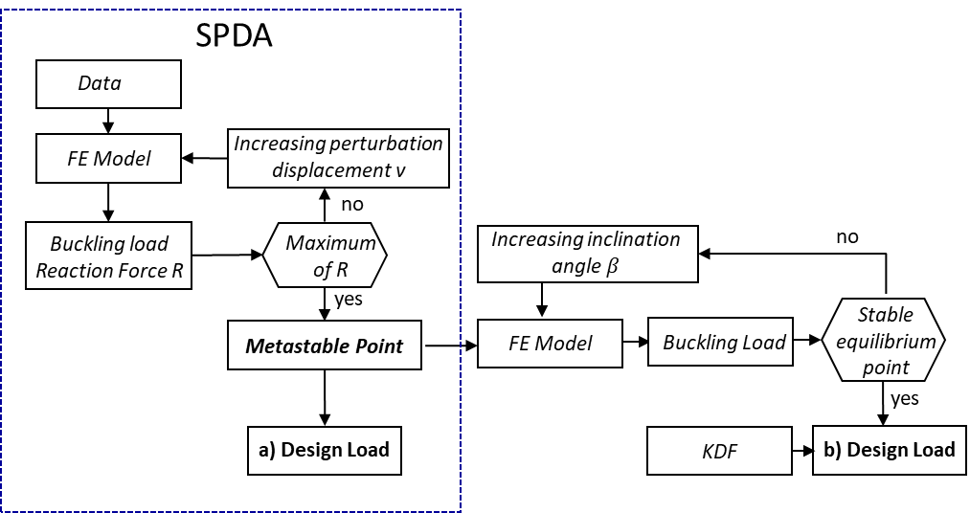

General characteristics
Recommended R/t ratio |  |  | 100 - 540
Recommended L/R ratio |  |  | 1.5 - 2.7
Required data |  |  | only nominal data of geometry and material parameters
Number of required FE calculations |  |  | 30
Covered Imperfections/Influcencing factors |  |  | geometric imperfections, load imperfections, all other factors
Precision of the prediction |  |  | 80%
Conservativeness of the prediction |  |  | 77%

Notes and recommendations
▪ The simulations in both main steps show an extremely sensitive reaction to variations in the control parameters. Several iterations may be necessary in each step in order to obtain the characteristic curves of the buckling load. ▪ In a few rare cases, it is not possible to determine a metastable point, so this approach is not applicable. It has not yet been possible to determine if there is a pattern for this. ▪ Experience has shown that this approach requires the highest computational effort of all the deterministic methods listed and has the greatest sensitivity to control variables in the simulations. This approach is therefore not recommended for fast design.

Steps of the approach

1. FE simulations to determine the metastable point

In order to find the metastable point, a series of simulations are carried out using the perfect shell model. A single buckle is introduced at half the height of the shell by specifying the amplitude and increased incrementally over the iterations. In addition to the axial load, the reaction force at the node at which the buckle is induced has to be measured. |  |  |  | 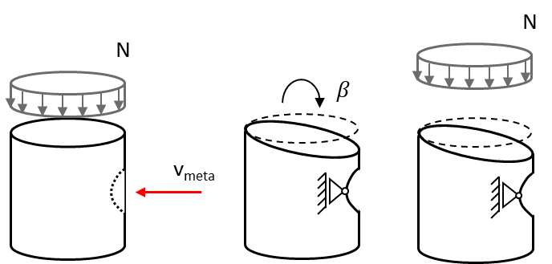

Excerpt of the implementation in ABAQUS (Loadstep)
************************
***** Perturbation *****
*STEP, NLGEOM, INC=100
0.2, 1.0, , 0.5
*BOUNDARY, OP=MOD
p_node,1,1,-2.40 |  |  | Displacement-controlled generation of the single buckle, here 2.4 mm
*OUTPUT, FIELD
*NODE OUTPUT, NSET=p_node
U
*OUTPUT,HISTORY,FREQUENCY=1
*NODE OUTPUT,NSET=p_node
U
*NODE PRINT,NSET=p_node
U
*END STEP
**********************
***** axial load *****
*STEP, NLGEOM, INC= 50
*STATIC, STABILIZE=1e-6
0.05, 1.0, , 0.05
*BOUNDARY
ref_o, 3,3, <ax_disp>
*BOUNDARY, OP=MOD
p_node, 1 |  |  | Activation of a " free bearing" to fix the amplitude
*OUTPUT, FIELD
*NODE OUTPUT, NSET=all_nodes
U
*NODE OUTPUT, NSET=ref_uall
RF,
*OUTPUT,HISTORY,FREQUENCY=1
*NODE OUTPUT,NSET=ref_uall
RF,
*NODE OUTPUT,NSET=ref_o
U
*NODE PRINT,NSET=ref_o
U
*NODE PRINT,NSET=ref_uall |  |  | The "ref_uall" set here includes the lower master node, at which the axial load is measured, and the "p_node" node, at which the single buckle is introduced.
RF
*END STEP

2. Determination of the metastable point

The buckling loads of all iterations must be extracted from the simulation results of step 1, as well as the reaction force at the perturbation node at the time of buckling and plotted over each other. The point at which the reaction force is greatest represents the metastable point.
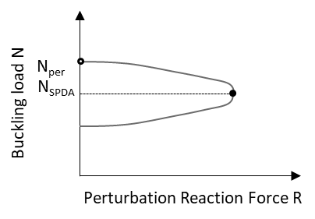

3. FE simulations to determine the stable equilibrium

A second simulation series is conducted. Here, a single buckle with the previously determined amplitude is first induced in order to create a metastable state. The top of the shell is then tilted by an incrementally increasing angle β. Finally, the shell is loaded axially until buckling occurs.
Note: It is recommended to divide the FE simulation into three non-linear load steps. In the first step, the single buckle only is introduced until an equilibrium is reached. In the second step, the shell is tilted towards the single buckle. Finally, in the third step, the shell is loaded axially until buckling occurs. An example how the simulation can be set up is given in step 1.

4. Determination of the stable buckling load

The calculated buckling loads of the individual simulations must be plotted over the value of the angle of inclination. The point at which the shell enters the stable (low) equilibrium path for the first time is characterised by a distinct jump in the course of the buckling load (see red curve in the diagram below). The first buckling load after this jump is adopted as the stable buckling load for the next step.
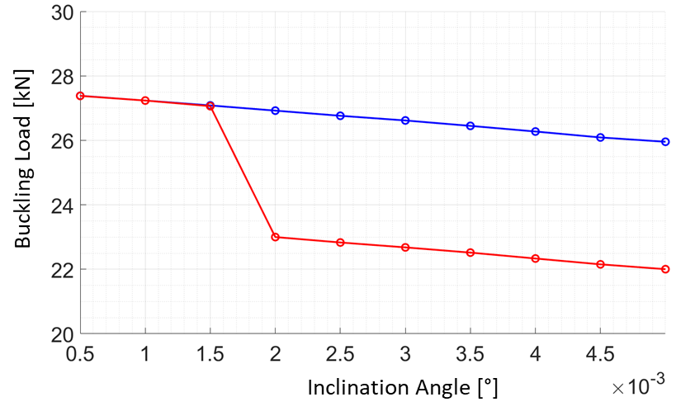

Note: If it is not possible to determine a jump to stable equilibrium, it is recommended to use the previously determined metastable buckling load for the next step.

5. Determination of the design load

Finally, the stable buckling load from the previous step must be multiplied by a knockdown factor of ρμ,mat = 0.83. According to [Wag16], this factor was calculated using a broad basis of experimental data and takes material and other uncertainties into account. The final result of the calculation is the design load.
$P_{CSBI}=N_{stable}⋅ρ_{μ,mat}$

LBMI
 | Design according to Linear Buckling Mode Imperfections (LBMI)

Primary reference: |  | [Cas14]
Additional references: |  | [Wag19] | [Nin15] | [DIN17] | [Rot13]

Basic concept
If no geometric imperfections are available, the LBMI can be used to generated an artifical imperfection pattern. Using a linear buckling load analysis, the buckling modes of the perfect shell are determined. Then, a buckling mode (usually the first one) is scaled and applied to the shell as an imperfection pattern. Subsequently, the buckling load is calculated in a nonlinear computation. In most cases, the buckling mode is scaled by the shell wall thickness. |  |  |  |  |  | 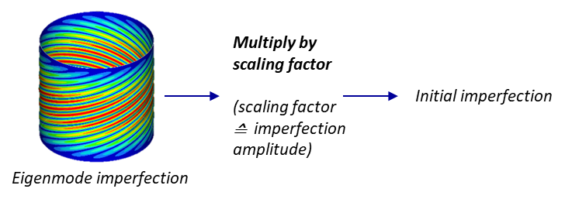

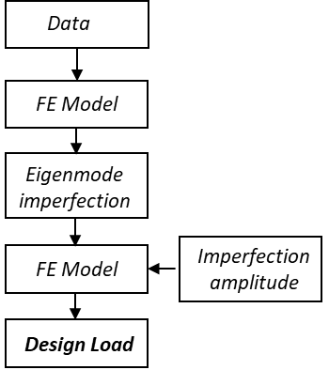
General characteristics
Recommended R/t ratio |  |  | 100 - 570
Recommended L/R ratio |  |  | 1.5 - 2.7
Required data |  |  | only nominal data of geometry and material parameters, SQM of the geometric imperfections amplitude
Number of required FE calculations |  |  | 2
Covered Imperfections/Influcencing factors |  |  | geometric imperfections
Precision of the prediction |  |  | 60 %(1.0 t) / 75%(0.1 t)
Conservativeness of the prediction |  |  | 90 %(1.0 t) / 45%(0.1 t)

Notes and recommendations
▪ This approach is primarily suitable for layered shells. When applied to winded shells, the design must be carried out for all locally occurring lay-up configurations and the smallest determined load should be selected as the design load. ▪ Independent of the imperfection amplitude, the thin wall thickness shows an important influence. I.e. with increasing R/t-ratio the underestimation of the experimental buckling loads decreases or the risk of an overestimation increases. ▪ The application of the eigenmode imperfection can cause a significant change in the stiffness of a shell. It is recommended for the simulation to use a higher deflection (at least about twice as large as usual) with a small initial step size for the solver (<0.025). Otherwise, there is a risk that the maximum deflection will be reached before buckling occurs.

Steps of the approach

1. Determination of the first buckling eigenmode

A linear buckling analysis with a model of a perfect shell based on the nominal data has to be performed. The results are the eigenvalues (EV) and the corresponding eigenmodes (EM) of the shell.

Excerpt of the implementation in ABAQUS (Loadstep)
*************************
**Step 1: Lin. Buckling**
*STEP, NAME=Lin_Buckling, NLGEOM=NO, PERTURBATION
*BUCKLE
3, , 12, 1000 |  |  |  |  | Number of eigenvalues to be calculated, largest eigenvalue of interest,
 |  |  |  |  | number of used eigenvector, maximum number of iterations
*CLOAD
ref_o, 3, -1.
*************************
** OUTPUT REQUESTS
**
*RESTART, WRITE, FREQUENCY=0
**
*OUTPUT, FIELD, variable=PRESELECT
*NODE FILE
U
*END STEP

2. Determination of the design load

There is no general recommendation for the choice of the imperfection amplitude ξ. However, experience shows that an assumption of ξ = 1t (t = wall thickness) provides reliably conservative results. In [DIN17] and [Rot13] alternative estimations are shown, which include the "quality" of a shell in addition to the R/t-ratio.

Excerpt of the implementation in ABAQUS (Loadstep)
*************************
*IMPERFECTION, FILE=FULL_FILENAME_FIL-FILE, STEP=1 |  |  |  |  | FULL_FILENAME_FIL-FILE must be the name of the .fil file that contains
 |  |  |  |  | the output of the LBA from step 1. STEP specifies the loadstep of the LBA
 |  |  |  |  | which will be used. Here is the first (and only) step.

1, 1.25 |  |  |  |  | Number of the eigenmode used, Scaling factor of the eigenmode (here ξ = t = 1.25 mm)
*STEP, NLGEOM, INC= 150
*STATIC, STABILIZE=1e-6
0.02, 1.0, , 0.05
*BOUNDARY
ref_o, 3,3, <ax_disp>
*OUTPUT, FIELD
*NODE OUTPUT, NSET=all_nodes
U
*NODE OUTPUT, NSET=ref_u
RF,
*OUTPUT,HISTORY,FREQUENCY=1
*NODE OUTPUT,NSET=ref_u
RF,
*NODE OUTPUT,NSET=ref_o
U
*NODE PRINT,NSET=ref_o
U
*NODE PRINT,NSET=ref_u
RF
*END STEP

The buckling load calculated in the nonlinear buckling load is the design load

Monte Carlo
 | Design with a frequentist Monte Carlo (FMC) analysis

Primary reference: |  | [Kri12]
Additional references: |  | -

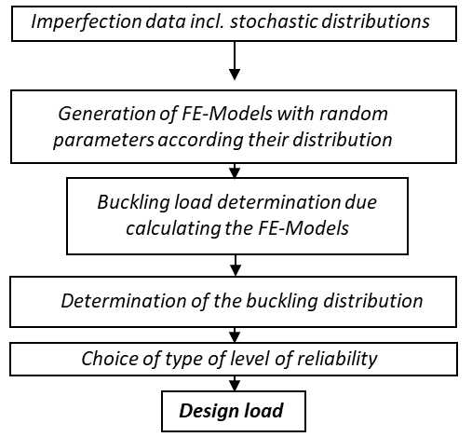
Basic concept
In case of designing with a Monte Carlo simulation, it is possible to consider every relevant influencing parameter in its scatter in the design. For this purpose, the data must be available or assumed. In a Monte Carlo simulation, a large number of models to calculate the objective are generated in which the previously defined influencing variables take random values according to their distribution. The buckling load of these models is calculated. Finally, a buckling load distribution can be calculated on the basis of the determined buckling loads and a design load can be deduced.

General characteristics
Recommended R/t ratio |  |  | 140 - 540
Recommended L/R ratio |  |  | 1.9 - 2.5
Required data |  |  | distribution of every considered factor
Number of required FE calculations |  |  | > 1500
Covered Imperfections/Influcencing factors |  |  | every in calculation considered factor
Precision of the prediction |  |  | 95%
Conservativeness of the prediction |  |  | 80%

Steps of the approach

Note: Neglecting dependencies or correlations between different random variables generally leads to a wider spread of results and must be considered when analysing and interpreting the results. Attention must be paid to these factors when designing the stochastic model.

1. Generation of FE modells with random parameters

In this step artificial samples of cylindrical shells are generated. Every considered influencing factor is a for every sample a random parameter based on its distribution

2. Conducting the FE Analysis

In this step the buckling loads of the FE modells generated in step 1 are calculated

3. Dertimanation of the buckling load distribution

In this step the buckling load distribution is determined based on the simulated samples calculated in step 2. A Kologrov Smirnov Test can be used in order to check if a sample follows a certain distribution.

4. Determination of the design load

With the mean value and the variance of the buckling load calculated in the previous step, the design load PFMC can finally be determined by specifying a permissible probability of failure Pf.
If a normal distributin is given:
 |  |  | (Φ is the cumulative distribution function
 |  |  | of the standard normal distribution)
$$P_{Design}=μ −β σ$$

NASA SP-8007
 | Design according to NASA SP 8007 (Utilising emperical Knockdownfactor )

Primary reference: |  | [Hil20]
Additional references: |  | [Wei68] | [Jon68] | [Tak12]

Basic concept
NASA SP-8007 provides an empirically determined knockdown factor for cylindrical shells taking into account all factors influencing the buckling load. The knockdown factor can be determined with the nominal specifications of a shell using classical laminate theory. The ideal buckling load can be calculated analytically or using a FE simulation. In the final step, the ideal buckling load and the determined knockdown factor of a shell are multiplied with each other and represent the design load. Furthermore, NASA SP-8007 also provides a complete analytical calculation for the buckling load, which will not be discussed further here, as assumptions are made regarding the buckling pattern during the calculation. |  |  |  |  | 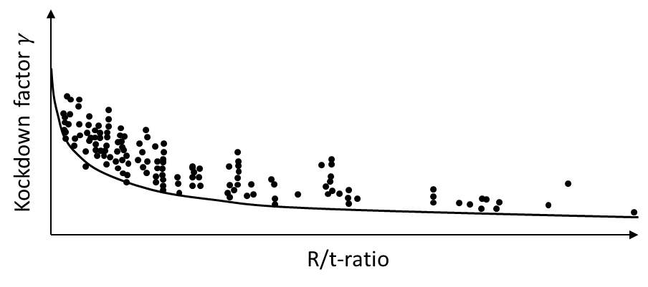

General characteristics
Recommended R/t ratio |  |  | 100 - 570
Recommended L/R ratio |  |  | 1.5 - 2.7
Required data |  |  | only nominal data of geometry and material parameters
Number of required FE calculations |  |  | 1
Covered Imperfections/Influcencing factors |  |  | all imperfections
Precision of the prediction |  |  | 56%
Conservativeness of the prediction |  |  | 100%

Notes and recommendations
▪ When applied to winded shells, the design must be conducted for all local occuring lay-ups and the minimum load determined must be selected as the design load. ▪ For shells with R/t > 190, Takano's A-basis (1% probability of failure) is less conservative. ▪ Wagner's THC provides similarly conservative but more precise design loads in comparison

Steps of the approach

1. Determination of the Knockdown Factor according to the NASA SP-8007

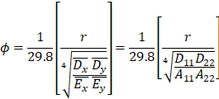 Firstly, using the classical laminate theory to calculate the ABD matrix of the laminate. The knockdown factor γ can be determined as follows using the entries of this matrix:

2. Determination of the Buckling Load of the Perfect Shell

It is recommended to cary out an linear buckling load analysis. Clamped boundary conditions can be assumded.

3. Dertimantion of the Design Load

In the third step the determined buckling load of the perect shell and the knockdown factor are multiplied with each other.

PPLA
 | Design according to Propabilisitic Perturbation Load Approach

Primary reference: |  | [Meu16]
Additional references: |  | [Meu17] | [Kri12] | [Kri11]

Basic concept
The PPLA is a combination of the SPLA with a probabilistic analysis. The SPLA is used to determine the lower limit of the buckling load regarding geometric imperfections, while the influence of all other parameters is modelled using a probabilistic design. In order to minimise the computational effort, an incomplete second order approach (ISOA) according to [Kri11] is used for the probabilistic analysis. Finally, the design load is determined from the determined distribution by setting a required reliability.

General characteristics
Recommended R/t ratio |  |  | 140 - 540
Recommended L/R ratio |  |  | 1.9 - 2.5
Required data |  |  | no geometric imperfection data; mean and standard deviation, skewness and kortosis of every considered factor
Number of required FE calculations |  |  | 165
Covered Imperfections/Influcencing factors |  |  | geometric imperfections and all considered imperfections
Precision of the prediction |  |  | 89%
Conservativeness of the prediction |  |  | 89%

Notes and recommendations
▪ The PPLA requires a complete application of the SPLA for each of the 2n+1 realisations, whereby the computational effort increases significantly with the number of parameters. As the SPLA design point has only a slight variation when individual parameters are varied, it is recommended to apply the SPLA first and determine the critical perturbation load. Subsequently, only a selected perturbation load range can be considered for the application of the PPLA. ▪ Neglecting dependencies or correlations between different random variables usually leads to a wider spread of results and must be considered when analysing and interpreting the results.

Steps of the approach

Remarks: Prior to applying this design method, the mean value, variance, skewness and kurtosis must be determined for an appropriate stochastic model of the problem under consideration for all scattering input variables. If random load imperfections are included, a uniform distribution in the interval [-π/2,+π/2] can be assumed.

1. Generation of parameter sets

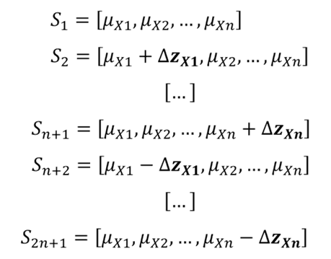 Firstly, 2n+1 sets of random parameters are generated according to the scheme shown. Here, μXi is the mean value of the considered random parameters Xi with i = 1...n. ΔzXi is the variation or step size of the respective parameter for determining the derivative of the objective function via central differences.
Note: According to the studies in [Kri11], the recommendation for the step size ΔzXi is to select ΔzXi = 1.5 σXi. Here, σXi is the standard deviation of the variable Xi.

2.Conducting SPLA for all parameter sets

For all 2n+1 generated sets of random parameters, a SPLA design must be performed and all design loads must subsequently be documented.

Link to SPLA

3. Determination of the distribution of the SPLA design load

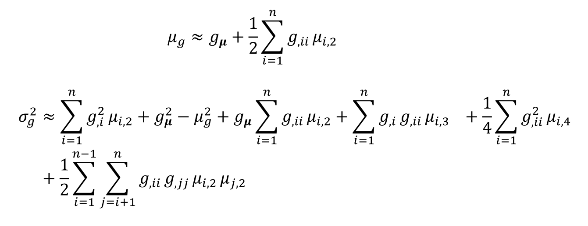 In the third step, an ISOA according to [Kri11] can be used to estimate the mean value and variance of the objective function g using the relationships below. In this case, the objective function is the SPLA design load. The partial derivatives of this objective function according to the individual random variables can be determined using the simulation results from the previous step via the central difference approach. In the equations below, µi,k denotes the k-th central moment of the random parameter i.

with

4. Determination of the PPLA design load

In the final step, the estimates of the mean value and the variance of the SPLA design load calculated in the previous step are finally used to determine the PPLA design load by specifying a permitted probability of failure Pf (or probability of reliability). Since the SPLA already represents a lower bound for the geometric imperfections, there is a risk of overcompensation when selecting the permitted probability of failure. Therefore, Meurer recommends in [Meu16] to select Pf = 10% at this point. However, the overall resulting reliability with this design lies not at 90% but rather at >99%.

RBCB
 | Design according to the Reliability Based Calibration using Bayesian updating (RBCB)

Primary reference: |  | [Sch16]
Additional references: |  | [Sch17] | [Gel13]

Basic concept
The RBCB extends the conventional, frequentist Monte Carlo analysis for determining the buckling load distribution with the concept of Bayesian inference. This enables an easier updating of the scattering parameters when sequentially new data becomes available. Furthermore, data sets can be integrated for which only the mean value, standard deviation and sample size are known. In addition, two partial uncertainty factors are introduced, which consider the uncertainties regarding the structure (geometry, material and other influencing variables) on the one hand and model uncertainties or errors on the other hand.

General characteristics
Recommended R/t ratio |  |  | 140 - 540
Recommended L/R ratio |  |  | 1.9 - 2.5
Required data |  |  | distribution of every considered factor
Number of required FE calculations |  |  | > 1500
Covered Imperfections/Influcencing factors |  |  | every in calculation considered factor, uncertainities of the model and test
Precision of the prediction |  |  | 87%
Conservativeness of the prediction |  |  | 100%

Notes and recommendations
▪ Before applying this method, it should be checked whether the available data of the prior and the new data can be allocated to the same statistical population. ▪ An estimation of the buckling load distribution by assuming a distribution type is already possible with 100-200 Monte Carlo realisations. Nevertheless, this is linked to an unknown uncertainty as to how accurately the boundary quantiles are mapped. For a realistic and thorough determination of the distribution, it is recommended to simulate around 1500 realisations. ▪ The RBCB is designed to achieve an increase in the precision and robustness of the design with sequentially available new data of comparable shells. If data is only available from a single batch and no further or newer information (e.g. in the form of new measurements, tests, etc.) becomes available, the complexity of this approach exceeds the achievable benefits and the use of RBCB is not recommended.
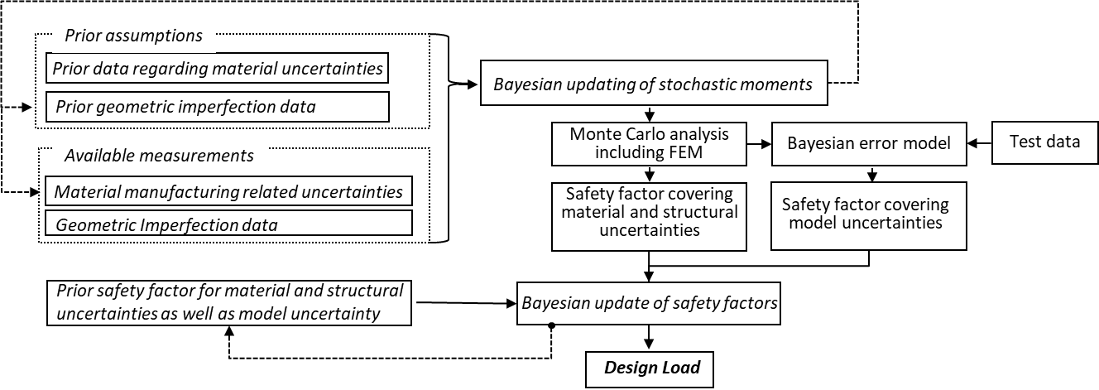

Steps of the approach

Note: Neglecting dependencies or correlations between different random variables generally leads to a wider spread of results and must be considered when analysing and interpreting the results. Attention must be paid to these factors when designing the stochastic model.

1. Bayesian inference based on available data

A Bayesian inference step has to be conducted with all scattering parameters for which prior data and new data exist. For normally distributed variables, the mean also follows a normal distribution, while the variance is modelled with a scaled inverse-χ² distribution. The combined prior distribution is modelled as an N-Inv-χ² distribution. If a sample with new data is available, this yields the posterior, which also maps to a N-Inv-χ² distribution. For the further approach, the values of the mean and the variance are estimated by the modal value of this distribution.

Note: Following variables are used within Bayesian inference µ0, σ0² : mean and variance of Prior Data ν0 = κ0 : statistical degree of freedom of the Prior data (= sample size - 1) ỹ, s² : mean and variance of sample with new data nS : sample size of the new data
Combined A-priori distribution of the mean and variance

Combined A-posteriori distribution of the mean and variance
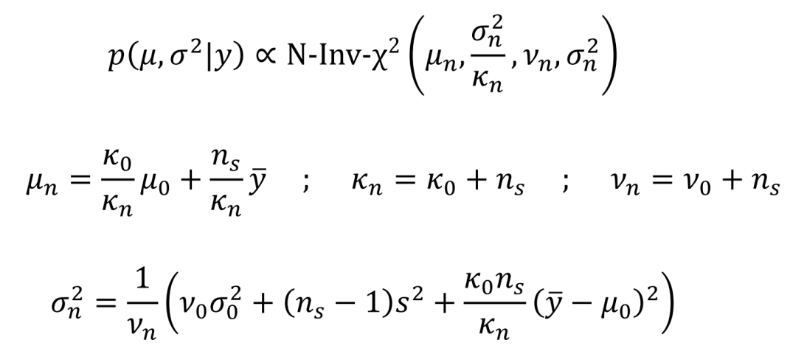
Note: The numerical determination of the modal values of the combined distribution may require a high computational effort, especially if this step has to be executed for a large number of parameters. Instead, the distributions of mean and variance can also be considered separately and the modal values can be determined using the following analytical formulas. [Gel13] is recommended for detailed explanations of this issue.

2. Monte Carlo Analysis

Based on the Posterior modal values from the previous step, a large number of realisations are created and the buckling load is determined for each realisation in non-linear FE calculations.

3. Calibration of the structural uncertainty factor

The mean value and standard deviation of the buckling load of the shell can be determined based on the results of the FE simulations of step 2. By specifying a permissible probability of failure Pf, the partial, preliminary structural uncertainty factor γR can be determinedas follows.

 |  |  | Φ is the cumulative distribution function of the standard normal distribution
 |  |  | x50% is the 50% quantile of the buckling load distribution. In the case of a normal distribution, this equates to the mean value.

4. Calibration of the uncertainty factor regarding model errors (if new test data is available)

The model error is estimated using a multiplicative error model. Here, Y is the experimental results, q the simulation results and e the error term. Assuming that the simulation and experimental results can be described by logarithmic normal distributions, the error term also follows such a distribution. Based on the available data, the distribution parameters of all three log-normal distributions can be determined using the following relationships.

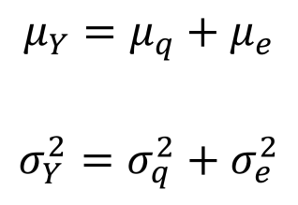 |  |  | Note: In the case of a logarithmic normal distribution, the distribution parameters µ and σ are not equal to the mean value and the standard deviation, rather they have no direct physical meaning.

Note: The following holds: σY > max(σq,σe). If this condition is not fulfilled, e.g. if the simulation results scatter too much due to neglecting dependencies or correlation, it is recommended to model the error term using a Dirac at the point of the estimated expectation value.

Once the distribution of the model error and of the distribution parameters have been determined, the estimators for the mean value and the standard deviation can also be calculated. As in step 1, only the modal values of the parameter distributions µe,MAP and σe,MAP are relevant. These are subsequently used to calculate the partial reduction factor regarding model uncertainties.

Note: If the error term is modelled with a Dirac, the reduction factor must be determined as γM = mod(ê) instead. Here, mod(ê) describes the estimator of the expected value of the error term.

5. Bayesian inference with reduction factors (only if prior knowledge is available)

A further inference step can be conducted with the two determined reduction factors γR and γM, if prior information and new data are available. This has to be done just as already explained in step 1 of this procedure.

6. Determination of the design load according to RBCB

Finally, with the final partial reduction factors γR and γM, the design load can be calculated using the 50% quantile value of the buckling load distribution x50%. For a normal distribution, this equates to the mean value.

SBPA
 | Design according to the Single Bounday Pertubation Approach (SBPA)

Primary reference: |  | [Wag17a]
Additional references: |  | [Wag18a] | [Wag18b] | [Wag19]

Basic concept
While the initial single buckle is generated and fixed at a defined location for SPLA, the local imperfection can grow and move freely when using the SBPA. The single buckle is generated by the simulated axial compression of a thin shim at 2° of the circumference in the edge of the shell. With increasing shim thickness, a characteristic development from the local towards global buckling load is obtained, which can be used to determine a design load. In the middle section, the local buckling load (solid line) is below the global buckling load. Above a certain perturbation height of the shim, the initial local buckling and global buckling coincide. The last local buckling load is taken as design load. This load is intended to take into account the influence of geometric imperfections and load imperfections as well as the influence of imperfect boundary conditions. |  |  |  |  |  | 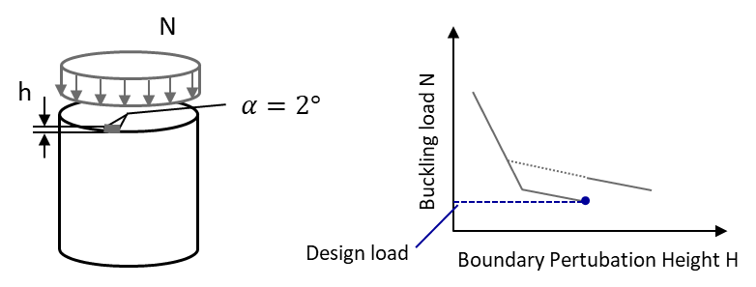

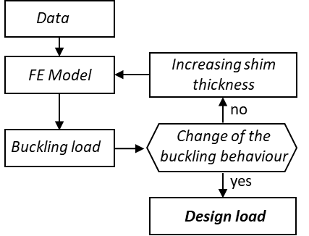
General characteristics
Recommended R/t ratio |  |  | 100 - 540
Recommended L/R ratio |  |  | 1.5 - 2.7
Required data |  |  | only nominal data of geometry and material parameters
Number of required FE calculations |  |  | 30
Covered Imperfections/Influcencing factors |  |  | geometric imperfections, load imperfections
Precision of the prediction |  |  | 76%
Conservativeness of the prediction |  |  | 83%

Notes and recommendations
▪ This approach is sensitive to errors in the setup of the FE model. It is recommended to perform a series of test simulation firstly and to check for solver errors regarding constraints and contact conditions, unbound degrees of freedom that allow the shell to expand, implausible simulation results, early or late simulation termination. ▪ The simulations respond sensitively to variations in the control parameters. Several iterations may be necessary to obtain the characteristic curves of the buckling load. ▪ Sometimes the transition between the local and global buckling load does not occur or switches several times between the two states ▪ The model allows no tilting of the upper side due to the fixing of the shell edges.

Steps of the approach

1. FE Calculation

Conduct a series of simulations with the perfect shell model. A thin, rigid shim with increasing thickness per iteration is added to the upper edge of the shell at 2° of the circumference. This is first pressed into the shell by a stiff plate before the shell itself is fully loaded to the point of buckling. To reduce the computational effort, the "stiff plate" can be modelled by an analytical surface that can be defined as a RIGID. Based on personal experience and that of Wagner, it is strongly recommended that this approach be implemented using a surface contact between the shell, shim and rigid plate. Experience has shown that FE models implemented without a contact condition provide incorrect results.

Excerpt of the implementation in ABAQUS (Loadstep)

(...)
*NODE
999998,0.,0.,0.0
1000000,0.,0.,800.060
*NSET,NSET=ref_u
999998,
*NSET,NSET=ref_cross
1000000,
(...)
*SURFACE, TYPE=REVOLUTION, NAME=Crosshead_surf |  |  |  |  | Analytical surface as a circle with radius > shell radius
0.,0., 800.1, 0.,0., 820.0
START, 420.0,0.
LINE,0.0,0.
*RIGID BODY, ANALYTICAL SURFACE=Crosshead_surf, REF NODE=1000000 |  |  |  |  | Define surface as RIGID
(...)
*SURFACE, TYPE=NODE, NAME=C_and_S_top |  |  |  |  | Definition the contact surface of the shell and the shim
Top_Edge_Nodes, 0.750
(...)
*SURFACE INTERACTION, NAME=NOFRIC |  |  |  |  | Define contact conditions
1.,
*FRICTION
0.,
*SURFACE BEHAVIOR, PRESSURE-OVERCLOSURE=HARD
*CONTACT PAIR, INTERACTION=NOFRIC, TYPE=SURFACE TO SURFACE
C_and_S_top, Crosshead_surf
*BOUNDARY, OP=NEW
ref_u, 1,6,0.
ref_cross, 1,2,0.
ref_cross, 4,6,0.
Top_Edge_Nodes, 1,2,0. |  |  |  |  | Define boundary conditions
Top_Edge_Nodes, 4,6,0.
(...)

Note: In order to select the interval in which the height of the shim is to vary, the formula below for estimating the step size Δh is given in [Wag18b]. In this case, uper is the axial deflection of the perfect shell when the buckling load is reached and niter is the number of iterations to be calculated in the SBPA. Wagner recommends selecting around 20 FE calculations for this purpose. However, this estimation does not provide sufficient results in all cases.

2. Determination of the design load
In order to determine the design load, the buckling loads determined from each individual simulation must be plotted over the shim thickness. The point of design should be the last iteration at which either a local buckling is visible due to a local maximum in the load curve, or at which the global buckling load suddenly increases in the next step.
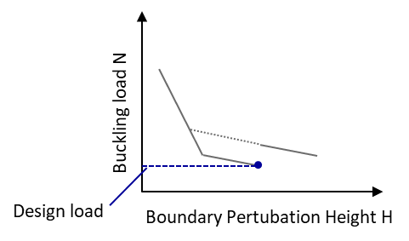

Final remarks: It is recommended to perform the simulations with small solver step sizes (<0.02) and without artificial damping in order to trigger a simulation cancellation when the local buckling occurs. Nevertheless, in some cases the local maximum is overcome and the solver continues to run until global buckling occurs. To simplify the evaluation, both local and global maxima of the load curve should therefore be taken into account. In some cases, it is observed that the solver cancels the calculation at extremely low loads or jumps volatilely between the equilibrium paths. If this phenomenon occurs, the simulation should be repeated with slightly varied control variables.

SAP
 | Design according to Semi-analytical Probabilistic procedure (SAP)

Primary reference: |  | [Kri12]
Additional references: |  | [Kri11] | [Meu16]

Basic concept
The purpose of SAP is to provide a full probabilistic design method with as little computational effort as feasible. In addition, it should provide more precise results than a First-Order-Sceond-Moment (FOSM) method. By applying a Mahalanobis transformation to the Fourier coefficients of the geometric imperfection, a significant reduction of the random parameters can be achieved without loosing precision. The probabilistic analysis is carried out via an incomplete second order approach (ISOA), which is significantly more numerically efficient than Monte Carlo simulations or second- or higher-order Taylor series-based approaches. |  |  |  |  | 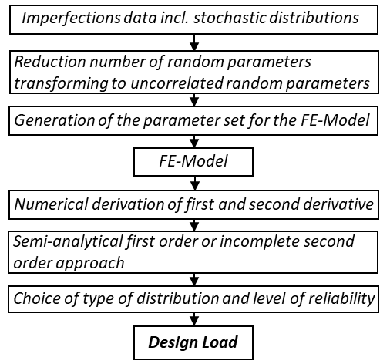

General characteristics
Recommended R/t ratio |  |  | 140 - 540
Recommended L/R ratio |  |  | 1.9 - 2.5
Required data |  |  | distribution of every considered factor
Number of required FE calculations |  |  | 30
Covered Imperfections/Influcencing factors |  |  | every in calculation considered factor
Precision of the prediction |  |  | 91%
Conservativeness of the prediction |  |  | 95%

▪ Neglecting dependencies or correlations between different variables usually leads to a wider spread of results and must be considered during evaluation and interpretation of the results. ▪ It is recommended to check the considered scattering variables and the underlying database for consistency and plausibility in advance of the application. The combination of values or data from different populations tends to lead to a significantly wider spread of results ▪ If information on direction-dependent load imperfections is available, care should be taken when implementing and interpreting the results. The calculation of the buckling load for only three directions of the load imperfections bears the risk that the influence of these is not correctly captured. ▪ The generated patterns of geometric imperfections are not necessarily representative of the imperfection patterns of a given set of shells. In the case of imperfection-sensitive shells, this can lead to an over- or underestimation of the buckling load and in particular of the scattering of the buckling load.

Steps of the approach

Note: Before applying this design approach, a stochastic model of the considered problem must be set up. In the process (for the evaluation of the ISOA), the skewness and kurtosis must be determined for all scattering input variables in addition to the mean value and variance. If random load imperfections are considered, a uniform distribution in the interval [-π,+π) is typically assumed for the direction of these imperfections. This can lead to unexpected results or irregularities (e.g. too low or too high scatter of the results).

1. Mahalanobis transform

In order to decorrelate the parameters describing geometric imperfections and to reduce the number of random variables simultaneously, the Mahalanobis transform is first applied to the given Fourier coefficients. For this purpose, the vector of all random parameters (= coefficients) X is reduced to uncorrelated, standard-normally distributed parameters z by the covariance matrix Σ and the vector of mean values µX.

 |  |  |  | (Q is a matrix with the eigenvectors of Σ and D is a diagonal matrix with the eigenvalues of Σ)

Sequence for calculating the root of the covariance matrix

a) Based on the measurement data of all Fourier coefficients, calculate the estimation of the covariance matrix (which has the dimension 2-NZ-Nθ with NZ, Nθ as the number of coefficients in axial and circumferential direction)

b) Determine the eigenvalues, eigenvectors and rank of Σ. (The eigenvalues and eigenvectors can be converted directly into the form of the matrices D and Q).

c) Calculate the estimation B of the root of Σ. The matrix B has the dimension nK×r, where the number of columns is equal to the number of transformed, uncorrelated parameters.

2. Generation of parameter sets

First, 2n+1 sets of random parameters are generated according to the scheme shown below. Here, μXi is the mean value of the considered random parameters Xi with i = 1...n. ΔzXi is the variation or step size of the respective parameter for determining the derivative of the objective function via central differences.
Note: According to the investigations in [Kri11], it is recommended to select ΔzXi = 1.5 σXi for the step size ΔzXi. Here, σXi indicates the standard deviation of the variable Xi.

3. Conduction of FE simulations for all parameter sets

The respective buckling load must be determined for all 2n+1 generated sets of random parameters using non-linear FE simulations.

4. Determination of the distribution of the buckling load

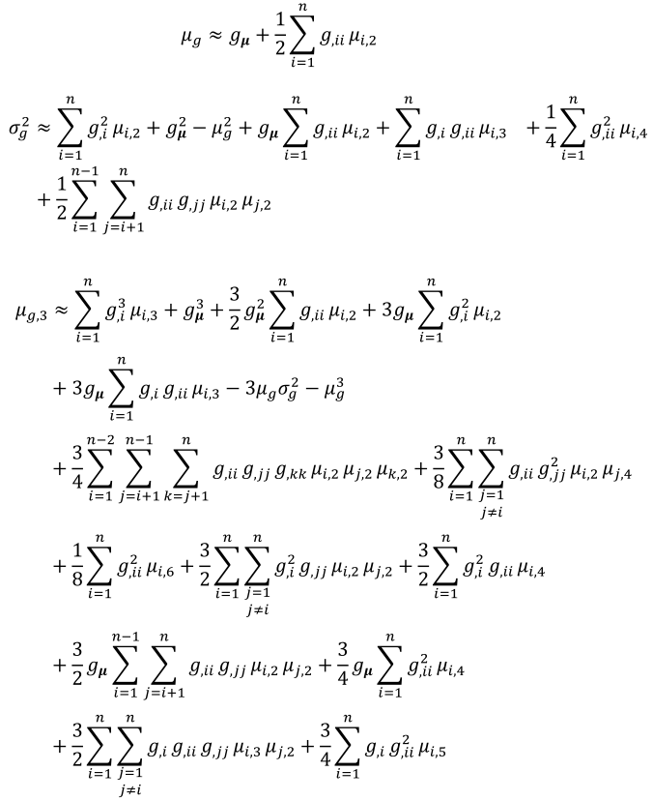 In the fourth step, an ISOA according to [Kri11] can be used to estimate the mean value and variance of the objective function g using the relationships below. The partial derivatives of this objective function according to the individual random variables can be determined using the simulation results from the previous step via the central difference approach. In the equations below, µi,k denotes the k-th central moment of the random parameter i.

with

Note: µg,3 can be used to calculate the skewness of the distribution, a value that can provide information about the type of distribution. However, if it is assumed as a simplification that the buckling load follows a normal distribution, the calculation of µg,3 can be omitted.

5. Determination of the SAP design load

With the estimates of mean value and variance of the buckling load calculated in the previous step, the design load PSAP can finally be determined by specifying a permissible probability of failure Pf (or its counterpart, the required reliability).

 |  |  | (Φ is the cumulative distribution function
 |  |  | of the standard normal distribution)

SPLA
 | Design according to the Single Pertubation Load Approach (SPLA)

Primary reference: |  | [Hüh05]
Additional references: |  | [Hüh08] | [Arb13] | [Kri16] | [Wag17b]

Basic concept
Buckling of a shell starts with a single local buckle. The SPLA takes this effect into account by applying artificially a pertubation load to the center of the shell. If this perturbation load is increased, the calculated buckling load is decreased. Above a certain increase, the effect of the buckling load reduction is strongly reduced. The buckling load calculated at this point becomes the design load for the shell and provides a lower bound on the buckling load. A major strength of the SPLA is that it does not require geometric imperfections and is comparatively simple to apply. |  |  |  |  |  | 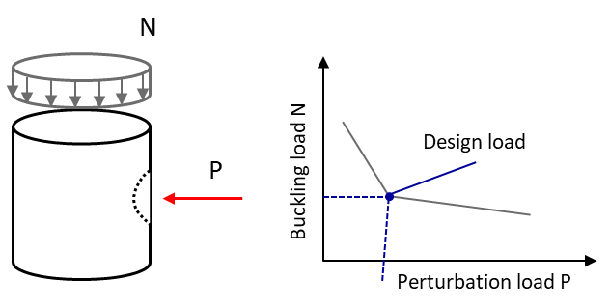

General characteristics
Recommended R/t ratio |  |  | 100 - 540
Recommended L/R ratio |  |  | 1.5 - 2.7
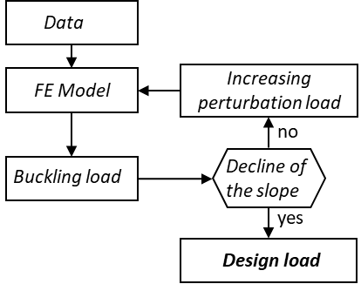
Required data |  |  | only nominal data of geometry and material parameters
Number of required FE calculations |  |  | 15
Covered Imperfections/Influcencing factors |  |  | geometric imperfections
Precision of the prediction |  |  | 79%
Conservativeness of the prediction |  |  | 64%

Notes and recommendations
▪ As noted in [Kri16], the SPLA tends to provide unconservative results for shells with laminate layups with e21 ≤ 0. For shells with e21 ≈ 0, the risk of overestimating the actual buckling load is about 55%.

Steps of the approach

1. Check applicability

The SPLA provides reliably conservative results only for imperfection-sensitive shells with a tendency to asymmetric buckling patterns, unless large load imperfections occur. Therefore, the parameter e21 should be calculated first.

 |  |  |  | A and B are parts of the ABD matrix of the shell

If the value e21 < 0 or |e21/t| < 1e-5, it is not recommended to use the SPLA because of the high risk of overestimating the real buckling load.

2. FE Calculations

A series of simulations with the perfect shell model has to be performed. Here, a radial pertubation load is applied to the shell surface in the half height of the shell and incrementally increased over the iterations.

Excerpt of the implementation in ABAQUS (Loadstep)
*************************
*STEP, NLGEOM
*STATIC
*CLOAD
p_node, 1, <pertload>
*OUTPUT,FIELD, FREQUENCY=0
*OUTPUT,HISTORY,FREQUENCY=0
*END STEP
********************
**** ax loading ****
*STEP, NLGEOM, INC=1000
*STATIC, STABILIZE=1e-6
0.05, 1.0, , 0.05
*BOUNDARY
ref_o, 3,3,<ax_disp>
*OUTPUT, FIELD
*NODE OUTPUT, NSET=all_nodes
U
*NODE OUTPUT, NSET=ref_u
RF,
*OUTPUT,HISTORY,FREQUENCY=1
*NODE OUTPUT,NSET=ref_u
RF,
*NODE OUTPUT,NSET=ref_o
U
*NODE PRINT,NSET=ref_o
U
*NODE PRINT,NSET=ref_u
RF
**RESTART, WRITE
*END STEP

2. Determination of the design load
Perturbation load P
Buckling load N
Design load
To determine the design load, the calculated buckling loads of the individual simulations are plotted over the magnitude of the individual perturbation force. At the design point, the behavior of the buckling load suddenly changes (see figure). The buckling load obtained at this point is the design load.

Takano's KDF
 | Design according to Takano's KDF

Primary reference: |  | [Tak12]
Additional references: |  | [Arb13]

Basic concept
In contrast to other knockdown factors, Takano suggests constant knockdown factors independent of the R/t ratio. These constant values are based on over 140 data sets from the literature. These two knockdown factors are based on the common A and B values used in aeronautics.

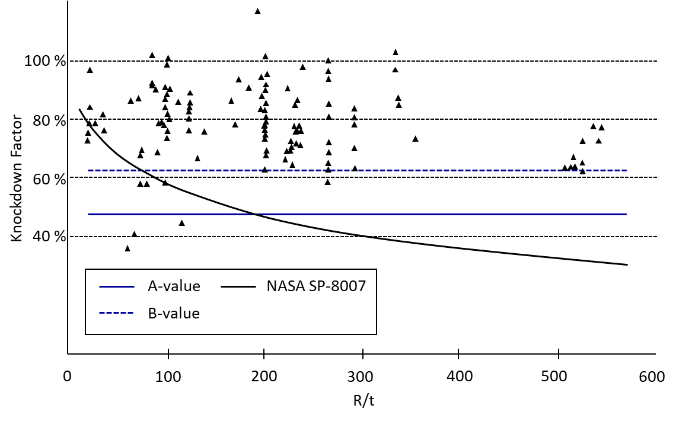
General characteristics
Recommended R/t ratio |  |  | ≤ 850
Recommended L/R ratio |  |  | 1.5 - 2.7
Required data |  |  | only nominal data
Number of required FE calculations |  |  | 1
Covered Imperfections/Influcencing factors |  |  | all factors
Precision of the prediction (a-/b-value) |  |  | 67% / 81%
Conservativeness of the prediction (a-/b-value) |  |  | 95% / 75%

Notes and recommendations
▪ For application to winded shells, it is recommended to determine the reference buckling load for all locally occurring lay-ups. Use the lowest possible value for the design ▪ For shells with R/t < 190, NASA SP-8007 is less conservative than Takano's A-basis (1% probability of failure); for shells with R/t < 75, NASA SP-8007 is also less conservative than the B-base (10% probability of failure).

Steps of the approach
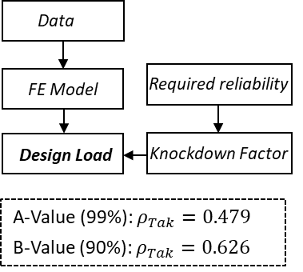
1. Determination of the Knockdownfactor

The knockdown factor can be selected according to the required reliability.

Remark: The values have a confidence level of 95%. Consequently, in 5% of the cases the reliability is lower than calculated.

2. Calculation of the ideal buckling load
Calculate the buckling load of the ideal shells with a linear buckling load analysis

3. Deternimation of the design load

Multiply the determined ideal buckling load with the knockdown factor

Wagner's THC
 | Design according to Wagner's Thresehold Curve (THC)

Primary reference: |  | [Wag17a]
Additional references: |  | [Wag17b] | [Wag18a] | [Wag18b] | [Wag19]

Data (only nominal)
FE Model
Calculation of the Knockdown factor
Design Load
Basic concept
A threshold curve has been developed by Wagner based on numerical studies. This represents a lower bound and gives a knockdown factor, which has to be multiplied by the ideal buckling load. The calculation of the knockdown factor considers the thickness as well as the length of the cylinder.

General characteristics
Recommended R/t ratio |  |  | 50 - 600
Recommended L/R ratio |  |  | 1 - 7
Required data |  |  | nominal data
Number of required FE calculations |  |  | 1
Covered Imperfections/Influcencing factors |  |  | geometric imperfections, load imperfections
Precision of the prediction |  |  | 66%
Conservativeness of the prediction |  |  | 97%

Notes and recommendations
▪ When applied to winded shells, the design must be conducted for all local occuring lay-ups and the minimum load determined must be selected as the design load. ▪ According to Wagner, the THC is only valid for shells that are clamped on both sides. However, this approach also results in conservative design for some jointed shells. ▪ The limitation formulated by Wagner that this approach is only valid for isotropic or quasi-isotropic and axially stiff shells with a ring pattern in the pre-buckling area was not confirmed in these studies. The design with the THC seems to be applicable to any laminate. ▪ In this analysis the buckling load of the perfect shell is calculated by a linear buckling analysis

Steps of the approach

1. Determination of the Knockdown factor

In order to calculate the knockdown factor, the two variables ΩTH and ηTH are required. There are two possible ways of calculating these depending on the L/R ratio of the shell. Finally, the global knockdown factor ρTH can be determined using these and the R/t ratio.

 | L/R = 1...3 |  |  | L/R = 3...10
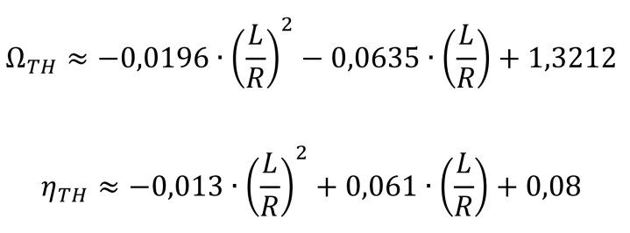
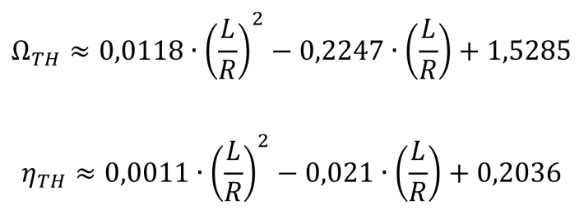

Note: In [Wag18c], the so-called effective wall thickness teff, using entries from the ABD matrix, is used to calculate the knockdown factor ρTH instead of the wall thickness of the shell. The resulting knockdown factors differ only slightly from those when using the nominal wall thickness. The maximum noted difference in the design load between the alternative calculation methods is about 1.5%.

2. FE Calculations
Subsequently, the buckling load of the perfect shell has to be calculated numerically. In the study on which the present study is based, this was done using a linear buckling load analysis. Clamped boundary conditions can be assumded.

3. Dertimantion of the Design Load

In the third step the determined buckling load of the perfect shell and the knockdown factor are multiplied with each other.

